MAP3K9 _multivariate
Reported by Tex Li-Hsing Chi. tex@gate.sinica.edu.tw 2019-08-18

Table 2. The clinicopathological features of HNSCC cohort and MAP3K9 expression. (Chi square test)
Cutoff at -0.312 (50.0%)
 |  | MAP3K9 expression |  | MAP3K9 expression |  | (Optimised)
 | Features | Low | (%) | High | (%) | Case no | P-value | Remark | Matthews
Gender | Female | 157 | 37.8 | 149 | 35.9 | 415 | 0.3881 | 0 | 0
2 | Male | 50 | 12 | 59 | 14.2
Age at diagnosis | <=65y | 138 | 33.3 | 136 | 32.8 | 415 | 0.8634 | 0 | 0
4 | >65y | 69 | 16.6 | 72 | 17.3
Clinical T Status | T1+T2 | 86 | 20.7 | 63 | 15.2 | 415 | 0.0221 | 1 | 0
6 | T3+T4 | 121 | 29.2 | 145 | 34.9
Clinical N Status | N0 | 105 | 25.3 | 111 | 26.7 | 415 | 0.6598 | 0 | 0
8 | N1-3 | 102 | 24.6 | 97 | 23.4
Clinical M Status | M0 | 204 | 49.2 | 208 | 50.1 | 415 | 0.1232 | 0 | 0
10 | M1 | 3 | 0.7 | 0 | 0
Clinical Stage | Stage I+II | 56 | 13.5 | 46 | 11.1 | 415 | 0.2918 | 0 | 0
12 | Stage III+IV | 151 | 36.4 | 162 | 39
Surgical Margin status | Negative | 155 | 37.3 | 163 | 39.3 | 415 | 0.4187 | 0 | 0
14 | Positive | 52 | 12.5 | 45 | 10.8
Tobacco Exposure | Low | 81 | 19.5 | 80 | 19.3 | 415 | 0.9199 | 0 | 0
16 | High | 126 | 30.4 | 128 | 30.8

Table 3. Univariate/Multivariate Cox's proportional hazards regression analyses on OS time of MAP3K9 gene expression in HNSCC

 |  | Univariate |  |  |  | Multivariate
 | Features | HR | CI95%(L) | CI95%(H) | P-value | HR | CI95%(L) | CI95%(H) | P-value
1 | Female | 1 |  |  |  | 1
Gender | Male | 1.157 | 0.843 | 1.587 | 0.367 | 1.2 | 0.858 | 1.679 | 0.287
11 | <=65y | 1 |  |  |  | 1
Age at diagnosis | >65y | 1.329 | 0.99 | 1.784 | 0.058 | 1.391 | 1.023 | 1.892 | 0.035
12 | T1+T2 | 1 |  |  |  | 1
Clinical T Status | T3+T4 | 1.409 | 1.028 | 1.931 | 0.033 | 2.201 | 1.164 | 4.163 | 0.015
13 | N0 | 1 |  |  |  | 1
Clinical N Status | N1-3 | 1.185 | 0.89 | 1.577 | 0.246 | 1.242 | 0.87 | 1.773 | 0.233
14 | M0 | 1 |  |  |  | 1
Clinical M Status | M1 | 4.097 | 1.009 | 16.644 | 0.049 | 9.455 | 2.051 | 43.582 | 0.004
15 | Stage I+II | 1 |  |  |  | 1
Clinical Stage | Stage III+IV | 1.245 | 0.882 | 1.759 | 0.213 | 0.504 | 0.235 | 1.082 | 0.079
16 | Negative | 1 |  |  |  | 1
Surgical Margin status | Positive | 1.591 | 1.155 | 2.191 | 0.004 | 1.674 | 1.209 | 2.318 | 0.002
17 | Low | 1 |  |  |  | 1
Tobacco Exposure | High | 1.364 | 1.008 | 1.844 | 0.044 | 1.452 | 1.054 | 2.002 | 0.023
18 | Low | 1 |  |  |  | 1
RNAseq(z-score) | High | 1.002 | 0.752 | 1.335 | 0.989 | 1.012 | 0.754 | 1.357 | 0.938

Table 4. Univariate/Multivariate Cox's proportional hazards regression analyses on RFS time of MAP3K9 gene expression in HNSCC

 |  | Univariate |  |  |  | Multivariate
 | Features | HR | CI95%(L) | CI95%(H) | P-value | HR | CI95%(L) | CI95%(H) | P-value
1 | Female | 1 |  |  |  | 1
Gender | Male | 1.157 | 0.843 | 1.587 | 0.367 | 1.2 | 0.858 | 1.679 | 0.287
11 | <=65y | 1 |  |  |  | 1
Age at diagnosis | >65y | 1.329 | 0.99 | 1.784 | 0.058 | 1.391 | 1.023 | 1.892 | 0.035
12 | T1+T2 | 1 |  |  |  | 1
Clinical T Status | T3+T4 | 1.409 | 1.028 | 1.931 | 0.033 | 2.201 | 1.164 | 4.163 | 0.015
13 | N0 | 1 |  |  |  | 1
Clinical N Status | N1-3 | 1.185 | 0.89 | 1.577 | 0.246 | 1.242 | 0.87 | 1.773 | 0.233
14 | M0 | 1 |  |  |  | 1
Clinical M Status | M1 | 4.097 | 1.009 | 16.644 | 0.049 | 9.455 | 2.051 | 43.582 | 0.004
15 | Stage I+II | 1 |  |  |  | 1
Clinical Stage | Stage III+IV | 1.245 | 0.882 | 1.759 | 0.213 | 0.504 | 0.235 | 1.082 | 0.079
16 | Negative | 1 |  |  |  | 1
Surgical Margin status | Positive | 1.591 | 1.155 | 2.191 | 0.004 | 1.674 | 1.209 | 2.318 | 0.002
17 | Low | 1 |  |  |  | 1
Tobacco Exposure | High | 1.364 | 1.008 | 1.844 | 0.044 | 1.452 | 1.054 | 2.002 | 0.023
18 | Low | 1 |  |  |  | 1
RNAseq(z-score) | High | 1.002 | 0.752 | 1.335 | 0.989 | 1.012 | 0.754 | 1.357 | 0.938

Kaplan-Meier survival estimate: Cutoff at -0.312 (50.0%)



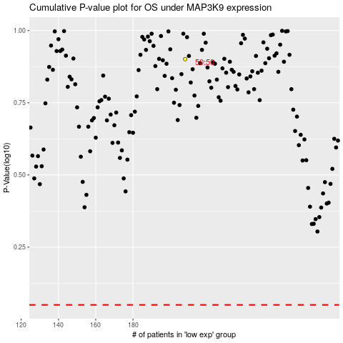

 |  |  |  |  |  | cases_OS | p_OS | rank | exp
 |  |  |  |  |  |  | cases_RFS | p_RFS | rank | exp

