MAP4K3 _multivariate
Reported by Tex Li-Hsing Chi. tex@gate.sinica.edu.tw 2019-08-18

Table 2. The clinicopathological features of HNSCC cohort and MAP4K3 expression. (Chi square test)
Cutoff at -0.1 (50.0%)
 |  | MAP4K3 expression |  | MAP4K3 expression |  | (Optimised)
 | Features | Low | (%) | High | (%) | Case no | P-value | Remark | Matthews
Gender | Female | 146 | 35.2 | 160 | 38.6 | 415 | 0.1714 | 0 | 0
2 | Male | 61 | 14.7 | 48 | 11.6
Age at diagnosis | <=65y | 132 | 31.8 | 142 | 34.2 | 415 | 0.3874 | 0 | 0
4 | >65y | 75 | 18.1 | 66 | 15.9
Clinical T Status | T1+T2 | 87 | 21 | 62 | 14.9 | 415 | 0.0127 | 1 | 0
6 | T3+T4 | 120 | 28.9 | 146 | 35.2
Clinical N Status | N0 | 118 | 28.4 | 98 | 23.6 | 415 | 0.0551 | 1 | 0
8 | N1-3 | 89 | 21.4 | 110 | 26.5
Clinical M Status | M0 | 204 | 49.2 | 208 | 50.1 | 415 | 0.1232 | 0 | 0
10 | M1 | 3 | 0.7 | 0 | 0
Clinical Stage | Stage I+II | 62 | 14.9 | 40 | 9.6 | 415 | 0.0154 | 1 | 0
12 | Stage III+IV | 145 | 34.9 | 168 | 40.5
Surgical Margin status | Negative | 163 | 39.3 | 155 | 37.3 | 415 | 0.3537 | 0 | 0
14 | Positive | 44 | 10.6 | 53 | 12.8
Tobacco Exposure | Low | 91 | 21.9 | 70 | 16.9 | 415 | 0.0346 | 1 | 0
16 | High | 116 | 28 | 138 | 33.3

Table 3. Univariate/Multivariate Cox's proportional hazards regression analyses on OS time of MAP4K3 gene expression in HNSCC

 |  | Univariate |  |  |  | Multivariate
 | Features | HR | CI95%(L) | CI95%(H) | P-value | HR | CI95%(L) | CI95%(H) | P-value
1 | Female | 1 |  |  |  | 1
Gender | Male | 1.157 | 0.843 | 1.587 | 0.367 | 1.204 | 0.862 | 1.682 | 0.277
11 | <=65y | 1 |  |  |  | 1
Age at diagnosis | >65y | 1.329 | 0.99 | 1.784 | 0.058 | 1.405 | 1.031 | 1.916 | 0.031
12 | T1+T2 | 1 |  |  |  | 1
Clinical T Status | T3+T4 | 1.409 | 1.028 | 1.931 | 0.033 | 2.197 | 1.162 | 4.154 | 0.015
13 | N0 | 1 |  |  |  | 1
Clinical N Status | N1-3 | 1.185 | 0.89 | 1.577 | 0.246 | 1.242 | 0.87 | 1.773 | 0.232
14 | M0 | 1 |  |  |  | 1
Clinical M Status | M1 | 4.097 | 1.009 | 16.644 | 0.049 | 9.785 | 2.116 | 45.25 | 0.004
15 | Stage I+II | 1 |  |  |  | 1
Clinical Stage | Stage III+IV | 1.245 | 0.882 | 1.759 | 0.213 | 0.499 | 0.232 | 1.073 | 0.075
16 | Negative | 1 |  |  |  | 1
Surgical Margin status | Positive | 1.591 | 1.155 | 2.191 | 0.004 | 1.668 | 1.207 | 2.305 | 0.002
17 | Low | 1 |  |  |  | 1
Tobacco Exposure | High | 1.364 | 1.008 | 1.844 | 0.044 | 1.448 | 1.051 | 1.995 | 0.024
18 | Low | 1 |  |  |  | 1
RNAseq(z-score) | High | 1.071 | 0.802 | 1.429 | 0.643 | 1.075 | 0.798 | 1.448 | 0.632

Table 4. Univariate/Multivariate Cox's proportional hazards regression analyses on RFS time of MAP4K3 gene expression in HNSCC

 |  | Univariate |  |  |  | Multivariate
 | Features | HR | CI95%(L) | CI95%(H) | P-value | HR | CI95%(L) | CI95%(H) | P-value
1 | Female | 1 |  |  |  | 1
Gender | Male | 1.157 | 0.843 | 1.587 | 0.367 | 1.204 | 0.862 | 1.682 | 0.277
11 | <=65y | 1 |  |  |  | 1
Age at diagnosis | >65y | 1.329 | 0.99 | 1.784 | 0.058 | 1.405 | 1.031 | 1.916 | 0.031
12 | T1+T2 | 1 |  |  |  | 1
Clinical T Status | T3+T4 | 1.409 | 1.028 | 1.931 | 0.033 | 2.197 | 1.162 | 4.154 | 0.015
13 | N0 | 1 |  |  |  | 1
Clinical N Status | N1-3 | 1.185 | 0.89 | 1.577 | 0.246 | 1.242 | 0.87 | 1.773 | 0.232
14 | M0 | 1 |  |  |  | 1
Clinical M Status | M1 | 4.097 | 1.009 | 16.644 | 0.049 | 9.785 | 2.116 | 45.25 | 0.004
15 | Stage I+II | 1 |  |  |  | 1
Clinical Stage | Stage III+IV | 1.245 | 0.882 | 1.759 | 0.213 | 0.499 | 0.232 | 1.073 | 0.075
16 | Negative | 1 |  |  |  | 1
Surgical Margin status | Positive | 1.591 | 1.155 | 2.191 | 0.004 | 1.668 | 1.207 | 2.305 | 0.002
17 | Low | 1 |  |  |  | 1
Tobacco Exposure | High | 1.364 | 1.008 | 1.844 | 0.044 | 1.448 | 1.051 | 1.995 | 0.024
18 | Low | 1 |  |  |  | 1
RNAseq(z-score) | High | 1.071 | 0.802 | 1.429 | 0.643 | 1.075 | 0.798 | 1.448 | 0.632

Kaplan-Meier survival estimate: Cutoff at -0.1 (50.0%)

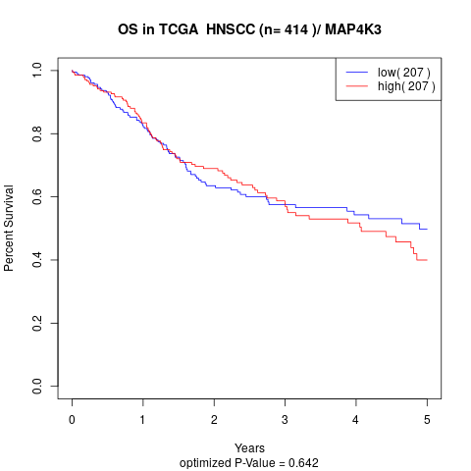

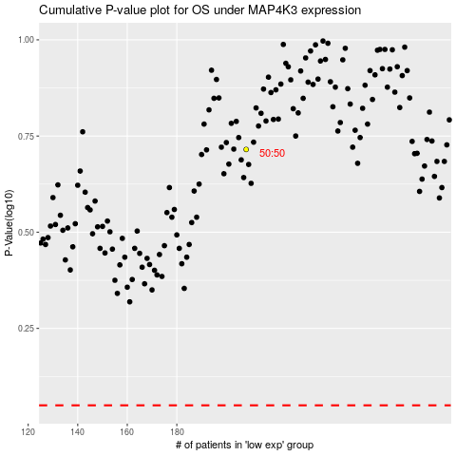

 |  |  |  |  |  | cases_OS | p_OS | rank | exp
 |  |  |  |  |  |  | cases_RFS | p_RFS | rank | exp

