MAP6D1 _multivariate
Reported by Tex Li-Hsing Chi. tex@gate.sinica.edu.tw 2019-08-18

Table 2. The clinicopathological features of HNSCC cohort and MAP6D1 expression. (Chi square test)
Cutoff at -0.209 (49.8%)
 |  | MAP6D1 expression |  | MAP6D1 expression |  | (Optimised)
 | Features | Low | (%) | High | (%) | Case no | P-value | Remark | Matthews
Gender | Female | 142 | 34.2 | 164 | 39.5 | 415 | 0.0238 | 1 | 0
2 | Male | 65 | 15.7 | 44 | 10.6
Age at diagnosis | <=65y | 131 | 31.6 | 143 | 34.5 | 415 | 0.2839 | 0 | 0
4 | >65y | 76 | 18.3 | 65 | 15.7
Clinical T Status | T1+T2 | 78 | 18.8 | 71 | 17.1 | 415 | 0.5152 | 0 | 0
6 | T3+T4 | 129 | 31.1 | 137 | 33
Clinical N Status | N0 | 101 | 24.3 | 115 | 27.7 | 415 | 0.2201 | 0 | 0
8 | N1-3 | 106 | 25.5 | 93 | 22.4
Clinical M Status | M0 | 207 | 49.9 | 205 | 49.4 | 415 | 0.2482 | 0 | 0
10 | M1 | 0 | 0 | 3 | 0.7
Clinical Stage | Stage I+II | 50 | 12 | 52 | 12.5 | 415 | 0.9315 | 0 | 0
12 | Stage III+IV | 157 | 37.8 | 156 | 37.6
Surgical Margin status | Negative | 158 | 38.1 | 160 | 38.6 | 415 | 0.9081 | 0 | 0
14 | Positive | 49 | 11.8 | 48 | 11.6
Tobacco Exposure | Low | 101 | 24.3 | 60 | 14.5 | 415 | 0 | 1 | 0
16 | High | 106 | 25.5 | 148 | 35.7

Table 3. Univariate/Multivariate Cox's proportional hazards regression analyses on OS time of MAP6D1 gene expression in HNSCC

 |  | Univariate |  |  |  | Multivariate
 | Features | HR | CI95%(L) | CI95%(H) | P-value | HR | CI95%(L) | CI95%(H) | P-value
1 | Female | 1 |  |  |  | 1
Gender | Male | 1.157 | 0.843 | 1.587 | 0.367 | 1.19 | 0.851 | 1.665 | 0.31
11 | <=65y | 1 |  |  |  | 1
Age at diagnosis | >65y | 1.329 | 0.99 | 1.784 | 0.058 | 1.396 | 1.027 | 1.899 | 0.033
12 | T1+T2 | 1 |  |  |  | 1
Clinical T Status | T3+T4 | 1.409 | 1.028 | 1.931 | 0.033 | 2.229 | 1.177 | 4.221 | 0.014
13 | N0 | 1 |  |  |  | 1
Clinical N Status | N1-3 | 1.185 | 0.89 | 1.577 | 0.246 | 1.232 | 0.863 | 1.76 | 0.251
14 | M0 | 1 |  |  |  | 1
Clinical M Status | M1 | 4.097 | 1.009 | 16.644 | 0.049 | 9.898 | 2.13 | 45.984 | 0.003
15 | Stage I+II | 1 |  |  |  | 1
Clinical Stage | Stage III+IV | 1.245 | 0.882 | 1.759 | 0.213 | 0.5 | 0.233 | 1.074 | 0.076
16 | Negative | 1 |  |  |  | 1
Surgical Margin status | Positive | 1.591 | 1.155 | 2.191 | 0.004 | 1.663 | 1.203 | 2.299 | 0.002
17 | Low | 1 |  |  |  | 1
Tobacco Exposure | High | 1.364 | 1.008 | 1.844 | 0.044 | 1.475 | 1.065 | 2.042 | 0.019
18 | Low | 1 |  |  |  | 1
RNAseq(z-score) | High | 0.978 | 0.734 | 1.303 | 0.877 | 0.926 | 0.685 | 1.252 | 0.618

Table 4. Univariate/Multivariate Cox's proportional hazards regression analyses on RFS time of MAP6D1 gene expression in HNSCC

 |  | Univariate |  |  |  | Multivariate
 | Features | HR | CI95%(L) | CI95%(H) | P-value | HR | CI95%(L) | CI95%(H) | P-value
1 | Female | 1 |  |  |  | 1
Gender | Male | 1.157 | 0.843 | 1.587 | 0.367 | 1.19 | 0.851 | 1.665 | 0.31
11 | <=65y | 1 |  |  |  | 1
Age at diagnosis | >65y | 1.329 | 0.99 | 1.784 | 0.058 | 1.396 | 1.027 | 1.899 | 0.033
12 | T1+T2 | 1 |  |  |  | 1
Clinical T Status | T3+T4 | 1.409 | 1.028 | 1.931 | 0.033 | 2.229 | 1.177 | 4.221 | 0.014
13 | N0 | 1 |  |  |  | 1
Clinical N Status | N1-3 | 1.185 | 0.89 | 1.577 | 0.246 | 1.232 | 0.863 | 1.76 | 0.251
14 | M0 | 1 |  |  |  | 1
Clinical M Status | M1 | 4.097 | 1.009 | 16.644 | 0.049 | 9.898 | 2.13 | 45.984 | 0.003
15 | Stage I+II | 1 |  |  |  | 1
Clinical Stage | Stage III+IV | 1.245 | 0.882 | 1.759 | 0.213 | 0.5 | 0.233 | 1.074 | 0.076
16 | Negative | 1 |  |  |  | 1
Surgical Margin status | Positive | 1.591 | 1.155 | 2.191 | 0.004 | 1.663 | 1.203 | 2.299 | 0.002
17 | Low | 1 |  |  |  | 1
Tobacco Exposure | High | 1.364 | 1.008 | 1.844 | 0.044 | 1.475 | 1.065 | 2.042 | 0.019
18 | Low | 1 |  |  |  | 1
RNAseq(z-score) | High | 0.978 | 0.734 | 1.303 | 0.877 | 0.926 | 0.685 | 1.252 | 0.618

Kaplan-Meier survival estimate: Cutoff at -0.209 (49.8%)



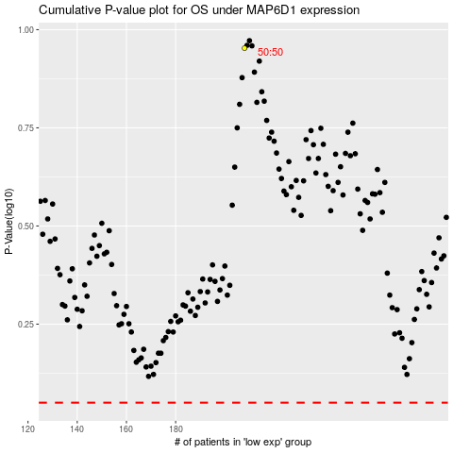

 |  |  |  |  |  | cases_OS | p_OS | rank | exp
 |  |  |  |  |  |  | cases_RFS | p_RFS | rank | exp

