MAP7D1 _multivariate
Reported by Tex Li-Hsing Chi. tex@gate.sinica.edu.tw 2019-08-18

Table 2. The clinicopathological features of HNSCC cohort and MAP7D1 expression. (Chi square test)
Cutoff at -0.034 (50.0%)
 |  | MAP7D1 expression |  | MAP7D1 expression |  | (Optimised)
 | Features | Low | (%) | High | (%) | Case no | P-value | Remark | Matthews
Gender | Female | 158 | 38.1 | 148 | 35.7 | 415 | 0.2774 | 0 | 0
2 | Male | 49 | 11.8 | 60 | 14.5
Age at diagnosis | <=65y | 142 | 34.2 | 132 | 31.8 | 415 | 0.3167 | 0 | 0
4 | >65y | 65 | 15.7 | 76 | 18.3
Clinical T Status | T1+T2 | 85 | 20.5 | 64 | 15.4 | 415 | 0.0372 | 1 | 0
6 | T3+T4 | 122 | 29.4 | 144 | 34.7
Clinical N Status | N0 | 106 | 25.5 | 110 | 26.5 | 415 | 0.8075 | 0 | 0
8 | N1-3 | 101 | 24.3 | 98 | 23.6
Clinical M Status | M0 | 206 | 49.6 | 206 | 49.6 | 415 | 1 | 0 | 0
10 | M1 | 1 | 0.2 | 2 | 0.5
Clinical Stage | Stage I+II | 57 | 13.7 | 45 | 10.8 | 415 | 0.1998 | 0 | 0
12 | Stage III+IV | 150 | 36.1 | 163 | 39.3
Surgical Margin status | Negative | 153 | 36.9 | 165 | 39.8 | 415 | 0.2036 | 0 | 0
14 | Positive | 54 | 13 | 43 | 10.4
Tobacco Exposure | Low | 71 | 17.1 | 90 | 21.7 | 415 | 0.0698 | 0 | 0
16 | High | 136 | 32.8 | 118 | 28.4

Table 3. Univariate/Multivariate Cox's proportional hazards regression analyses on OS time of MAP7D1 gene expression in HNSCC

 |  | Univariate |  |  |  | Multivariate
 | Features | HR | CI95%(L) | CI95%(H) | P-value | HR | CI95%(L) | CI95%(H) | P-value
1 | Female | 1 |  |  |  | 1
Gender | Male | 1.157 | 0.843 | 1.587 | 0.367 | 1.211 | 0.867 | 1.692 | 0.262
11 | <=65y | 1 |  |  |  | 1
Age at diagnosis | >65y | 1.329 | 0.99 | 1.784 | 0.058 | 1.403 | 1.032 | 1.907 | 0.031
12 | T1+T2 | 1 |  |  |  | 1
Clinical T Status | T3+T4 | 1.409 | 1.028 | 1.931 | 0.033 | 2.232 | 1.179 | 4.225 | 0.014
13 | N0 | 1 |  |  |  | 1
Clinical N Status | N1-3 | 1.185 | 0.89 | 1.577 | 0.246 | 1.228 | 0.86 | 1.754 | 0.259
14 | M0 | 1 |  |  |  | 1
Clinical M Status | M1 | 4.097 | 1.009 | 16.644 | 0.049 | 9.928 | 2.153 | 45.783 | 0.003
15 | Stage I+II | 1 |  |  |  | 1
Clinical Stage | Stage III+IV | 1.245 | 0.882 | 1.759 | 0.213 | 0.502 | 0.234 | 1.078 | 0.077
16 | Negative | 1 |  |  |  | 1
Surgical Margin status | Positive | 1.591 | 1.155 | 2.191 | 0.004 | 1.664 | 1.203 | 2.3 | 0.002
17 | Low | 1 |  |  |  | 1
Tobacco Exposure | High | 1.364 | 1.008 | 1.844 | 0.044 | 1.435 | 1.041 | 1.979 | 0.028
18 | Low | 1 |  |  |  | 1
RNAseq(z-score) | High | 0.917 | 0.688 | 1.221 | 0.553 | 0.887 | 0.662 | 1.19 | 0.426

Table 4. Univariate/Multivariate Cox's proportional hazards regression analyses on RFS time of MAP7D1 gene expression in HNSCC

 |  | Univariate |  |  |  | Multivariate
 | Features | HR | CI95%(L) | CI95%(H) | P-value | HR | CI95%(L) | CI95%(H) | P-value
1 | Female | 1 |  |  |  | 1
Gender | Male | 1.157 | 0.843 | 1.587 | 0.367 | 1.211 | 0.867 | 1.692 | 0.262
11 | <=65y | 1 |  |  |  | 1
Age at diagnosis | >65y | 1.329 | 0.99 | 1.784 | 0.058 | 1.403 | 1.032 | 1.907 | 0.031
12 | T1+T2 | 1 |  |  |  | 1
Clinical T Status | T3+T4 | 1.409 | 1.028 | 1.931 | 0.033 | 2.232 | 1.179 | 4.225 | 0.014
13 | N0 | 1 |  |  |  | 1
Clinical N Status | N1-3 | 1.185 | 0.89 | 1.577 | 0.246 | 1.228 | 0.86 | 1.754 | 0.259
14 | M0 | 1 |  |  |  | 1
Clinical M Status | M1 | 4.097 | 1.009 | 16.644 | 0.049 | 9.928 | 2.153 | 45.783 | 0.003
15 | Stage I+II | 1 |  |  |  | 1
Clinical Stage | Stage III+IV | 1.245 | 0.882 | 1.759 | 0.213 | 0.502 | 0.234 | 1.078 | 0.077
16 | Negative | 1 |  |  |  | 1
Surgical Margin status | Positive | 1.591 | 1.155 | 2.191 | 0.004 | 1.664 | 1.203 | 2.3 | 0.002
17 | Low | 1 |  |  |  | 1
Tobacco Exposure | High | 1.364 | 1.008 | 1.844 | 0.044 | 1.435 | 1.041 | 1.979 | 0.028
18 | Low | 1 |  |  |  | 1
RNAseq(z-score) | High | 0.917 | 0.688 | 1.221 | 0.553 | 0.887 | 0.662 | 1.19 | 0.426

Kaplan-Meier survival estimate: Cutoff at -0.034 (50.0%)



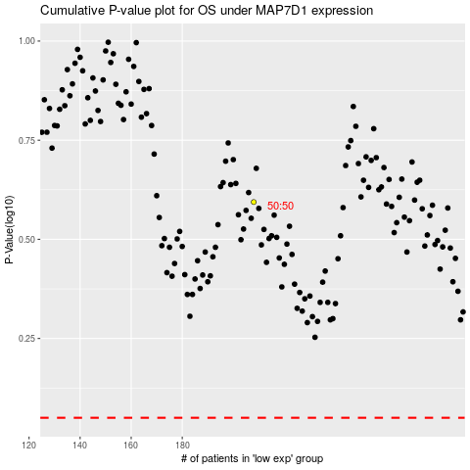

 |  |  |  |  |  | cases_OS | p_OS | rank | exp
 |  |  |  |  |  |  | cases_RFS | p_RFS | rank | exp

