MAPK10 _multivariate
Reported by Tex Li-Hsing Chi. tex@gate.sinica.edu.tw 2019-08-18

Table 2. The clinicopathological features of HNSCC cohort and MAPK10 expression. (Chi square test)
Cutoff at -0.409 (49.8%)
 |  | MAPK10 expression |  | MAPK10 expression |  | (Optimised)
 | Features | Low | (%) | High | (%) | Case no | P-value | Remark | Matthews
Gender | Female | 146 | 35.2 | 160 | 38.6 | 415 | 0.1714 | 0 | 0
2 | Male | 61 | 14.7 | 48 | 11.6
Age at diagnosis | <=65y | 140 | 33.7 | 134 | 32.3 | 415 | 0.5574 | 0 | 0
4 | >65y | 67 | 16.1 | 74 | 17.8
Clinical T Status | T1+T2 | 87 | 21 | 62 | 14.9 | 415 | 0.0127 | 1 | 0
6 | T3+T4 | 120 | 28.9 | 146 | 35.2
Clinical N Status | N0 | 108 | 26 | 108 | 26 | 415 | 1 | 0 | 0
8 | N1-3 | 99 | 23.9 | 100 | 24.1
Clinical M Status | M0 | 206 | 49.6 | 206 | 49.6 | 415 | 1 | 0 | 0
10 | M1 | 1 | 0.2 | 2 | 0.5
Clinical Stage | Stage I+II | 63 | 15.2 | 39 | 9.4 | 415 | 0.008 | 1 | 0
12 | Stage III+IV | 144 | 34.7 | 169 | 40.7
Surgical Margin status | Negative | 156 | 37.6 | 162 | 39 | 415 | 0.5636 | 0 | 0
14 | Positive | 51 | 12.3 | 46 | 11.1
Tobacco Exposure | Low | 92 | 22.2 | 69 | 16.6 | 415 | 0.0206 | 1 | 0
16 | High | 115 | 27.7 | 139 | 33.5

Table 3. Univariate/Multivariate Cox's proportional hazards regression analyses on OS time of MAPK10 gene expression in HNSCC

 |  | Univariate |  |  |  | Multivariate
 | Features | HR | CI95%(L) | CI95%(H) | P-value | HR | CI95%(L) | CI95%(H) | P-value
1 | Female | 1 |  |  |  | 1
Gender | Male | 1.157 | 0.843 | 1.587 | 0.367 | 1.19 | 0.851 | 1.663 | 0.31
11 | <=65y | 1 |  |  |  | 1
Age at diagnosis | >65y | 1.329 | 0.99 | 1.784 | 0.058 | 1.389 | 1.021 | 1.889 | 0.036
12 | T1+T2 | 1 |  |  |  | 1
Clinical T Status | T3+T4 | 1.409 | 1.028 | 1.931 | 0.033 | 2.184 | 1.154 | 4.132 | 0.016
13 | N0 | 1 |  |  |  | 1
Clinical N Status | N1-3 | 1.185 | 0.89 | 1.577 | 0.246 | 1.221 | 0.855 | 1.744 | 0.272
14 | M0 | 1 |  |  |  | 1
Clinical M Status | M1 | 4.097 | 1.009 | 16.644 | 0.049 | 9.473 | 2.067 | 43.417 | 0.004
15 | Stage I+II | 1 |  |  |  | 1
Clinical Stage | Stage III+IV | 1.245 | 0.882 | 1.759 | 0.213 | 0.535 | 0.248 | 1.156 | 0.111
16 | Negative | 1 |  |  |  | 1
Surgical Margin status | Positive | 1.591 | 1.155 | 2.191 | 0.004 | 1.638 | 1.183 | 2.266 | 0.003
17 | Low | 1 |  |  |  | 1
Tobacco Exposure | High | 1.364 | 1.008 | 1.844 | 0.044 | 1.495 | 1.08 | 2.068 | 0.015
18 | Low | 1 |  |  |  | 1
RNAseq(z-score) | High | 0.867 | 0.651 | 1.155 | 0.329 | 0.83 | 0.615 | 1.121 | 0.224

Table 4. Univariate/Multivariate Cox's proportional hazards regression analyses on RFS time of MAPK10 gene expression in HNSCC

 |  | Univariate |  |  |  | Multivariate
 | Features | HR | CI95%(L) | CI95%(H) | P-value | HR | CI95%(L) | CI95%(H) | P-value
1 | Female | 1 |  |  |  | 1
Gender | Male | 1.157 | 0.843 | 1.587 | 0.367 | 1.19 | 0.851 | 1.663 | 0.31
11 | <=65y | 1 |  |  |  | 1
Age at diagnosis | >65y | 1.329 | 0.99 | 1.784 | 0.058 | 1.389 | 1.021 | 1.889 | 0.036
12 | T1+T2 | 1 |  |  |  | 1
Clinical T Status | T3+T4 | 1.409 | 1.028 | 1.931 | 0.033 | 2.184 | 1.154 | 4.132 | 0.016
13 | N0 | 1 |  |  |  | 1
Clinical N Status | N1-3 | 1.185 | 0.89 | 1.577 | 0.246 | 1.221 | 0.855 | 1.744 | 0.272
14 | M0 | 1 |  |  |  | 1
Clinical M Status | M1 | 4.097 | 1.009 | 16.644 | 0.049 | 9.473 | 2.067 | 43.417 | 0.004
15 | Stage I+II | 1 |  |  |  | 1
Clinical Stage | Stage III+IV | 1.245 | 0.882 | 1.759 | 0.213 | 0.535 | 0.248 | 1.156 | 0.111
16 | Negative | 1 |  |  |  | 1
Surgical Margin status | Positive | 1.591 | 1.155 | 2.191 | 0.004 | 1.638 | 1.183 | 2.266 | 0.003
17 | Low | 1 |  |  |  | 1
Tobacco Exposure | High | 1.364 | 1.008 | 1.844 | 0.044 | 1.495 | 1.08 | 2.068 | 0.015
18 | Low | 1 |  |  |  | 1
RNAseq(z-score) | High | 0.867 | 0.651 | 1.155 | 0.329 | 0.83 | 0.615 | 1.121 | 0.224

Kaplan-Meier survival estimate: Cutoff at -0.409 (49.8%)



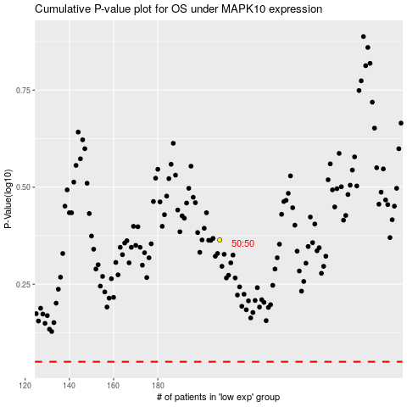

 |  |  |  |  |  | cases_OS | p_OS | rank | exp
 |  |  |  |  |  |  | cases_RFS | p_RFS | rank | exp

