MAPK1IP1L _multivariate
Reported by Tex Li-Hsing Chi. tex@gate.sinica.edu.tw 2019-08-18

Table 2. The clinicopathological features of HNSCC cohort and MAPK1IP1L expression. (Chi square test)
Cutoff at -0.234 (38.6%)
 |  | MAPK1IP1L expression |  | MAPK1IP1L expression |  | (Optimised)
 | Features | Low | (%) | High | (%) | Case no | P-value | Remark | Matthews
Gender | Female | 129 | 31.1 | 177 | 42.7 | 415 | 0.0251 | 1 | 0
2 | Male | 32 | 7.7 | 77 | 18.6
Age at diagnosis | <=65y | 116 | 28 | 158 | 38.1 | 415 | 0.0503 | 0 | 0
4 | >65y | 45 | 10.8 | 96 | 23.1
Clinical T Status | T1+T2 | 55 | 13.3 | 94 | 22.7 | 415 | 0.6284 | 0 | 0
6 | T3+T4 | 106 | 25.5 | 160 | 38.6
Clinical N Status | N0 | 72 | 17.3 | 144 | 34.7 | 415 | 0.0227 | 1 | 0
8 | N1-3 | 89 | 21.4 | 110 | 26.5
Clinical M Status | M0 | 161 | 38.8 | 251 | 60.5 | 415 | 0.2859 | 0 | 0
10 | M1 | 0 | 0 | 3 | 0.7
Clinical Stage | Stage I+II | 33 | 8 | 69 | 16.6 | 415 | 0.1555 | 0 | 0
12 | Stage III+IV | 128 | 30.8 | 185 | 44.6
Surgical Margin status | Negative | 124 | 29.9 | 194 | 46.7 | 415 | 0.9058 | 0 | 0
14 | Positive | 37 | 8.9 | 60 | 14.5
Tobacco Exposure | Low | 54 | 13 | 107 | 25.8 | 415 | 0.098 | 0 | 0
16 | High | 107 | 25.8 | 147 | 35.4

Table 3. Univariate/Multivariate Cox's proportional hazards regression analyses on OS time of MAPK1IP1L gene expression in HNSCC

 |  | Univariate |  |  |  | Multivariate
 | Features | HR | CI95%(L) | CI95%(H) | P-value | HR | CI95%(L) | CI95%(H) | P-value
1 | Female | 1 |  |  |  | 1
Gender | Male | 1.157 | 0.843 | 1.587 | 0.367 | 1.129 | 0.802 | 1.589 | 0.487
11 | <=65y | 1 |  |  |  | 1
Age at diagnosis | >65y | 1.329 | 0.99 | 1.784 | 0.058 | 1.371 | 1.008 | 1.865 | 0.044
12 | T1+T2 | 1 |  |  |  | 1
Clinical T Status | T3+T4 | 1.409 | 1.028 | 1.931 | 0.033 | 2.183 | 1.154 | 4.129 | 0.016
13 | N0 | 1 |  |  |  | 1
Clinical N Status | N1-3 | 1.185 | 0.89 | 1.577 | 0.246 | 1.303 | 0.911 | 1.866 | 0.147
14 | M0 | 1 |  |  |  | 1
Clinical M Status | M1 | 4.097 | 1.009 | 16.644 | 0.049 | 7.95 | 1.723 | 36.692 | 0.008
15 | Stage I+II | 1 |  |  |  | 1
Clinical Stage | Stage III+IV | 1.245 | 0.882 | 1.759 | 0.213 | 0.503 | 0.234 | 1.081 | 0.078
16 | Negative | 1 |  |  |  | 1
Surgical Margin status | Positive | 1.591 | 1.155 | 2.191 | 0.004 | 1.658 | 1.2 | 2.29 | 0.002
17 | Low | 1 |  |  |  | 1
Tobacco Exposure | High | 1.364 | 1.008 | 1.844 | 0.044 | 1.467 | 1.063 | 2.025 | 0.02
18 | Low | 1 |  |  |  | 1
RNAseq(z-score) | High | 1.42 | 1.043 | 1.933 | 0.026 | 1.397 | 1.016 | 1.921 | 0.04

Table 4. Univariate/Multivariate Cox's proportional hazards regression analyses on RFS time of MAPK1IP1L gene expression in HNSCC

 |  | Univariate |  |  |  | Multivariate
 | Features | HR | CI95%(L) | CI95%(H) | P-value | HR | CI95%(L) | CI95%(H) | P-value
1 | Female | 1 |  |  |  | 1
Gender | Male | 1.157 | 0.843 | 1.587 | 0.367 | 1.129 | 0.802 | 1.589 | 0.487
11 | <=65y | 1 |  |  |  | 1
Age at diagnosis | >65y | 1.329 | 0.99 | 1.784 | 0.058 | 1.371 | 1.008 | 1.865 | 0.044
12 | T1+T2 | 1 |  |  |  | 1
Clinical T Status | T3+T4 | 1.409 | 1.028 | 1.931 | 0.033 | 2.183 | 1.154 | 4.129 | 0.016
13 | N0 | 1 |  |  |  | 1
Clinical N Status | N1-3 | 1.185 | 0.89 | 1.577 | 0.246 | 1.303 | 0.911 | 1.866 | 0.147
14 | M0 | 1 |  |  |  | 1
Clinical M Status | M1 | 4.097 | 1.009 | 16.644 | 0.049 | 7.95 | 1.723 | 36.692 | 0.008
15 | Stage I+II | 1 |  |  |  | 1
Clinical Stage | Stage III+IV | 1.245 | 0.882 | 1.759 | 0.213 | 0.503 | 0.234 | 1.081 | 0.078
16 | Negative | 1 |  |  |  | 1
Surgical Margin status | Positive | 1.591 | 1.155 | 2.191 | 0.004 | 1.658 | 1.2 | 2.29 | 0.002
17 | Low | 1 |  |  |  | 1
Tobacco Exposure | High | 1.364 | 1.008 | 1.844 | 0.044 | 1.467 | 1.063 | 2.025 | 0.02
18 | Low | 1 |  |  |  | 1
RNAseq(z-score) | High | 1.42 | 1.043 | 1.933 | 0.026 | 1.397 | 1.016 | 1.921 | 0.04

Kaplan-Meier survival estimate: Cutoff at -0.234 (38.6%)

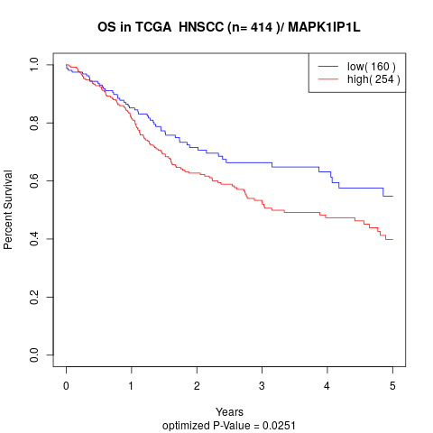

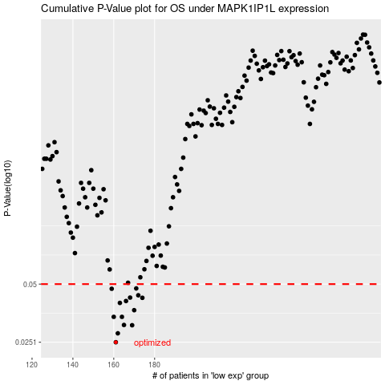

 |  |  |  |  |  | cases_OS | p_OS | rank | exp
 |  |  |  |  |  | 161 | 0.0251 | 72 | -0.23403290355
 |  |  |  |  |  | 162 | 0.0279 | 398 | -0.22918697049
 |  |  |  |  |  | 169 | 0.0307 | 48 | -0.18763563807
 |  |  |  |  |  | 165 | 0.0308 | 302 | -0.20481086174
 |  |  |  |  |  | 160 | 0.0339 | 111 | -0.24357255817
 |  |  |  |  |  | 164 | 0.0339 | 332 | -0.21609950645
 |  |  |  |  |  | 170 | 0.0367 | 284 | -0.17986307868
 |  |  |  |  |  | 163 | 0.04 | 268 | -0.22475152778
 |  |  |  |  |  | 166 | 0.0409 | 107 | -0.20419608755
 |  |  |  |  |  | 174 | 0.0425 | 225 | -0.17119391354
 |  |  |  |  |  | 168 | 0.0426 | 35 | -0.19405687989
 |  |  |  |  |  | 172 | 0.0438 | 375 | -0.17843902006
 |  |  |  |  |  | 159 | 0.0473 | 63 | -0.25080612867
 |  |  |  |  |  | 171 | 0.0475 | 395 | -0.17976422133
 |  |  |  |  |  |  | cases_RFS | p_RFS | rank | exp
 |  |  |  |  |  |  | 160 | 0.0251 | 111 | -0.24357255817
 |  |  |  |  |  |  | 161 | 0.0279 | 72 | -0.23403290355
 |  |  |  |  |  |  | 168 | 0.0307 | 35 | -0.19405687989
 |  |  |  |  |  |  | 164 | 0.0308 | 332 | -0.21609950645
 |  |  |  |  |  |  | 159 | 0.0339 | 63 | -0.25080612867
 |  |  |  |  |  |  | 163 | 0.0339 | 268 | -0.22475152778
 |  |  |  |  |  |  | 169 | 0.0367 | 48 | -0.18763563807
 |  |  |  |  |  |  | 162 | 0.04 | 398 | -0.22918697049
 |  |  |  |  |  |  | 165 | 0.0409 | 302 | -0.20481086174
 |  |  |  |  |  |  | 173 | 0.0425 | 41 | -0.17646507742
 |  |  |  |  |  |  | 167 | 0.0426 | 392 | -0.19601175605
 |  |  |  |  |  |  | 171 | 0.0438 | 395 | -0.17976422133
 |  |  |  |  |  |  | 158 | 0.0473 | 106 | -0.25340894509
 |  |  |  |  |  |  | 170 | 0.0475 | 284 | -0.17986307868

