MAPK8 _multivariate
Reported by Tex Li-Hsing Chi. tex@gate.sinica.edu.tw 2019-08-18

Table 2. The clinicopathological features of HNSCC cohort and MAPK8 expression. (Chi square test)
Cutoff at -0.063 (50.0%)
 |  | MAPK8 expression |  | MAPK8 expression |  | (Optimised)
 | Features | Low | (%) | High | (%) | Case no | P-value | Remark | Matthews
Gender | Female | 152 | 36.6 | 154 | 37.1 | 415 | 0.9766 | 0 | 0
2 | Male | 55 | 13.3 | 54 | 13
Age at diagnosis | <=65y | 132 | 31.8 | 142 | 34.2 | 415 | 0.3874 | 0 | 0
4 | >65y | 75 | 18.1 | 66 | 15.9
Clinical T Status | T1+T2 | 72 | 17.3 | 77 | 18.6 | 415 | 0.7095 | 0 | 0
6 | T3+T4 | 135 | 32.5 | 131 | 31.6
Clinical N Status | N0 | 118 | 28.4 | 98 | 23.6 | 415 | 0.0551 | 1 | 0
8 | N1-3 | 89 | 21.4 | 110 | 26.5
Clinical M Status | M0 | 204 | 49.2 | 208 | 50.1 | 415 | 0.1232 | 0 | 0
10 | M1 | 3 | 0.7 | 0 | 0
Clinical Stage | Stage I+II | 50 | 12 | 52 | 12.5 | 415 | 0.9315 | 0 | 0
12 | Stage III+IV | 157 | 37.8 | 156 | 37.6
Surgical Margin status | Negative | 162 | 39 | 156 | 37.6 | 415 | 0.4867 | 0 | 0
14 | Positive | 45 | 10.8 | 52 | 12.5
Tobacco Exposure | Low | 84 | 20.2 | 77 | 18.6 | 415 | 0.4816 | 0 | 0
16 | High | 123 | 29.6 | 131 | 31.6

Table 3. Univariate/Multivariate Cox's proportional hazards regression analyses on OS time of MAPK8 gene expression in HNSCC

 |  | Univariate |  |  |  | Multivariate
 | Features | HR | CI95%(L) | CI95%(H) | P-value | HR | CI95%(L) | CI95%(H) | P-value
1 | Female | 1 |  |  |  | 1
Gender | Male | 1.157 | 0.843 | 1.587 | 0.367 | 1.204 | 0.862 | 1.681 | 0.276
11 | <=65y | 1 |  |  |  | 1
Age at diagnosis | >65y | 1.329 | 0.99 | 1.784 | 0.058 | 1.394 | 1.025 | 1.895 | 0.034
12 | T1+T2 | 1 |  |  |  | 1
Clinical T Status | T3+T4 | 1.409 | 1.028 | 1.931 | 0.033 | 2.21 | 1.169 | 4.18 | 0.015
13 | N0 | 1 |  |  |  | 1
Clinical N Status | N1-3 | 1.185 | 0.89 | 1.577 | 0.246 | 1.225 | 0.856 | 1.753 | 0.267
14 | M0 | 1 |  |  |  | 1
Clinical M Status | M1 | 4.097 | 1.009 | 16.644 | 0.049 | 9.947 | 2.145 | 46.141 | 0.003
15 | Stage I+II | 1 |  |  |  | 1
Clinical Stage | Stage III+IV | 1.245 | 0.882 | 1.759 | 0.213 | 0.504 | 0.235 | 1.083 | 0.079
16 | Negative | 1 |  |  |  | 1
Surgical Margin status | Positive | 1.591 | 1.155 | 2.191 | 0.004 | 1.675 | 1.212 | 2.314 | 0.002
17 | Low | 1 |  |  |  | 1
Tobacco Exposure | High | 1.364 | 1.008 | 1.844 | 0.044 | 1.455 | 1.057 | 2.004 | 0.022
18 | Low | 1 |  |  |  | 1
RNAseq(z-score) | High | 1.066 | 0.798 | 1.424 | 0.667 | 1.093 | 0.814 | 1.467 | 0.556

Table 4. Univariate/Multivariate Cox's proportional hazards regression analyses on RFS time of MAPK8 gene expression in HNSCC

 |  | Univariate |  |  |  | Multivariate
 | Features | HR | CI95%(L) | CI95%(H) | P-value | HR | CI95%(L) | CI95%(H) | P-value
1 | Female | 1 |  |  |  | 1
Gender | Male | 1.157 | 0.843 | 1.587 | 0.367 | 1.204 | 0.862 | 1.681 | 0.276
11 | <=65y | 1 |  |  |  | 1
Age at diagnosis | >65y | 1.329 | 0.99 | 1.784 | 0.058 | 1.394 | 1.025 | 1.895 | 0.034
12 | T1+T2 | 1 |  |  |  | 1
Clinical T Status | T3+T4 | 1.409 | 1.028 | 1.931 | 0.033 | 2.21 | 1.169 | 4.18 | 0.015
13 | N0 | 1 |  |  |  | 1
Clinical N Status | N1-3 | 1.185 | 0.89 | 1.577 | 0.246 | 1.225 | 0.856 | 1.753 | 0.267
14 | M0 | 1 |  |  |  | 1
Clinical M Status | M1 | 4.097 | 1.009 | 16.644 | 0.049 | 9.947 | 2.145 | 46.141 | 0.003
15 | Stage I+II | 1 |  |  |  | 1
Clinical Stage | Stage III+IV | 1.245 | 0.882 | 1.759 | 0.213 | 0.504 | 0.235 | 1.083 | 0.079
16 | Negative | 1 |  |  |  | 1
Surgical Margin status | Positive | 1.591 | 1.155 | 2.191 | 0.004 | 1.675 | 1.212 | 2.314 | 0.002
17 | Low | 1 |  |  |  | 1
Tobacco Exposure | High | 1.364 | 1.008 | 1.844 | 0.044 | 1.455 | 1.057 | 2.004 | 0.022
18 | Low | 1 |  |  |  | 1
RNAseq(z-score) | High | 1.066 | 0.798 | 1.424 | 0.667 | 1.093 | 0.814 | 1.467 | 0.556

Kaplan-Meier survival estimate: Cutoff at -0.063 (50.0%)



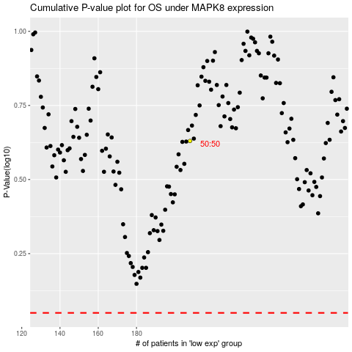

 |  |  |  |  |  | cases_OS | p_OS | rank | exp
 |  |  |  |  |  |  | cases_RFS | p_RFS | rank | exp

