MAPK9 _multivariate
Reported by Tex Li-Hsing Chi. tex@gate.sinica.edu.tw 2019-08-18

Table 2. The clinicopathological features of HNSCC cohort and MAPK9 expression. (Chi square test)
Cutoff at -0.148 (49.8%)
 |  | MAPK9 expression |  | MAPK9 expression |  | (Optimised)
 | Features | Low | (%) | High | (%) | Case no | P-value | Remark | Matthews
Gender | Female | 148 | 35.7 | 158 | 38.1 | 415 | 0.3567 | 0 | 0
2 | Male | 59 | 14.2 | 50 | 12
Age at diagnosis | <=65y | 137 | 33 | 137 | 33 | 415 | 1 | 0 | 0
4 | >65y | 70 | 16.9 | 71 | 17.1
Clinical T Status | T1+T2 | 73 | 17.6 | 76 | 18.3 | 415 | 0.8666 | 0 | 0
6 | T3+T4 | 134 | 32.3 | 132 | 31.8
Clinical N Status | N0 | 114 | 27.5 | 102 | 24.6 | 415 | 0.2576 | 1 | 0
8 | N1-3 | 93 | 22.4 | 106 | 25.5
Clinical M Status | M0 | 206 | 49.6 | 206 | 49.6 | 415 | 1 | 0 | 0
10 | M1 | 1 | 0.2 | 2 | 0.5
Clinical Stage | Stage I+II | 58 | 14 | 44 | 10.6 | 415 | 0.131 | 0 | 0
12 | Stage III+IV | 149 | 35.9 | 164 | 39.5
Surgical Margin status | Negative | 168 | 40.5 | 150 | 36.1 | 415 | 0.0366 | 1 | 0
14 | Positive | 39 | 9.4 | 58 | 14
Tobacco Exposure | Low | 83 | 20 | 78 | 18.8 | 415 | 0.6152 | 0 | 0
16 | High | 124 | 29.9 | 130 | 31.3

Table 3. Univariate/Multivariate Cox's proportional hazards regression analyses on OS time of MAPK9 gene expression in HNSCC

 |  | Univariate |  |  |  | Multivariate
 | Features | HR | CI95%(L) | CI95%(H) | P-value | HR | CI95%(L) | CI95%(H) | P-value
1 | Female | 1 |  |  |  | 1
Gender | Male | 1.157 | 0.843 | 1.587 | 0.367 | 1.233 | 0.883 | 1.723 | 0.219
11 | <=65y | 1 |  |  |  | 1
Age at diagnosis | >65y | 1.329 | 0.99 | 1.784 | 0.058 | 1.395 | 1.026 | 1.898 | 0.034
12 | T1+T2 | 1 |  |  |  | 1
Clinical T Status | T3+T4 | 1.409 | 1.028 | 1.931 | 0.033 | 2.244 | 1.186 | 4.244 | 0.013
13 | N0 | 1 |  |  |  | 1
Clinical N Status | N1-3 | 1.185 | 0.89 | 1.577 | 0.246 | 1.237 | 0.867 | 1.765 | 0.241
14 | M0 | 1 |  |  |  | 1
Clinical M Status | M1 | 4.097 | 1.009 | 16.644 | 0.049 | 9.469 | 2.066 | 43.395 | 0.004
15 | Stage I+II | 1 |  |  |  | 1
Clinical Stage | Stage III+IV | 1.245 | 0.882 | 1.759 | 0.213 | 0.495 | 0.23 | 1.062 | 0.071
16 | Negative | 1 |  |  |  | 1
Surgical Margin status | Positive | 1.591 | 1.155 | 2.191 | 0.004 | 1.627 | 1.175 | 2.252 | 0.003
17 | Low | 1 |  |  |  | 1
Tobacco Exposure | High | 1.364 | 1.008 | 1.844 | 0.044 | 1.49 | 1.079 | 2.057 | 0.015
18 | Low | 1 |  |  |  | 1
RNAseq(z-score) | High | 1.189 | 0.892 | 1.585 | 0.237 | 1.24 | 0.924 | 1.664 | 0.151

Table 4. Univariate/Multivariate Cox's proportional hazards regression analyses on RFS time of MAPK9 gene expression in HNSCC

 |  | Univariate |  |  |  | Multivariate
 | Features | HR | CI95%(L) | CI95%(H) | P-value | HR | CI95%(L) | CI95%(H) | P-value
1 | Female | 1 |  |  |  | 1
Gender | Male | 1.157 | 0.843 | 1.587 | 0.367 | 1.233 | 0.883 | 1.723 | 0.219
11 | <=65y | 1 |  |  |  | 1
Age at diagnosis | >65y | 1.329 | 0.99 | 1.784 | 0.058 | 1.395 | 1.026 | 1.898 | 0.034
12 | T1+T2 | 1 |  |  |  | 1
Clinical T Status | T3+T4 | 1.409 | 1.028 | 1.931 | 0.033 | 2.244 | 1.186 | 4.244 | 0.013
13 | N0 | 1 |  |  |  | 1
Clinical N Status | N1-3 | 1.185 | 0.89 | 1.577 | 0.246 | 1.237 | 0.867 | 1.765 | 0.241
14 | M0 | 1 |  |  |  | 1
Clinical M Status | M1 | 4.097 | 1.009 | 16.644 | 0.049 | 9.469 | 2.066 | 43.395 | 0.004
15 | Stage I+II | 1 |  |  |  | 1
Clinical Stage | Stage III+IV | 1.245 | 0.882 | 1.759 | 0.213 | 0.495 | 0.23 | 1.062 | 0.071
16 | Negative | 1 |  |  |  | 1
Surgical Margin status | Positive | 1.591 | 1.155 | 2.191 | 0.004 | 1.627 | 1.175 | 2.252 | 0.003
17 | Low | 1 |  |  |  | 1
Tobacco Exposure | High | 1.364 | 1.008 | 1.844 | 0.044 | 1.49 | 1.079 | 2.057 | 0.015
18 | Low | 1 |  |  |  | 1
RNAseq(z-score) | High | 1.189 | 0.892 | 1.585 | 0.237 | 1.24 | 0.924 | 1.664 | 0.151

Kaplan-Meier survival estimate: Cutoff at -0.148 (49.8%)



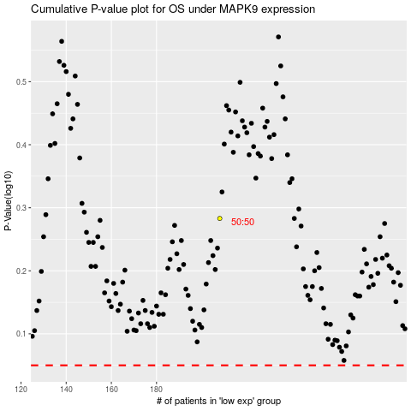

 |  |  |  |  |  | cases_OS | p_OS | rank | exp
 |  |  |  |  |  |  | cases_RFS | p_RFS | rank | exp

