MAPKAP1 _multivariate
Reported by Tex Li-Hsing Chi. tex@gate.sinica.edu.tw 2019-08-18

Table 2. The clinicopathological features of HNSCC cohort and MAPKAP1 expression. (Chi square test)
Cutoff at -0.03 (52.4%)
 |  | MAPKAP1 expression |  | MAPKAP1 expression |  | (Optimised)
 | Features | Low | (%) | High | (%) | Case no | P-value | Remark | Matthews
Gender | Female | 158 | 38.1 | 148 | 35.7 | 415 | 0.6165 | 0 | 0
2 | Male | 60 | 14.5 | 49 | 11.8
Age at diagnosis | <=65y | 147 | 35.4 | 127 | 30.6 | 415 | 0.5941 | 0 | 0
4 | >65y | 71 | 17.1 | 70 | 16.9
Clinical T Status | T1+T2 | 75 | 18.1 | 74 | 17.8 | 415 | 0.5703 | 0 | 0
6 | T3+T4 | 143 | 34.5 | 123 | 29.6
Clinical N Status | N0 | 104 | 25.1 | 112 | 27 | 415 | 0.0777 | 0 | 0
8 | N1-3 | 114 | 27.5 | 85 | 20.5
Clinical M Status | M0 | 217 | 52.3 | 195 | 47 | 415 | 0.606 | 0 | 0
10 | M1 | 1 | 0.2 | 2 | 0.5
Clinical Stage | Stage I+II | 48 | 11.6 | 54 | 13 | 415 | 0.246 | 0 | 0
12 | Stage III+IV | 170 | 41 | 143 | 34.5
Surgical Margin status | Negative | 169 | 40.7 | 149 | 35.9 | 415 | 0.7277 | 0 | 0
14 | Positive | 49 | 11.8 | 48 | 11.6
Tobacco Exposure | Low | 93 | 22.4 | 68 | 16.4 | 415 | 0.1065 | 0 | 0
16 | High | 125 | 30.1 | 129 | 31.1

Table 3. Univariate/Multivariate Cox's proportional hazards regression analyses on OS time of MAPKAP1 gene expression in HNSCC

 |  | Univariate |  |  |  | Multivariate
 | Features | HR | CI95%(L) | CI95%(H) | P-value | HR | CI95%(L) | CI95%(H) | P-value
1 | Female | 1 |  |  |  | 1
Gender | Male | 1.157 | 0.843 | 1.587 | 0.367 | 1.206 | 0.861 | 1.688 | 0.275
11 | <=65y | 1 |  |  |  | 1
Age at diagnosis | >65y | 1.329 | 0.99 | 1.784 | 0.058 | 1.362 | 1.001 | 1.854 | 0.049
12 | T1+T2 | 1 |  |  |  | 1
Clinical T Status | T3+T4 | 1.409 | 1.028 | 1.931 | 0.033 | 2.256 | 1.191 | 4.273 | 0.013
13 | N0 | 1 |  |  |  | 1
Clinical N Status | N1-3 | 1.185 | 0.89 | 1.577 | 0.246 | 1.28 | 0.895 | 1.83 | 0.176
14 | M0 | 1 |  |  |  | 1
Clinical M Status | M1 | 4.097 | 1.009 | 16.644 | 0.049 | 9.102 | 1.983 | 41.77 | 0.004
15 | Stage I+II | 1 |  |  |  | 1
Clinical Stage | Stage III+IV | 1.245 | 0.882 | 1.759 | 0.213 | 0.498 | 0.232 | 1.07 | 0.074
16 | Negative | 1 |  |  |  | 1
Surgical Margin status | Positive | 1.591 | 1.155 | 2.191 | 0.004 | 1.662 | 1.201 | 2.299 | 0.002
17 | Low | 1 |  |  |  | 1
Tobacco Exposure | High | 1.364 | 1.008 | 1.844 | 0.044 | 1.395 | 1.009 | 1.93 | 0.044
18 | Low | 1 |  |  |  | 1
RNAseq(z-score) | High | 1.389 | 1.039 | 1.855 | 0.026 | 1.361 | 1.014 | 1.826 | 0.04

Table 4. Univariate/Multivariate Cox's proportional hazards regression analyses on RFS time of MAPKAP1 gene expression in HNSCC

 |  | Univariate |  |  |  | Multivariate
 | Features | HR | CI95%(L) | CI95%(H) | P-value | HR | CI95%(L) | CI95%(H) | P-value
1 | Female | 1 |  |  |  | 1
Gender | Male | 1.157 | 0.843 | 1.587 | 0.367 | 1.206 | 0.861 | 1.688 | 0.275
11 | <=65y | 1 |  |  |  | 1
Age at diagnosis | >65y | 1.329 | 0.99 | 1.784 | 0.058 | 1.362 | 1.001 | 1.854 | 0.049
12 | T1+T2 | 1 |  |  |  | 1
Clinical T Status | T3+T4 | 1.409 | 1.028 | 1.931 | 0.033 | 2.256 | 1.191 | 4.273 | 0.013
13 | N0 | 1 |  |  |  | 1
Clinical N Status | N1-3 | 1.185 | 0.89 | 1.577 | 0.246 | 1.28 | 0.895 | 1.83 | 0.176
14 | M0 | 1 |  |  |  | 1
Clinical M Status | M1 | 4.097 | 1.009 | 16.644 | 0.049 | 9.102 | 1.983 | 41.77 | 0.004
15 | Stage I+II | 1 |  |  |  | 1
Clinical Stage | Stage III+IV | 1.245 | 0.882 | 1.759 | 0.213 | 0.498 | 0.232 | 1.07 | 0.074
16 | Negative | 1 |  |  |  | 1
Surgical Margin status | Positive | 1.591 | 1.155 | 2.191 | 0.004 | 1.662 | 1.201 | 2.299 | 0.002
17 | Low | 1 |  |  |  | 1
Tobacco Exposure | High | 1.364 | 1.008 | 1.844 | 0.044 | 1.395 | 1.009 | 1.93 | 0.044
18 | Low | 1 |  |  |  | 1
RNAseq(z-score) | High | 1.389 | 1.039 | 1.855 | 0.026 | 1.361 | 1.014 | 1.826 | 0.04

Kaplan-Meier survival estimate: Cutoff at -0.03 (52.4%)

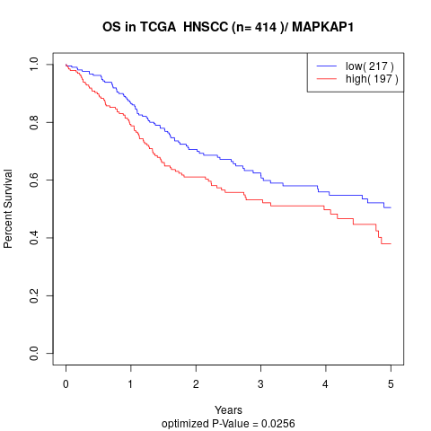

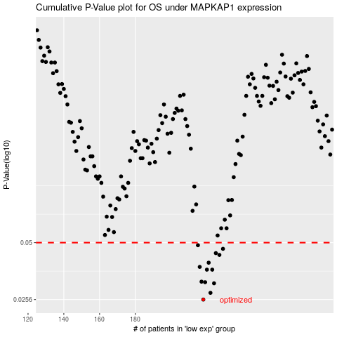

 |  |  |  |  |  | cases_OS | p_OS | rank | exp
 |  |  |  |  |  | 218 | 0.0256 | 338 | -0.030301728378
 |  |  |  |  |  | 222 | 0.0277 | 208 | -0.0097259694829
 |  |  |  |  |  | 224 | 0.031 | 398 | -0.0066057245203
 |  |  |  |  |  | 219 | 0.0314 | 3 | -0.029780452443
 |  |  |  |  |  | 217 | 0.0316 | 83 | -0.032021902815
 |  |  |  |  |  | 220 | 0.0364 | 72 | -0.021904377934
 |  |  |  |  |  | 223 | 0.0364 | 317 | -0.0070442180776
 |  |  |  |  |  | 216 | 0.0376 | 290 | -0.033305933413
 |  |  |  |  |  | 221 | 0.0395 | 110 | -0.019108213329
 |  |  |  |  |  | 227 | 0.0433 | 377 | 0.0016810084229
 |  |  |  |  |  | 225 | 0.0442 | 107 | -0.00013875791452
 |  |  |  |  |  | 229 | 0.0465 | 247 | 0.0022754871162
 |  |  |  |  |  | 215 | 0.0485 | 193 | -0.039709276881
 |  |  |  |  |  |  | cases_RFS | p_RFS | rank | exp
 |  |  |  |  |  |  | 217 | 0.0256 | 83 | -0.032021902815
 |  |  |  |  |  |  | 221 | 0.0277 | 110 | -0.019108213329
 |  |  |  |  |  |  | 223 | 0.031 | 317 | -0.0070442180776
 |  |  |  |  |  |  | 218 | 0.0314 | 338 | -0.030301728378
 |  |  |  |  |  |  | 216 | 0.0316 | 290 | -0.033305933413
 |  |  |  |  |  |  | 219 | 0.0364 | 3 | -0.029780452443
 |  |  |  |  |  |  | 222 | 0.0364 | 208 | -0.0097259694829
 |  |  |  |  |  |  | 215 | 0.0376 | 193 | -0.039709276881
 |  |  |  |  |  |  | 220 | 0.0395 | 72 | -0.021904377934
 |  |  |  |  |  |  | 226 | 0.0433 | 151 | -1.3499862095E-05
 |  |  |  |  |  |  | 224 | 0.0442 | 398 | -0.0066057245203
 |  |  |  |  |  |  | 228 | 0.0465 | 141 | 0.0018442234609
 |  |  |  |  |  |  | 214 | 0.0485 | 230 | -0.047541248988

