MAPKAPK5 _multivariate
Reported by Tex Li-Hsing Chi. tex@gate.sinica.edu.tw 2019-08-18

Table 2. The clinicopathological features of HNSCC cohort and MAPKAPK5 expression. (Chi square test)
Cutoff at -0.113 (49.8%)
 |  | MAPKAPK5 expression |  | MAPKAPK5 expression |  | (Optimised)
 | Features | Low | (%) | High | (%) | Case no | P-value | Remark | Matthews
Gender | Female | 144 | 34.7 | 162 | 39 | 415 | 0.0697 | 0 | 0
2 | Male | 63 | 15.2 | 46 | 11.1
Age at diagnosis | <=65y | 134 | 32.3 | 140 | 33.7 | 415 | 0.6529 | 0 | 0
4 | >65y | 73 | 17.6 | 68 | 16.4
Clinical T Status | T1+T2 | 80 | 19.3 | 69 | 16.6 | 415 | 0.2891 | 0 | 0
6 | T3+T4 | 127 | 30.6 | 139 | 33.5
Clinical N Status | N0 | 107 | 25.8 | 109 | 26.3 | 415 | 0.9624 | 0 | 0
8 | N1-3 | 100 | 24.1 | 99 | 23.9
Clinical M Status | M0 | 206 | 49.6 | 206 | 49.6 | 415 | 1 | 0 | 0
10 | M1 | 1 | 0.2 | 2 | 0.5
Clinical Stage | Stage I+II | 56 | 13.5 | 46 | 11.1 | 415 | 0.2918 | 0 | 0
12 | Stage III+IV | 151 | 36.4 | 162 | 39
Surgical Margin status | Negative | 166 | 40 | 152 | 36.6 | 415 | 0.1042 | 0 | 0
14 | Positive | 41 | 9.9 | 56 | 13.5
Tobacco Exposure | Low | 86 | 20.7 | 75 | 18.1 | 415 | 0.2687 | 0 | 0
16 | High | 121 | 29.2 | 133 | 32

Table 3. Univariate/Multivariate Cox's proportional hazards regression analyses on OS time of MAPKAPK5 gene expression in HNSCC

 |  | Univariate |  |  |  | Multivariate
 | Features | HR | CI95%(L) | CI95%(H) | P-value | HR | CI95%(L) | CI95%(H) | P-value
1 | Female | 1 |  |  |  | 1
Gender | Male | 1.157 | 0.843 | 1.587 | 0.367 | 1.207 | 0.863 | 1.688 | 0.272
11 | <=65y | 1 |  |  |  | 1
Age at diagnosis | >65y | 1.329 | 0.99 | 1.784 | 0.058 | 1.392 | 1.024 | 1.892 | 0.035
12 | T1+T2 | 1 |  |  |  | 1
Clinical T Status | T3+T4 | 1.409 | 1.028 | 1.931 | 0.033 | 2.201 | 1.164 | 4.161 | 0.015
13 | N0 | 1 |  |  |  | 1
Clinical N Status | N1-3 | 1.185 | 0.89 | 1.577 | 0.246 | 1.245 | 0.872 | 1.778 | 0.228
14 | M0 | 1 |  |  |  | 1
Clinical M Status | M1 | 4.097 | 1.009 | 16.644 | 0.049 | 9.366 | 2.043 | 42.946 | 0.004
15 | Stage I+II | 1 |  |  |  | 1
Clinical Stage | Stage III+IV | 1.245 | 0.882 | 1.759 | 0.213 | 0.503 | 0.234 | 1.081 | 0.078
16 | Negative | 1 |  |  |  | 1
Surgical Margin status | Positive | 1.591 | 1.155 | 2.191 | 0.004 | 1.658 | 1.193 | 2.303 | 0.003
17 | Low | 1 |  |  |  | 1
Tobacco Exposure | High | 1.364 | 1.008 | 1.844 | 0.044 | 1.45 | 1.052 | 1.998 | 0.023
18 | Low | 1 |  |  |  | 1
RNAseq(z-score) | High | 1.12 | 0.841 | 1.492 | 0.438 | 1.042 | 0.776 | 1.398 | 0.787

Table 4. Univariate/Multivariate Cox's proportional hazards regression analyses on RFS time of MAPKAPK5 gene expression in HNSCC

 |  | Univariate |  |  |  | Multivariate
 | Features | HR | CI95%(L) | CI95%(H) | P-value | HR | CI95%(L) | CI95%(H) | P-value
1 | Female | 1 |  |  |  | 1
Gender | Male | 1.157 | 0.843 | 1.587 | 0.367 | 1.207 | 0.863 | 1.688 | 0.272
11 | <=65y | 1 |  |  |  | 1
Age at diagnosis | >65y | 1.329 | 0.99 | 1.784 | 0.058 | 1.392 | 1.024 | 1.892 | 0.035
12 | T1+T2 | 1 |  |  |  | 1
Clinical T Status | T3+T4 | 1.409 | 1.028 | 1.931 | 0.033 | 2.201 | 1.164 | 4.161 | 0.015
13 | N0 | 1 |  |  |  | 1
Clinical N Status | N1-3 | 1.185 | 0.89 | 1.577 | 0.246 | 1.245 | 0.872 | 1.778 | 0.228
14 | M0 | 1 |  |  |  | 1
Clinical M Status | M1 | 4.097 | 1.009 | 16.644 | 0.049 | 9.366 | 2.043 | 42.946 | 0.004
15 | Stage I+II | 1 |  |  |  | 1
Clinical Stage | Stage III+IV | 1.245 | 0.882 | 1.759 | 0.213 | 0.503 | 0.234 | 1.081 | 0.078
16 | Negative | 1 |  |  |  | 1
Surgical Margin status | Positive | 1.591 | 1.155 | 2.191 | 0.004 | 1.658 | 1.193 | 2.303 | 0.003
17 | Low | 1 |  |  |  | 1
Tobacco Exposure | High | 1.364 | 1.008 | 1.844 | 0.044 | 1.45 | 1.052 | 1.998 | 0.023
18 | Low | 1 |  |  |  | 1
RNAseq(z-score) | High | 1.12 | 0.841 | 1.492 | 0.438 | 1.042 | 0.776 | 1.398 | 0.787

Kaplan-Meier survival estimate: Cutoff at -0.113 (49.8%)



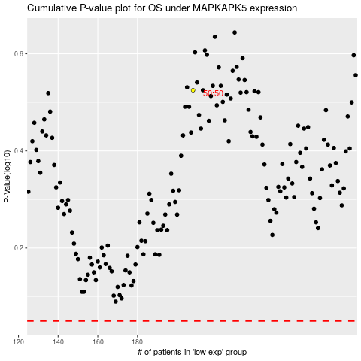

 |  |  |  |  |  | cases_OS | p_OS | rank | exp
 |  |  |  |  |  |  | cases_RFS | p_RFS | rank | exp

