MAPRE1 _multivariate
Reported by Tex Li-Hsing Chi. tex@gate.sinica.edu.tw 2019-08-18

Table 2. The clinicopathological features of HNSCC cohort and MAPRE1 expression. (Chi square test)
Cutoff at -0.433 (32.1%)
 |  | MAPRE1 expression |  | MAPRE1 expression |  | (Optimised)
 | Features | Low | (%) | High | (%) | Case no | P-value | Remark | Matthews
Gender | Female | 99 | 23.9 | 207 | 49.9 | 415 | 0.9177 | 0 | 0
2 | Male | 34 | 8.2 | 75 | 18.1
Age at diagnosis | <=65y | 87 | 21 | 187 | 45.1 | 415 | 0.9447 | 0 | 0
4 | >65y | 46 | 11.1 | 95 | 22.9
Clinical T Status | T1+T2 | 53 | 12.8 | 96 | 23.1 | 415 | 0.2978 | 0 | 0
6 | T3+T4 | 80 | 19.3 | 186 | 44.8
Clinical N Status | N0 | 80 | 19.3 | 136 | 32.8 | 415 | 0.0305 | 1 | 0
8 | N1-3 | 53 | 12.8 | 146 | 35.2
Clinical M Status | M0 | 132 | 31.8 | 280 | 67.5 | 415 | 1 | 0 | 0
10 | M1 | 1 | 0.2 | 2 | 0.5
Clinical Stage | Stage I+II | 37 | 8.9 | 65 | 15.7 | 415 | 0.3518 | 0 | 0
12 | Stage III+IV | 96 | 23.1 | 217 | 52.3
Surgical Margin status | Negative | 104 | 25.1 | 214 | 51.6 | 415 | 0.7094 | 0 | 0
14 | Positive | 29 | 7 | 68 | 16.4
Tobacco Exposure | Low | 62 | 14.9 | 99 | 23.9 | 415 | 0.0307 | 1 | 0
16 | High | 71 | 17.1 | 183 | 44.1

Table 3. Univariate/Multivariate Cox's proportional hazards regression analyses on OS time of MAPRE1 gene expression in HNSCC

 |  | Univariate |  |  |  | Multivariate
 | Features | HR | CI95%(L) | CI95%(H) | P-value | HR | CI95%(L) | CI95%(H) | P-value
1 | Female | 1 |  |  |  | 1
Gender | Male | 1.157 | 0.843 | 1.587 | 0.367 | 1.213 | 0.871 | 1.689 | 0.252
11 | <=65y | 1 |  |  |  | 1
Age at diagnosis | >65y | 1.329 | 0.99 | 1.784 | 0.058 | 1.383 | 1.017 | 1.88 | 0.038
12 | T1+T2 | 1 |  |  |  | 1
Clinical T Status | T3+T4 | 1.409 | 1.028 | 1.931 | 0.033 | 2.184 | 1.155 | 4.129 | 0.016
13 | N0 | 1 |  |  |  | 1
Clinical N Status | N1-3 | 1.185 | 0.89 | 1.577 | 0.246 | 1.213 | 0.851 | 1.73 | 0.285
14 | M0 | 1 |  |  |  | 1
Clinical M Status | M1 | 4.097 | 1.009 | 16.644 | 0.049 | 9.083 | 1.979 | 41.69 | 0.005
15 | Stage I+II | 1 |  |  |  | 1
Clinical Stage | Stage III+IV | 1.245 | 0.882 | 1.759 | 0.213 | 0.51 | 0.238 | 1.092 | 0.083
16 | Negative | 1 |  |  |  | 1
Surgical Margin status | Positive | 1.591 | 1.155 | 2.191 | 0.004 | 1.671 | 1.209 | 2.31 | 0.002
17 | Low | 1 |  |  |  | 1
Tobacco Exposure | High | 1.364 | 1.008 | 1.844 | 0.044 | 1.424 | 1.034 | 1.961 | 0.03
18 | Low | 1 |  |  |  | 1
RNAseq(z-score) | High | 1.523 | 1.099 | 2.112 | 0.012 | 1.492 | 1.071 | 2.079 | 0.018

Table 4. Univariate/Multivariate Cox's proportional hazards regression analyses on RFS time of MAPRE1 gene expression in HNSCC

 |  | Univariate |  |  |  | Multivariate
 | Features | HR | CI95%(L) | CI95%(H) | P-value | HR | CI95%(L) | CI95%(H) | P-value
1 | Female | 1 |  |  |  | 1
Gender | Male | 1.157 | 0.843 | 1.587 | 0.367 | 1.213 | 0.871 | 1.689 | 0.252
11 | <=65y | 1 |  |  |  | 1
Age at diagnosis | >65y | 1.329 | 0.99 | 1.784 | 0.058 | 1.383 | 1.017 | 1.88 | 0.038
12 | T1+T2 | 1 |  |  |  | 1
Clinical T Status | T3+T4 | 1.409 | 1.028 | 1.931 | 0.033 | 2.184 | 1.155 | 4.129 | 0.016
13 | N0 | 1 |  |  |  | 1
Clinical N Status | N1-3 | 1.185 | 0.89 | 1.577 | 0.246 | 1.213 | 0.851 | 1.73 | 0.285
14 | M0 | 1 |  |  |  | 1
Clinical M Status | M1 | 4.097 | 1.009 | 16.644 | 0.049 | 9.083 | 1.979 | 41.69 | 0.005
15 | Stage I+II | 1 |  |  |  | 1
Clinical Stage | Stage III+IV | 1.245 | 0.882 | 1.759 | 0.213 | 0.51 | 0.238 | 1.092 | 0.083
16 | Negative | 1 |  |  |  | 1
Surgical Margin status | Positive | 1.591 | 1.155 | 2.191 | 0.004 | 1.671 | 1.209 | 2.31 | 0.002
17 | Low | 1 |  |  |  | 1
Tobacco Exposure | High | 1.364 | 1.008 | 1.844 | 0.044 | 1.424 | 1.034 | 1.961 | 0.03
18 | Low | 1 |  |  |  | 1
RNAseq(z-score) | High | 1.523 | 1.099 | 2.112 | 0.012 | 1.492 | 1.071 | 2.079 | 0.018

Kaplan-Meier survival estimate: Cutoff at -0.433 (32.1%)

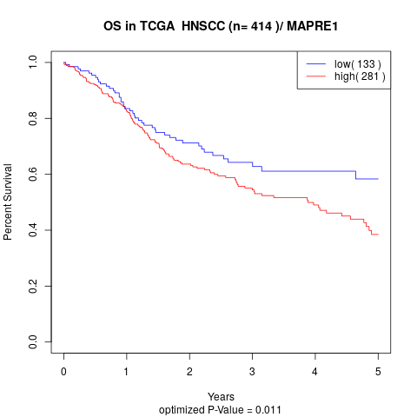

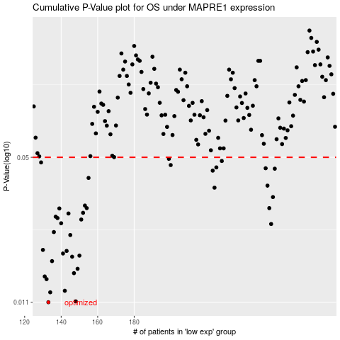

 |  |  |  |  |  | cases_OS | p_OS | rank | exp
 |  |  |  |  |  | 133 | 0.011 | 7 | -0.43288761557
 |  |  |  |  |  | 148 | 0.0111 | 387 | -0.36367147345
 |  |  |  |  |  | 134 | 0.0122 | 253 | -0.42932531894
 |  |  |  |  |  | 142 | 0.0124 | 225 | -0.39163911044
 |  |  |  |  |  | 132 | 0.014 | 192 | -0.43383680764
 |  |  |  |  |  | 131 | 0.0144 | 172 | -0.43596757271
 |  |  |  |  |  | 147 | 0.0149 | 406 | -0.36812109198
 |  |  |  |  |  | 149 | 0.0156 | 226 | -0.35881904065
 |  |  |  |  |  | 135 | 0.0169 | 284 | -0.41216900907
 |  |  |  |  |  | 146 | 0.0177 | 162 | -0.37490791597
 |  |  |  |  |  | 150 | 0.0179 | 115 | -0.35356092852
 |  |  |  |  |  | 141 | 0.0183 | 368 | -0.39344124351
 |  |  |  |  |  | 143 | 0.0188 | 281 | -0.39077137946
 |  |  |  |  |  | 130 | 0.019 | 397 | -0.44846279043
 |  |  |  |  |  | 145 | 0.0222 | 139 | -0.38724981338
 |  |  |  |  |  | 136 | 0.0229 | 275 | -0.40786527713
 |  |  |  |  |  | 255 | 0.0249 | 125 | 0.14007656039
 |  |  |  |  |  | 140 | 0.0251 | 396 | -0.39354849029
 |  |  |  |  |  | 151 | 0.0261 | 218 | -0.34399219277
 |  |  |  |  |  | 138 | 0.0265 | 243 | -0.39850747295
 |  |  |  |  |  | 137 | 0.0269 | 345 | -0.40215843208
 |  |  |  |  |  | 144 | 0.0278 | 130 | -0.38795671291
 |  |  |  |  |  | 152 | 0.028 | 279 | -0.33806009078
 |  |  |  |  |  | 139 | 0.0293 | 102 | -0.39817953785
 |  |  |  |  |  | 254 | 0.0294 | 91 | 0.13517642794
 |  |  |  |  |  | 154 | 0.0294 | 364 | -0.3331381218
 |  |  |  |  |  | 153 | 0.0302 | 25 | -0.33582091741
 |  |  |  |  |  | 256 | 0.033 | 207 | 0.14078144662
 |  |  |  |  |  | 224 | 0.0364 | 107 | 0.0054139423523
 |  |  |  |  |  | 253 | 0.0372 | 84 | 0.13365793744
 |  |  |  |  |  | 155 | 0.0403 | 206 | -0.33031625384
 |  |  |  |  |  | 223 | 0.0435 | 170 | 0.0017186906892
 |  |  |  |  |  | 257 | 0.0444 | 159 | 0.14444270454
 |  |  |  |  |  | 252 | 0.0446 | 136 | 0.13182986382
 |  |  |  |  |  | 225 | 0.045 | 213 | 0.012136495702
 |  |  |  |  |  | 200 | 0.0461 | 210 | -0.10157776768
 |  |  |  |  |  | 129 | 0.0474 | 271 | -0.44948585501
 |  |  |  |  |  | 228 | 0.0481 | 142 | 0.026295935641
 |  |  |  |  |  | 199 | 0.0492 | 98 | -0.11394266313
 |  |  |  |  |  |  | cases_RFS | p_RFS | rank | exp
 |  |  |  |  |  |  | 132 | 0.011 | 192 | -0.43383680764
 |  |  |  |  |  |  | 147 | 0.0111 | 406 | -0.36812109198
 |  |  |  |  |  |  | 133 | 0.0122 | 7 | -0.43288761557
 |  |  |  |  |  |  | 141 | 0.0124 | 368 | -0.39344124351
 |  |  |  |  |  |  | 131 | 0.014 | 172 | -0.43596757271
 |  |  |  |  |  |  | 130 | 0.0144 | 397 | -0.44846279043
 |  |  |  |  |  |  | 146 | 0.0149 | 162 | -0.37490791597
 |  |  |  |  |  |  | 148 | 0.0156 | 387 | -0.36367147345
 |  |  |  |  |  |  | 134 | 0.0169 | 253 | -0.42932531894
 |  |  |  |  |  |  | 145 | 0.0177 | 139 | -0.38724981338
 |  |  |  |  |  |  | 149 | 0.0179 | 226 | -0.35881904065
 |  |  |  |  |  |  | 140 | 0.0183 | 396 | -0.39354849029
 |  |  |  |  |  |  | 142 | 0.0188 | 225 | -0.39163911044
 |  |  |  |  |  |  | 129 | 0.019 | 271 | -0.44948585501
 |  |  |  |  |  |  | 144 | 0.0222 | 130 | -0.38795671291
 |  |  |  |  |  |  | 135 | 0.0229 | 284 | -0.41216900907
 |  |  |  |  |  |  | 254 | 0.0249 | 91 | 0.13517642794
 |  |  |  |  |  |  | 139 | 0.0251 | 102 | -0.39817953785
 |  |  |  |  |  |  | 150 | 0.0261 | 115 | -0.35356092852
 |  |  |  |  |  |  | 137 | 0.0265 | 345 | -0.40215843208
 |  |  |  |  |  |  | 136 | 0.0269 | 275 | -0.40786527713
 |  |  |  |  |  |  | 143 | 0.0278 | 281 | -0.39077137946
 |  |  |  |  |  |  | 151 | 0.028 | 218 | -0.34399219277
 |  |  |  |  |  |  | 138 | 0.0293 | 243 | -0.39850747295
 |  |  |  |  |  |  | 153 | 0.0294 | 25 | -0.33582091741
 |  |  |  |  |  |  | 253 | 0.0294 | 84 | 0.13365793744
 |  |  |  |  |  |  | 152 | 0.0302 | 279 | -0.33806009078
 |  |  |  |  |  |  | 255 | 0.033 | 125 | 0.14007656039
 |  |  |  |  |  |  | 223 | 0.0364 | 170 | 0.0017186906892
 |  |  |  |  |  |  | 252 | 0.0372 | 136 | 0.13182986382
 |  |  |  |  |  |  | 154 | 0.0403 | 364 | -0.3331381218
 |  |  |  |  |  |  | 222 | 0.0435 | 169 | -0.007743417753
 |  |  |  |  |  |  | 256 | 0.0444 | 207 | 0.14078144662
 |  |  |  |  |  |  | 251 | 0.0446 | 109 | 0.12195177726
 |  |  |  |  |  |  | 224 | 0.045 | 107 | 0.0054139423523
 |  |  |  |  |  |  | 199 | 0.0461 | 98 | -0.11394266313
 |  |  |  |  |  |  | 128 | 0.0474 | 144 | -0.45068593486
 |  |  |  |  |  |  | 227 | 0.0481 | 16 | 0.022125545901
 |  |  |  |  |  |  | 198 | 0.0492 | 131 | -0.11464785911

