MAPRE2 _multivariate
Reported by Tex Li-Hsing Chi. tex@gate.sinica.edu.tw 2019-08-18

Table 2. The clinicopathological features of HNSCC cohort and MAPRE2 expression. (Chi square test)
Cutoff at -0.171 (49.8%)
 |  | MAPRE2 expression |  | MAPRE2 expression |  | (Optimised)
 | Features | Low | (%) | High | (%) | Case no | P-value | Remark | Matthews
Gender | Female | 157 | 37.8 | 149 | 35.9 | 415 | 0.3881 | 0 | 0
2 | Male | 50 | 12 | 59 | 14.2
Age at diagnosis | <=65y | 137 | 33 | 137 | 33 | 415 | 1 | 0 | 0
4 | >65y | 70 | 16.9 | 71 | 17.1
Clinical T Status | T1+T2 | 67 | 16.1 | 82 | 19.8 | 415 | 0.1628 | 0 | 0
6 | T3+T4 | 140 | 33.7 | 126 | 30.4
Clinical N Status | N0 | 99 | 23.9 | 117 | 28.2 | 415 | 0.1054 | 0 | 0
8 | N1-3 | 108 | 26 | 91 | 21.9
Clinical M Status | M0 | 204 | 49.2 | 208 | 50.1 | 415 | 0.1232 | 0 | 0
10 | M1 | 3 | 0.7 | 0 | 0
Clinical Stage | Stage I+II | 42 | 10.1 | 60 | 14.5 | 415 | 0.0561 | 0 | 0
12 | Stage III+IV | 165 | 39.8 | 148 | 35.7
Surgical Margin status | Negative | 148 | 35.7 | 170 | 41 | 415 | 0.015 | 1 | 0
14 | Positive | 59 | 14.2 | 38 | 9.2
Tobacco Exposure | Low | 83 | 20 | 78 | 18.8 | 415 | 0.6152 | 0 | 0
16 | High | 124 | 29.9 | 130 | 31.3

Table 3. Univariate/Multivariate Cox's proportional hazards regression analyses on OS time of MAPRE2 gene expression in HNSCC

 |  | Univariate |  |  |  | Multivariate
 | Features | HR | CI95%(L) | CI95%(H) | P-value | HR | CI95%(L) | CI95%(H) | P-value
1 | Female | 1 |  |  |  | 1
Gender | Male | 1.157 | 0.843 | 1.587 | 0.367 | 1.193 | 0.854 | 1.667 | 0.302
11 | <=65y | 1 |  |  |  | 1
Age at diagnosis | >65y | 1.329 | 0.99 | 1.784 | 0.058 | 1.394 | 1.026 | 1.896 | 0.034
12 | T1+T2 | 1 |  |  |  | 1
Clinical T Status | T3+T4 | 1.409 | 1.028 | 1.931 | 0.033 | 2.209 | 1.168 | 4.177 | 0.015
13 | N0 | 1 |  |  |  | 1
Clinical N Status | N1-3 | 1.185 | 0.89 | 1.577 | 0.246 | 1.248 | 0.874 | 1.781 | 0.223
14 | M0 | 1 |  |  |  | 1
Clinical M Status | M1 | 4.097 | 1.009 | 16.644 | 0.049 | 9.763 | 2.118 | 45.008 | 0.003
15 | Stage I+II | 1 |  |  |  | 1
Clinical Stage | Stage III+IV | 1.245 | 0.882 | 1.759 | 0.213 | 0.507 | 0.236 | 1.088 | 0.081
16 | Negative | 1 |  |  |  | 1
Surgical Margin status | Positive | 1.591 | 1.155 | 2.191 | 0.004 | 1.684 | 1.218 | 2.329 | 0.002
17 | Low | 1 |  |  |  | 1
Tobacco Exposure | High | 1.364 | 1.008 | 1.844 | 0.044 | 1.447 | 1.051 | 1.993 | 0.024
18 | Low | 1 |  |  |  | 1
RNAseq(z-score) | High | 1.008 | 0.757 | 1.342 | 0.957 | 1.086 | 0.81 | 1.455 | 0.581

Table 4. Univariate/Multivariate Cox's proportional hazards regression analyses on RFS time of MAPRE2 gene expression in HNSCC

 |  | Univariate |  |  |  | Multivariate
 | Features | HR | CI95%(L) | CI95%(H) | P-value | HR | CI95%(L) | CI95%(H) | P-value
1 | Female | 1 |  |  |  | 1
Gender | Male | 1.157 | 0.843 | 1.587 | 0.367 | 1.193 | 0.854 | 1.667 | 0.302
11 | <=65y | 1 |  |  |  | 1
Age at diagnosis | >65y | 1.329 | 0.99 | 1.784 | 0.058 | 1.394 | 1.026 | 1.896 | 0.034
12 | T1+T2 | 1 |  |  |  | 1
Clinical T Status | T3+T4 | 1.409 | 1.028 | 1.931 | 0.033 | 2.209 | 1.168 | 4.177 | 0.015
13 | N0 | 1 |  |  |  | 1
Clinical N Status | N1-3 | 1.185 | 0.89 | 1.577 | 0.246 | 1.248 | 0.874 | 1.781 | 0.223
14 | M0 | 1 |  |  |  | 1
Clinical M Status | M1 | 4.097 | 1.009 | 16.644 | 0.049 | 9.763 | 2.118 | 45.008 | 0.003
15 | Stage I+II | 1 |  |  |  | 1
Clinical Stage | Stage III+IV | 1.245 | 0.882 | 1.759 | 0.213 | 0.507 | 0.236 | 1.088 | 0.081
16 | Negative | 1 |  |  |  | 1
Surgical Margin status | Positive | 1.591 | 1.155 | 2.191 | 0.004 | 1.684 | 1.218 | 2.329 | 0.002
17 | Low | 1 |  |  |  | 1
Tobacco Exposure | High | 1.364 | 1.008 | 1.844 | 0.044 | 1.447 | 1.051 | 1.993 | 0.024
18 | Low | 1 |  |  |  | 1
RNAseq(z-score) | High | 1.008 | 0.757 | 1.342 | 0.957 | 1.086 | 0.81 | 1.455 | 0.581

Kaplan-Meier survival estimate: Cutoff at -0.171 (49.8%)



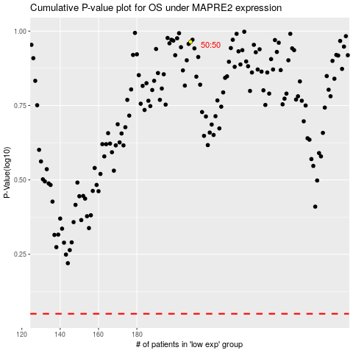

 |  |  |  |  |  | cases_OS | p_OS | rank | exp
 |  |  |  |  |  |  | cases_RFS | p_RFS | rank | exp

