MARCH1 _multivariate
Reported by Tex Li-Hsing Chi. tex@gate.sinica.edu.tw 2019-08-18

Table 2. The clinicopathological features of HNSCC cohort and MARCH1 expression. (Chi square test)
Cutoff at -0.227 (49.8%)
 |  | MARCH1 expression |  | MARCH1 expression |  | (Optimised)
 | Features | Low | (%) | High | (%) | Case no | P-value | Remark | Matthews
Gender | Female | 166 | 40 | 140 | 33.7 | 415 | 0.0041 | 1 | 0
2 | Male | 41 | 9.9 | 68 | 16.4
Age at diagnosis | <=65y | 141 | 34 | 133 | 32 | 415 | 0.4272 | 0 | 0
4 | >65y | 66 | 15.9 | 75 | 18.1
Clinical T Status | T1+T2 | 71 | 17.1 | 78 | 18.8 | 415 | 0.5638 | 0 | 0
6 | T3+T4 | 136 | 32.8 | 130 | 31.3
Clinical N Status | N0 | 105 | 25.3 | 111 | 26.7 | 415 | 0.6598 | 0 | 0
8 | N1-3 | 102 | 24.6 | 97 | 23.4
Clinical M Status | M0 | 204 | 49.2 | 208 | 50.1 | 415 | 0.1232 | 0 | 0
10 | M1 | 3 | 0.7 | 0 | 0
Clinical Stage | Stage I+II | 46 | 11.1 | 56 | 13.5 | 415 | 0.3182 | 0 | 0
12 | Stage III+IV | 161 | 38.8 | 152 | 36.6
Surgical Margin status | Negative | 152 | 36.6 | 166 | 40 | 415 | 0.1329 | 0 | 0
14 | Positive | 55 | 13.3 | 42 | 10.1
Tobacco Exposure | Low | 75 | 18.1 | 86 | 20.7 | 415 | 0.3141 | 0 | 0
16 | High | 132 | 31.8 | 122 | 29.4

Table 3. Univariate/Multivariate Cox's proportional hazards regression analyses on OS time of MARCH1 gene expression in HNSCC

 |  | Univariate |  |  |  | Multivariate
 | Features | HR | CI95%(L) | CI95%(H) | P-value | HR | CI95%(L) | CI95%(H) | P-value
1 | Female | 1 |  |  |  | 1
Gender | Male | 1.157 | 0.843 | 1.587 | 0.367 | 1.21 | 0.865 | 1.693 | 0.266
11 | <=65y | 1 |  |  |  | 1
Age at diagnosis | >65y | 1.329 | 0.99 | 1.784 | 0.058 | 1.386 | 1.02 | 1.885 | 0.037
12 | T1+T2 | 1 |  |  |  | 1
Clinical T Status | T3+T4 | 1.409 | 1.028 | 1.931 | 0.033 | 2.191 | 1.158 | 4.143 | 0.016
13 | N0 | 1 |  |  |  | 1
Clinical N Status | N1-3 | 1.185 | 0.89 | 1.577 | 0.246 | 1.239 | 0.868 | 1.768 | 0.238
14 | M0 | 1 |  |  |  | 1
Clinical M Status | M1 | 4.097 | 1.009 | 16.644 | 0.049 | 9.074 | 1.964 | 41.926 | 0.005
15 | Stage I+II | 1 |  |  |  | 1
Clinical Stage | Stage III+IV | 1.245 | 0.882 | 1.759 | 0.213 | 0.507 | 0.236 | 1.087 | 0.081
16 | Negative | 1 |  |  |  | 1
Surgical Margin status | Positive | 1.591 | 1.155 | 2.191 | 0.004 | 1.664 | 1.204 | 2.301 | 0.002
17 | Low | 1 |  |  |  | 1
Tobacco Exposure | High | 1.364 | 1.008 | 1.844 | 0.044 | 1.445 | 1.048 | 1.993 | 0.025
18 | Low | 1 |  |  |  | 1
RNAseq(z-score) | High | 0.878 | 0.659 | 1.171 | 0.375 | 0.936 | 0.698 | 1.254 | 0.657

Table 4. Univariate/Multivariate Cox's proportional hazards regression analyses on RFS time of MARCH1 gene expression in HNSCC

 |  | Univariate |  |  |  | Multivariate
 | Features | HR | CI95%(L) | CI95%(H) | P-value | HR | CI95%(L) | CI95%(H) | P-value
1 | Female | 1 |  |  |  | 1
Gender | Male | 1.157 | 0.843 | 1.587 | 0.367 | 1.21 | 0.865 | 1.693 | 0.266
11 | <=65y | 1 |  |  |  | 1
Age at diagnosis | >65y | 1.329 | 0.99 | 1.784 | 0.058 | 1.386 | 1.02 | 1.885 | 0.037
12 | T1+T2 | 1 |  |  |  | 1
Clinical T Status | T3+T4 | 1.409 | 1.028 | 1.931 | 0.033 | 2.191 | 1.158 | 4.143 | 0.016
13 | N0 | 1 |  |  |  | 1
Clinical N Status | N1-3 | 1.185 | 0.89 | 1.577 | 0.246 | 1.239 | 0.868 | 1.768 | 0.238
14 | M0 | 1 |  |  |  | 1
Clinical M Status | M1 | 4.097 | 1.009 | 16.644 | 0.049 | 9.074 | 1.964 | 41.926 | 0.005
15 | Stage I+II | 1 |  |  |  | 1
Clinical Stage | Stage III+IV | 1.245 | 0.882 | 1.759 | 0.213 | 0.507 | 0.236 | 1.087 | 0.081
16 | Negative | 1 |  |  |  | 1
Surgical Margin status | Positive | 1.591 | 1.155 | 2.191 | 0.004 | 1.664 | 1.204 | 2.301 | 0.002
17 | Low | 1 |  |  |  | 1
Tobacco Exposure | High | 1.364 | 1.008 | 1.844 | 0.044 | 1.445 | 1.048 | 1.993 | 0.025
18 | Low | 1 |  |  |  | 1
RNAseq(z-score) | High | 0.878 | 0.659 | 1.171 | 0.375 | 0.936 | 0.698 | 1.254 | 0.657

Kaplan-Meier survival estimate: Cutoff at -0.227 (49.8%)



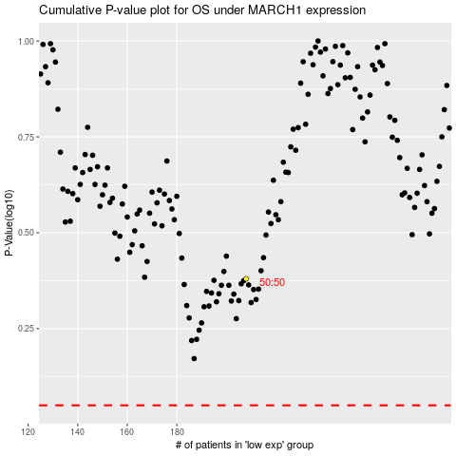

 |  |  |  |  |  | cases_OS | p_OS | rank | exp
 |  |  |  |  |  |  | cases_RFS | p_RFS | rank | exp

