MARCH8 _multivariate
Reported by Tex Li-Hsing Chi. tex@gate.sinica.edu.tw 2019-08-18

Table 2. The clinicopathological features of HNSCC cohort and MARCH8 expression. (Chi square test)
Cutoff at -0.197 (46.4%)
 |  | MARCH8 expression |  | MARCH8 expression |  | (Optimised)
 | Features | Low | (%) | High | (%) | Case no | P-value | Remark | Matthews
Gender | Female | 143 | 34.5 | 163 | 39.3 | 415 | 0.9658 | 0 | 0
2 | Male | 50 | 12 | 59 | 14.2
Age at diagnosis | <=65y | 124 | 29.9 | 150 | 36.1 | 415 | 0.5431 | 0 | 0
4 | >65y | 69 | 16.6 | 72 | 17.3
Clinical T Status | T1+T2 | 64 | 15.4 | 85 | 20.5 | 415 | 0.3254 | 0 | 0
6 | T3+T4 | 129 | 31.1 | 137 | 33
Clinical N Status | N0 | 100 | 24.1 | 116 | 28 | 415 | 1 | 0 | 0
8 | N1-3 | 93 | 22.4 | 106 | 25.5
Clinical M Status | M0 | 190 | 45.8 | 222 | 53.5 | 415 | 0.0997 | 0 | 0
10 | M1 | 3 | 0.7 | 0 | 0
Clinical Stage | Stage I+II | 41 | 9.9 | 61 | 14.7 | 415 | 0.1748 | 0 | 0
12 | Stage III+IV | 152 | 36.6 | 161 | 38.8
Surgical Margin status | Negative | 141 | 34 | 177 | 42.7 | 415 | 0.1305 | 0 | 0
14 | Positive | 52 | 12.5 | 45 | 10.8
Tobacco Exposure | Low | 75 | 18.1 | 86 | 20.7 | 415 | 1 | 0 | 0
16 | High | 118 | 28.4 | 136 | 32.8

Table 3. Univariate/Multivariate Cox's proportional hazards regression analyses on OS time of MARCH8 gene expression in HNSCC

 |  | Univariate |  |  |  | Multivariate
 | Features | HR | CI95%(L) | CI95%(H) | P-value | HR | CI95%(L) | CI95%(H) | P-value
1 | Female | 1 |  |  |  | 1
Gender | Male | 1.157 | 0.843 | 1.587 | 0.367 | 1.187 | 0.848 | 1.661 | 0.317
11 | <=65y | 1 |  |  |  | 1
Age at diagnosis | >65y | 1.329 | 0.99 | 1.784 | 0.058 | 1.375 | 1.012 | 1.869 | 0.042
12 | T1+T2 | 1 |  |  |  | 1
Clinical T Status | T3+T4 | 1.409 | 1.028 | 1.931 | 0.033 | 2.183 | 1.154 | 4.128 | 0.016
13 | N0 | 1 |  |  |  | 1
Clinical N Status | N1-3 | 1.185 | 0.89 | 1.577 | 0.246 | 1.252 | 0.878 | 1.786 | 0.215
14 | M0 | 1 |  |  |  | 1
Clinical M Status | M1 | 4.097 | 1.009 | 16.644 | 0.049 | 8.413 | 1.819 | 38.918 | 0.006
15 | Stage I+II | 1 |  |  |  | 1
Clinical Stage | Stage III+IV | 1.245 | 0.882 | 1.759 | 0.213 | 0.499 | 0.233 | 1.072 | 0.075
16 | Negative | 1 |  |  |  | 1
Surgical Margin status | Positive | 1.591 | 1.155 | 2.191 | 0.004 | 1.629 | 1.176 | 2.256 | 0.003
17 | Low | 1 |  |  |  | 1
Tobacco Exposure | High | 1.364 | 1.008 | 1.844 | 0.044 | 1.436 | 1.042 | 1.979 | 0.027
18 | Low | 1 |  |  |  | 1
RNAseq(z-score) | High | 0.747 | 0.561 | 0.995 | 0.046 | 0.831 | 0.62 | 1.113 | 0.215

Table 4. Univariate/Multivariate Cox's proportional hazards regression analyses on RFS time of MARCH8 gene expression in HNSCC

 |  | Univariate |  |  |  | Multivariate
 | Features | HR | CI95%(L) | CI95%(H) | P-value | HR | CI95%(L) | CI95%(H) | P-value
1 | Female | 1 |  |  |  | 1
Gender | Male | 1.157 | 0.843 | 1.587 | 0.367 | 1.187 | 0.848 | 1.661 | 0.317
11 | <=65y | 1 |  |  |  | 1
Age at diagnosis | >65y | 1.329 | 0.99 | 1.784 | 0.058 | 1.375 | 1.012 | 1.869 | 0.042
12 | T1+T2 | 1 |  |  |  | 1
Clinical T Status | T3+T4 | 1.409 | 1.028 | 1.931 | 0.033 | 2.183 | 1.154 | 4.128 | 0.016
13 | N0 | 1 |  |  |  | 1
Clinical N Status | N1-3 | 1.185 | 0.89 | 1.577 | 0.246 | 1.252 | 0.878 | 1.786 | 0.215
14 | M0 | 1 |  |  |  | 1
Clinical M Status | M1 | 4.097 | 1.009 | 16.644 | 0.049 | 8.413 | 1.819 | 38.918 | 0.006
15 | Stage I+II | 1 |  |  |  | 1
Clinical Stage | Stage III+IV | 1.245 | 0.882 | 1.759 | 0.213 | 0.499 | 0.233 | 1.072 | 0.075
16 | Negative | 1 |  |  |  | 1
Surgical Margin status | Positive | 1.591 | 1.155 | 2.191 | 0.004 | 1.629 | 1.176 | 2.256 | 0.003
17 | Low | 1 |  |  |  | 1
Tobacco Exposure | High | 1.364 | 1.008 | 1.844 | 0.044 | 1.436 | 1.042 | 1.979 | 0.027
18 | Low | 1 |  |  |  | 1
RNAseq(z-score) | High | 0.747 | 0.561 | 0.995 | 0.046 | 0.831 | 0.62 | 1.113 | 0.215

Kaplan-Meier survival estimate: Cutoff at -0.197 (46.4%)



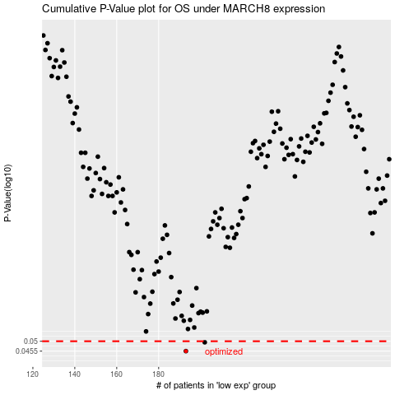

 |  |  |  |  |  | cases_OS | p_OS | rank | exp
 |  |  |  |  |  | 193 | 0.0455 | 402 | -0.19667044389
 |  |  |  |  |  | 202 | 0.0495 | 120 | -0.15291462576
 |  |  |  |  |  |  | cases_RFS | p_RFS | rank | exp
 |  |  |  |  |  |  | 192 | 0.0455 | 113 | -0.21623944129
 |  |  |  |  |  |  | 201 | 0.0495 | 229 | -0.16076199954

