MARCH9 _multivariate
Reported by Tex Li-Hsing Chi. tex@gate.sinica.edu.tw 2019-08-18

Table 2. The clinicopathological features of HNSCC cohort and MARCH9 expression. (Chi square test)
Cutoff at 0.22 (66.4%)
 |  | MARCH9 expression |  | MARCH9 expression |  | (Optimised)
 | Features | Low | (%) | High | (%) | Case no | P-value | Remark | Matthews
Gender | Female | 190 | 45.8 | 116 | 28 | 415 | 0.0021 | 1 | 0
2 | Male | 86 | 20.7 | 23 | 5.5
Age at diagnosis | <=65y | 183 | 44.1 | 91 | 21.9 | 415 | 0.9521 | 0 | 0
4 | >65y | 93 | 22.4 | 48 | 11.6
Clinical T Status | T1+T2 | 109 | 26.3 | 40 | 9.6 | 415 | 0.0414 | 1 | 0
6 | T3+T4 | 167 | 40.2 | 99 | 23.9
Clinical N Status | N0 | 146 | 35.2 | 70 | 16.9 | 415 | 0.7006 | 0 | 0
8 | N1-3 | 130 | 31.3 | 69 | 16.6
Clinical M Status | M0 | 274 | 66 | 138 | 33.3 | 415 | 1 | 0 | 0
10 | M1 | 2 | 0.5 | 1 | 0.2
Clinical Stage | Stage I+II | 79 | 19 | 23 | 5.5 | 415 | 0.01 | 1 | 0
12 | Stage III+IV | 197 | 47.5 | 116 | 28
Surgical Margin status | Negative | 212 | 51.1 | 106 | 25.5 | 415 | 0.9027 | 0 | 0
14 | Positive | 64 | 15.4 | 33 | 8
Tobacco Exposure | Low | 121 | 29.2 | 40 | 9.6 | 415 | 0.0039 | 1 | 0
16 | High | 155 | 37.3 | 99 | 23.9

Table 3. Univariate/Multivariate Cox's proportional hazards regression analyses on OS time of MARCH9 gene expression in HNSCC

 |  | Univariate |  |  |  | Multivariate
 | Features | HR | CI95%(L) | CI95%(H) | P-value | HR | CI95%(L) | CI95%(H) | P-value
1 | Female | 1 |  |  |  | 1
Gender | Male | 1.157 | 0.843 | 1.587 | 0.367 | 1.121 | 0.8 | 1.571 | 0.507
11 | <=65y | 1 |  |  |  | 1
Age at diagnosis | >65y | 1.329 | 0.99 | 1.784 | 0.058 | 1.446 | 1.059 | 1.974 | 0.02
12 | T1+T2 | 1 |  |  |  | 1
Clinical T Status | T3+T4 | 1.409 | 1.028 | 1.931 | 0.033 | 2.189 | 1.158 | 4.137 | 0.016
13 | N0 | 1 |  |  |  | 1
Clinical N Status | N1-3 | 1.185 | 0.89 | 1.577 | 0.246 | 1.229 | 0.862 | 1.754 | 0.255
14 | M0 | 1 |  |  |  | 1
Clinical M Status | M1 | 4.097 | 1.009 | 16.644 | 0.049 | 8.625 | 1.88 | 39.57 | 0.006
15 | Stage I+II | 1 |  |  |  | 1
Clinical Stage | Stage III+IV | 1.245 | 0.882 | 1.759 | 0.213 | 0.553 | 0.257 | 1.193 | 0.131
16 | Negative | 1 |  |  |  | 1
Surgical Margin status | Positive | 1.591 | 1.155 | 2.191 | 0.004 | 1.627 | 1.178 | 2.247 | 0.003
17 | Low | 1 |  |  |  | 1
Tobacco Exposure | High | 1.364 | 1.008 | 1.844 | 0.044 | 1.541 | 1.114 | 2.131 | 0.009
18 | Low | 1 |  |  |  | 1
RNAseq(z-score) | High | 0.702 | 0.511 | 0.963 | 0.028 | 0.646 | 0.464 | 0.901 | 0.01

Table 4. Univariate/Multivariate Cox's proportional hazards regression analyses on RFS time of MARCH9 gene expression in HNSCC

 |  | Univariate |  |  |  | Multivariate
 | Features | HR | CI95%(L) | CI95%(H) | P-value | HR | CI95%(L) | CI95%(H) | P-value
1 | Female | 1 |  |  |  | 1
Gender | Male | 1.157 | 0.843 | 1.587 | 0.367 | 1.121 | 0.8 | 1.571 | 0.507
11 | <=65y | 1 |  |  |  | 1
Age at diagnosis | >65y | 1.329 | 0.99 | 1.784 | 0.058 | 1.446 | 1.059 | 1.974 | 0.02
12 | T1+T2 | 1 |  |  |  | 1
Clinical T Status | T3+T4 | 1.409 | 1.028 | 1.931 | 0.033 | 2.189 | 1.158 | 4.137 | 0.016
13 | N0 | 1 |  |  |  | 1
Clinical N Status | N1-3 | 1.185 | 0.89 | 1.577 | 0.246 | 1.229 | 0.862 | 1.754 | 0.255
14 | M0 | 1 |  |  |  | 1
Clinical M Status | M1 | 4.097 | 1.009 | 16.644 | 0.049 | 8.625 | 1.88 | 39.57 | 0.006
15 | Stage I+II | 1 |  |  |  | 1
Clinical Stage | Stage III+IV | 1.245 | 0.882 | 1.759 | 0.213 | 0.553 | 0.257 | 1.193 | 0.131
16 | Negative | 1 |  |  |  | 1
Surgical Margin status | Positive | 1.591 | 1.155 | 2.191 | 0.004 | 1.627 | 1.178 | 2.247 | 0.003
17 | Low | 1 |  |  |  | 1
Tobacco Exposure | High | 1.364 | 1.008 | 1.844 | 0.044 | 1.541 | 1.114 | 2.131 | 0.009
18 | Low | 1 |  |  |  | 1
RNAseq(z-score) | High | 0.702 | 0.511 | 0.963 | 0.028 | 0.646 | 0.464 | 0.901 | 0.01

Kaplan-Meier survival estimate: Cutoff at 0.22 (66.4%)

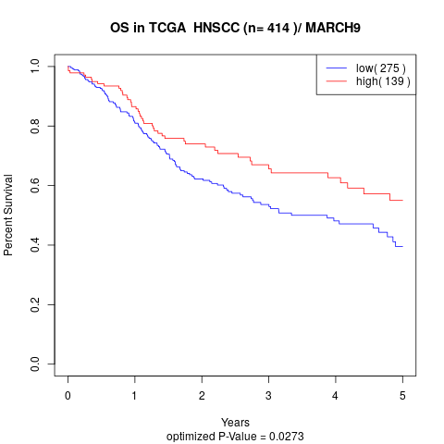

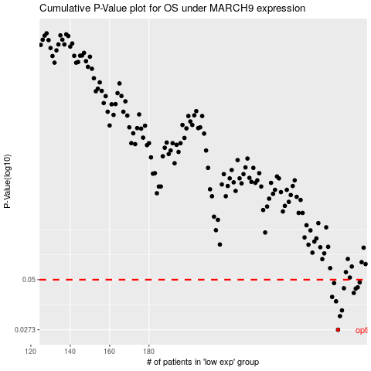

 |  |  |  |  |  | cases_OS | p_OS | rank | exp
 |  |  |  |  |  | 276 | 0.0273 | 381 | 0.21973616643
 |  |  |  |  |  | 277 | 0.0322 | 319 | 0.22723973518
 |  |  |  |  |  | 278 | 0.0345 | 51 | 0.2285127781
 |  |  |  |  |  | 275 | 0.0385 | 213 | 0.21948186987
 |  |  |  |  |  | 273 | 0.0406 | 288 | 0.21322066204
 |  |  |  |  |  | 284 | 0.0426 | 81 | 0.27001148114
 |  |  |  |  |  | 285 | 0.0449 | 291 | 0.27108847129
 |  |  |  |  |  | 279 | 0.0451 | 30 | 0.22909625611
 |  |  |  |  |  | 286 | 0.0456 | 19 | 0.27813181007
 |  |  |  |  |  | 274 | 0.048 | 411 | 0.21589467621
 |  |  |  |  |  | 287 | 0.0484 | 41 | 0.27955150254
 |  |  |  |  |  |  | cases_RFS | p_RFS | rank | exp
 |  |  |  |  |  |  | 275 | 0.0273 | 213 | 0.21948186987
 |  |  |  |  |  |  | 276 | 0.0322 | 381 | 0.21973616643
 |  |  |  |  |  |  | 277 | 0.0345 | 319 | 0.22723973518
 |  |  |  |  |  |  | 274 | 0.0385 | 411 | 0.21589467621
 |  |  |  |  |  |  | 272 | 0.0406 | 99 | 0.17654371306
 |  |  |  |  |  |  | 283 | 0.0426 | 223 | 0.26790430389
 |  |  |  |  |  |  | 284 | 0.0449 | 81 | 0.27001148114
 |  |  |  |  |  |  | 278 | 0.0451 | 51 | 0.2285127781
 |  |  |  |  |  |  | 285 | 0.0456 | 291 | 0.27108847129
 |  |  |  |  |  |  | 273 | 0.048 | 288 | 0.21322066204
 |  |  |  |  |  |  | 286 | 0.0484 | 19 | 0.27813181007

