MARVELD2 _multivariate
Reported by Tex Li-Hsing Chi. tex@gate.sinica.edu.tw 2019-08-18

Table 2. The clinicopathological features of HNSCC cohort and MARVELD2 expression. (Chi square test)
Cutoff at -0.236 (50.0%)
 |  | MARVELD2 expression |  | MARVELD2 expression |  | (Optimised)
 | Features | Low | (%) | High | (%) | Case no | P-value | Remark | Matthews
Gender | Female | 155 | 37.3 | 151 | 36.4 | 415 | 0.6768 | 0 | 0
2 | Male | 52 | 12.5 | 57 | 13.7
Age at diagnosis | <=65y | 139 | 33.5 | 135 | 32.5 | 415 | 0.7044 | 0 | 0
4 | >65y | 68 | 16.4 | 73 | 17.6
Clinical T Status | T1+T2 | 70 | 16.9 | 79 | 19 | 415 | 0.4343 | 0 | 0
6 | T3+T4 | 137 | 33 | 129 | 31.1
Clinical N Status | N0 | 107 | 25.8 | 109 | 26.3 | 415 | 0.9624 | 0 | 0
8 | N1-3 | 100 | 24.1 | 99 | 23.9
Clinical M Status | M0 | 204 | 49.2 | 208 | 50.1 | 415 | 0.1232 | 0 | 0
10 | M1 | 3 | 0.7 | 0 | 0
Clinical Stage | Stage I+II | 48 | 11.6 | 54 | 13 | 415 | 0.5878 | 0 | 0
12 | Stage III+IV | 159 | 38.3 | 154 | 37.1
Surgical Margin status | Negative | 158 | 38.1 | 160 | 38.6 | 415 | 0.9081 | 0 | 0
14 | Positive | 49 | 11.8 | 48 | 11.6
Tobacco Exposure | Low | 85 | 20.5 | 76 | 18.3 | 415 | 0.3655 | 0 | 0
16 | High | 122 | 29.4 | 132 | 31.8

Table 3. Univariate/Multivariate Cox's proportional hazards regression analyses on OS time of MARVELD2 gene expression in HNSCC

 |  | Univariate |  |  |  | Multivariate
 | Features | HR | CI95%(L) | CI95%(H) | P-value | HR | CI95%(L) | CI95%(H) | P-value
1 | Female | 1 |  |  |  | 1
Gender | Male | 1.157 | 0.843 | 1.587 | 0.367 | 1.198 | 0.858 | 1.674 | 0.29
11 | <=65y | 1 |  |  |  | 1
Age at diagnosis | >65y | 1.329 | 0.99 | 1.784 | 0.058 | 1.389 | 1.022 | 1.888 | 0.036
12 | T1+T2 | 1 |  |  |  | 1
Clinical T Status | T3+T4 | 1.409 | 1.028 | 1.931 | 0.033 | 2.27 | 1.196 | 4.309 | 0.012
13 | N0 | 1 |  |  |  | 1
Clinical N Status | N1-3 | 1.185 | 0.89 | 1.577 | 0.246 | 1.24 | 0.869 | 1.77 | 0.235
14 | M0 | 1 |  |  |  | 1
Clinical M Status | M1 | 4.097 | 1.009 | 16.644 | 0.049 | 10.288 | 2.21 | 47.889 | 0.003
15 | Stage I+II | 1 |  |  |  | 1
Clinical Stage | Stage III+IV | 1.245 | 0.882 | 1.759 | 0.213 | 0.492 | 0.229 | 1.059 | 0.07
16 | Negative | 1 |  |  |  | 1
Surgical Margin status | Positive | 1.591 | 1.155 | 2.191 | 0.004 | 1.689 | 1.221 | 2.336 | 0.002
17 | Low | 1 |  |  |  | 1
Tobacco Exposure | High | 1.364 | 1.008 | 1.844 | 0.044 | 1.438 | 1.043 | 1.983 | 0.027
18 | Low | 1 |  |  |  | 1
RNAseq(z-score) | High | 1.07 | 0.802 | 1.428 | 0.645 | 1.133 | 0.845 | 1.519 | 0.406

Table 4. Univariate/Multivariate Cox's proportional hazards regression analyses on RFS time of MARVELD2 gene expression in HNSCC

 |  | Univariate |  |  |  | Multivariate
 | Features | HR | CI95%(L) | CI95%(H) | P-value | HR | CI95%(L) | CI95%(H) | P-value
1 | Female | 1 |  |  |  | 1
Gender | Male | 1.157 | 0.843 | 1.587 | 0.367 | 1.198 | 0.858 | 1.674 | 0.29
11 | <=65y | 1 |  |  |  | 1
Age at diagnosis | >65y | 1.329 | 0.99 | 1.784 | 0.058 | 1.389 | 1.022 | 1.888 | 0.036
12 | T1+T2 | 1 |  |  |  | 1
Clinical T Status | T3+T4 | 1.409 | 1.028 | 1.931 | 0.033 | 2.27 | 1.196 | 4.309 | 0.012
13 | N0 | 1 |  |  |  | 1
Clinical N Status | N1-3 | 1.185 | 0.89 | 1.577 | 0.246 | 1.24 | 0.869 | 1.77 | 0.235
14 | M0 | 1 |  |  |  | 1
Clinical M Status | M1 | 4.097 | 1.009 | 16.644 | 0.049 | 10.288 | 2.21 | 47.889 | 0.003
15 | Stage I+II | 1 |  |  |  | 1
Clinical Stage | Stage III+IV | 1.245 | 0.882 | 1.759 | 0.213 | 0.492 | 0.229 | 1.059 | 0.07
16 | Negative | 1 |  |  |  | 1
Surgical Margin status | Positive | 1.591 | 1.155 | 2.191 | 0.004 | 1.689 | 1.221 | 2.336 | 0.002
17 | Low | 1 |  |  |  | 1
Tobacco Exposure | High | 1.364 | 1.008 | 1.844 | 0.044 | 1.438 | 1.043 | 1.983 | 0.027
18 | Low | 1 |  |  |  | 1
RNAseq(z-score) | High | 1.07 | 0.802 | 1.428 | 0.645 | 1.133 | 0.845 | 1.519 | 0.406

Kaplan-Meier survival estimate: Cutoff at -0.236 (50.0%)



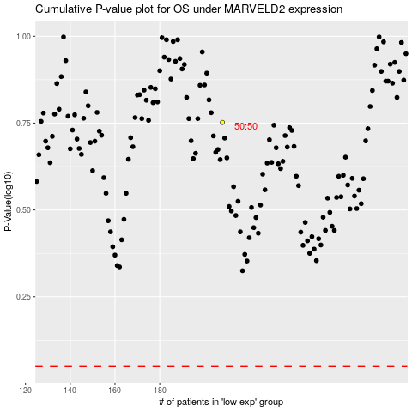

 |  |  |  |  |  | cases_OS | p_OS | rank | exp
 |  |  |  |  |  |  | cases_RFS | p_RFS | rank | exp

