MARVELD3 _multivariate
Reported by Tex Li-Hsing Chi. tex@gate.sinica.edu.tw 2019-08-18

Table 2. The clinicopathological features of HNSCC cohort and MARVELD3 expression. (Chi square test)
Cutoff at -0.039 (54.3%)
 |  | MARVELD3 expression |  | MARVELD3 expression |  | (Optimised)
 | Features | Low | (%) | High | (%) | Case no | P-value | Remark | Matthews
Gender | Female | 158 | 38.1 | 148 | 35.7 | 415 | 0.0974 | 0 | 0
2 | Male | 67 | 16.1 | 42 | 10.1
Age at diagnosis | <=65y | 143 | 34.5 | 131 | 31.6 | 415 | 0.2931 | 0 | 0
4 | >65y | 82 | 19.8 | 59 | 14.2
Clinical T Status | T1+T2 | 93 | 22.4 | 56 | 13.5 | 415 | 0.0161 | 1 | 0
6 | T3+T4 | 132 | 31.8 | 134 | 32.3
Clinical N Status | N0 | 123 | 29.6 | 93 | 22.4 | 415 | 0.2876 | 0 | 0
8 | N1-3 | 102 | 24.6 | 97 | 23.4
Clinical M Status | M0 | 223 | 53.7 | 189 | 45.5 | 415 | 1 | 0 | 0
10 | M1 | 2 | 0.5 | 1 | 0.2
Clinical Stage | Stage I+II | 63 | 15.2 | 39 | 9.4 | 415 | 0.0995 | 0 | 0
12 | Stage III+IV | 162 | 39 | 151 | 36.4
Surgical Margin status | Negative | 172 | 41.4 | 146 | 35.2 | 415 | 1 | 0 | 0
14 | Positive | 53 | 12.8 | 44 | 10.6
Tobacco Exposure | Low | 99 | 23.9 | 62 | 14.9 | 415 | 0.0201 | 1 | 0
16 | High | 126 | 30.4 | 128 | 30.8

Table 3. Univariate/Multivariate Cox's proportional hazards regression analyses on OS time of MARVELD3 gene expression in HNSCC

 |  | Univariate |  |  |  | Multivariate
 | Features | HR | CI95%(L) | CI95%(H) | P-value | HR | CI95%(L) | CI95%(H) | P-value
1 | Female | 1 |  |  |  | 1
Gender | Male | 1.157 | 0.843 | 1.587 | 0.367 | 1.215 | 0.87 | 1.698 | 0.254
11 | <=65y | 1 |  |  |  | 1
Age at diagnosis | >65y | 1.329 | 0.99 | 1.784 | 0.058 | 1.429 | 1.051 | 1.942 | 0.023
12 | T1+T2 | 1 |  |  |  | 1
Clinical T Status | T3+T4 | 1.409 | 1.028 | 1.931 | 0.033 | 2.12 | 1.12 | 4.012 | 0.021
13 | N0 | 1 |  |  |  | 1
Clinical N Status | N1-3 | 1.185 | 0.89 | 1.577 | 0.246 | 1.224 | 0.858 | 1.747 | 0.265
14 | M0 | 1 |  |  |  | 1
Clinical M Status | M1 | 4.097 | 1.009 | 16.644 | 0.049 | 9.503 | 2.073 | 43.562 | 0.004
15 | Stage I+II | 1 |  |  |  | 1
Clinical Stage | Stage III+IV | 1.245 | 0.882 | 1.759 | 0.213 | 0.506 | 0.236 | 1.087 | 0.081
16 | Negative | 1 |  |  |  | 1
Surgical Margin status | Positive | 1.591 | 1.155 | 2.191 | 0.004 | 1.69 | 1.223 | 2.336 | 0.001
17 | Low | 1 |  |  |  | 1
Tobacco Exposure | High | 1.364 | 1.008 | 1.844 | 0.044 | 1.412 | 1.024 | 1.947 | 0.035
18 | Low | 1 |  |  |  | 1
RNAseq(z-score) | High | 1.339 | 1.003 | 1.787 | 0.048 | 1.324 | 0.983 | 1.783 | 0.065

Table 4. Univariate/Multivariate Cox's proportional hazards regression analyses on RFS time of MARVELD3 gene expression in HNSCC

 |  | Univariate |  |  |  | Multivariate
 | Features | HR | CI95%(L) | CI95%(H) | P-value | HR | CI95%(L) | CI95%(H) | P-value
1 | Female | 1 |  |  |  | 1
Gender | Male | 1.157 | 0.843 | 1.587 | 0.367 | 1.215 | 0.87 | 1.698 | 0.254
11 | <=65y | 1 |  |  |  | 1
Age at diagnosis | >65y | 1.329 | 0.99 | 1.784 | 0.058 | 1.429 | 1.051 | 1.942 | 0.023
12 | T1+T2 | 1 |  |  |  | 1
Clinical T Status | T3+T4 | 1.409 | 1.028 | 1.931 | 0.033 | 2.12 | 1.12 | 4.012 | 0.021
13 | N0 | 1 |  |  |  | 1
Clinical N Status | N1-3 | 1.185 | 0.89 | 1.577 | 0.246 | 1.224 | 0.858 | 1.747 | 0.265
14 | M0 | 1 |  |  |  | 1
Clinical M Status | M1 | 4.097 | 1.009 | 16.644 | 0.049 | 9.503 | 2.073 | 43.562 | 0.004
15 | Stage I+II | 1 |  |  |  | 1
Clinical Stage | Stage III+IV | 1.245 | 0.882 | 1.759 | 0.213 | 0.506 | 0.236 | 1.087 | 0.081
16 | Negative | 1 |  |  |  | 1
Surgical Margin status | Positive | 1.591 | 1.155 | 2.191 | 0.004 | 1.69 | 1.223 | 2.336 | 0.001
17 | Low | 1 |  |  |  | 1
Tobacco Exposure | High | 1.364 | 1.008 | 1.844 | 0.044 | 1.412 | 1.024 | 1.947 | 0.035
18 | Low | 1 |  |  |  | 1
RNAseq(z-score) | High | 1.339 | 1.003 | 1.787 | 0.048 | 1.324 | 0.983 | 1.783 | 0.065

Kaplan-Meier survival estimate: Cutoff at -0.039 (54.3%)

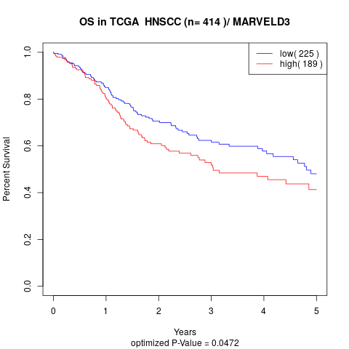

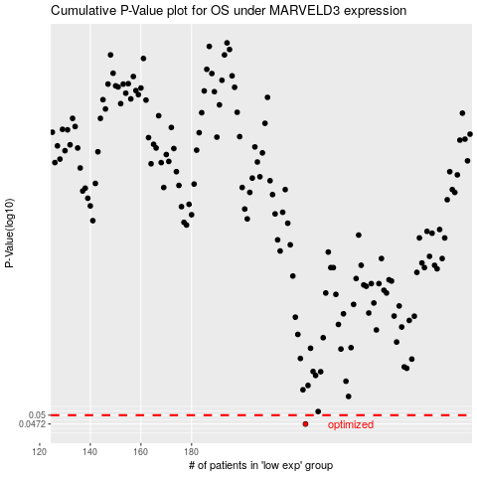

 |  |  |  |  |  | cases_OS | p_OS | rank | exp
 |  |  |  |  |  | 225 | 0.0472 | 253 | -0.038828408026
 |  |  |  |  |  |  | cases_RFS | p_RFS | rank | exp
 |  |  |  |  |  |  | 224 | 0.0472 | 75 | -0.04422737874

