MAST1 _multivariate
Reported by Tex Li-Hsing Chi. tex@gate.sinica.edu.tw 2019-08-18

Table 2. The clinicopathological features of HNSCC cohort and MAST1 expression. (Chi square test)
Cutoff at -0.505 (33.1%)
 |  | MAST1 expression |  | MAST1 expression |  | (Optimised)
 | Features | Low | (%) | High | (%) | Case no | P-value | Remark | Matthews
Gender | Female | 84 | 20.2 | 222 | 53.5 | 415 | 0 | 1 | 0
2 | Male | 54 | 13 | 55 | 13.3
Age at diagnosis | <=65y | 87 | 21 | 187 | 45.1 | 415 | 0.4267 | 0 | 0
4 | >65y | 51 | 12.3 | 90 | 21.7
Clinical T Status | T1+T2 | 62 | 14.9 | 87 | 21 | 415 | 0.0094 | 1 | 0
6 | T3+T4 | 76 | 18.3 | 190 | 45.8
Clinical N Status | N0 | 79 | 19 | 137 | 33 | 415 | 0.164 | 0 | 0
8 | N1-3 | 59 | 14.2 | 140 | 33.7
Clinical M Status | M0 | 137 | 33 | 275 | 66.3 | 415 | 1 | 0 | 0
10 | M1 | 1 | 0.2 | 2 | 0.5
Clinical Stage | Stage I+II | 47 | 11.3 | 55 | 13.3 | 415 | 0.0023 | 1 | 0
12 | Stage III+IV | 91 | 21.9 | 222 | 53.5
Surgical Margin status | Negative | 107 | 25.8 | 211 | 50.8 | 415 | 0.8062 | 0 | 0
14 | Positive | 31 | 7.5 | 66 | 15.9
Tobacco Exposure | Low | 73 | 17.6 | 88 | 21.2 | 415 | 0 | 1 | 0
16 | High | 65 | 15.7 | 189 | 45.5

Table 3. Univariate/Multivariate Cox's proportional hazards regression analyses on OS time of MAST1 gene expression in HNSCC

 |  | Univariate |  |  |  | Multivariate
 | Features | HR | CI95%(L) | CI95%(H) | P-value | HR | CI95%(L) | CI95%(H) | P-value
1 | Female | 1 |  |  |  | 1
Gender | Male | 1.157 | 0.843 | 1.587 | 0.367 | 1.105 | 0.785 | 1.555 | 0.567
11 | <=65y | 1 |  |  |  | 1
Age at diagnosis | >65y | 1.329 | 0.99 | 1.784 | 0.058 | 1.402 | 1.029 | 1.909 | 0.032
12 | T1+T2 | 1 |  |  |  | 1
Clinical T Status | T3+T4 | 1.409 | 1.028 | 1.931 | 0.033 | 2.245 | 1.186 | 4.25 | 0.013
13 | N0 | 1 |  |  |  | 1
Clinical N Status | N1-3 | 1.185 | 0.89 | 1.577 | 0.246 | 1.228 | 0.861 | 1.752 | 0.256
14 | M0 | 1 |  |  |  | 1
Clinical M Status | M1 | 4.097 | 1.009 | 16.644 | 0.049 | 9.056 | 1.973 | 41.579 | 0.005
15 | Stage I+II | 1 |  |  |  | 1
Clinical Stage | Stage III+IV | 1.245 | 0.882 | 1.759 | 0.213 | 0.517 | 0.241 | 1.109 | 0.09
16 | Negative | 1 |  |  |  | 1
Surgical Margin status | Positive | 1.591 | 1.155 | 2.191 | 0.004 | 1.695 | 1.226 | 2.344 | 0.001
17 | Low | 1 |  |  |  | 1
Tobacco Exposure | High | 1.364 | 1.008 | 1.844 | 0.044 | 1.584 | 1.138 | 2.204 | 0.006
18 | Low | 1 |  |  |  | 1
RNAseq(z-score) | High | 0.73 | 0.543 | 0.981 | 0.037 | 0.663 | 0.483 | 0.909 | 0.011

Table 4. Univariate/Multivariate Cox's proportional hazards regression analyses on RFS time of MAST1 gene expression in HNSCC

 |  | Univariate |  |  |  | Multivariate
 | Features | HR | CI95%(L) | CI95%(H) | P-value | HR | CI95%(L) | CI95%(H) | P-value
1 | Female | 1 |  |  |  | 1
Gender | Male | 1.157 | 0.843 | 1.587 | 0.367 | 1.105 | 0.785 | 1.555 | 0.567
11 | <=65y | 1 |  |  |  | 1
Age at diagnosis | >65y | 1.329 | 0.99 | 1.784 | 0.058 | 1.402 | 1.029 | 1.909 | 0.032
12 | T1+T2 | 1 |  |  |  | 1
Clinical T Status | T3+T4 | 1.409 | 1.028 | 1.931 | 0.033 | 2.245 | 1.186 | 4.25 | 0.013
13 | N0 | 1 |  |  |  | 1
Clinical N Status | N1-3 | 1.185 | 0.89 | 1.577 | 0.246 | 1.228 | 0.861 | 1.752 | 0.256
14 | M0 | 1 |  |  |  | 1
Clinical M Status | M1 | 4.097 | 1.009 | 16.644 | 0.049 | 9.056 | 1.973 | 41.579 | 0.005
15 | Stage I+II | 1 |  |  |  | 1
Clinical Stage | Stage III+IV | 1.245 | 0.882 | 1.759 | 0.213 | 0.517 | 0.241 | 1.109 | 0.09
16 | Negative | 1 |  |  |  | 1
Surgical Margin status | Positive | 1.591 | 1.155 | 2.191 | 0.004 | 1.695 | 1.226 | 2.344 | 0.001
17 | Low | 1 |  |  |  | 1
Tobacco Exposure | High | 1.364 | 1.008 | 1.844 | 0.044 | 1.584 | 1.138 | 2.204 | 0.006
18 | Low | 1 |  |  |  | 1
RNAseq(z-score) | High | 0.73 | 0.543 | 0.981 | 0.037 | 0.663 | 0.483 | 0.909 | 0.011

Kaplan-Meier survival estimate: Cutoff at -0.505 (33.1%)



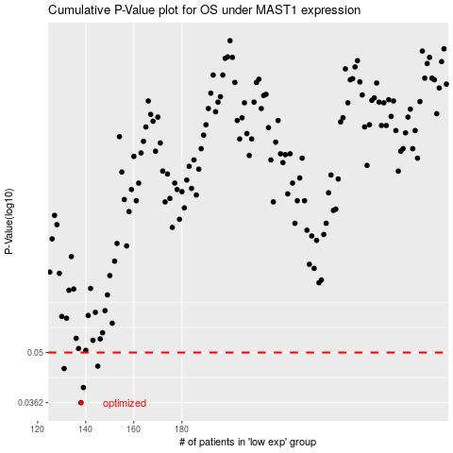

 |  |  |  |  |  | cases_OS | p_OS | rank | exp
 |  |  |  |  |  | 138 | 0.0362 | 343 | -0.50471746511
 |  |  |  |  |  | 139 | 0.0399 | 116 | -0.5024079812
 |  |  |  |  |  | 131 | 0.0451 | 111 | -0.52278831499
 |  |  |  |  |  | 145 | 0.0458 | 178 | -0.49458546619
 |  |  |  |  |  |  | cases_RFS | p_RFS | rank | exp
 |  |  |  |  |  |  | 137 | 0.0362 | 285 | -0.5053012992
 |  |  |  |  |  |  | 138 | 0.0399 | 343 | -0.50471746511
 |  |  |  |  |  |  | 130 | 0.0451 | 389 | -0.52907476467
 |  |  |  |  |  |  | 144 | 0.0458 | 394 | -0.49460485551

