MAT2B _multivariate
Reported by Tex Li-Hsing Chi. tex@gate.sinica.edu.tw 2019-08-18

Table 2. The clinicopathological features of HNSCC cohort and MAT2B expression. (Chi square test)
Cutoff at -0.24 (49.8%)
 |  | MAT2B expression |  | MAT2B expression |  | (Optimised)
 | Features | Low | (%) | High | (%) | Case no | P-value | Remark | Matthews
Gender | Female | 156 | 37.6 | 150 | 36.1 | 415 | 0.5222 | 0 | 0
2 | Male | 51 | 12.3 | 58 | 14
Age at diagnosis | <=65y | 140 | 33.7 | 134 | 32.3 | 415 | 0.5574 | 0 | 0
4 | >65y | 67 | 16.1 | 74 | 17.8
Clinical T Status | T1+T2 | 62 | 14.9 | 87 | 21 | 415 | 0.0156 | 1 | 0
6 | T3+T4 | 145 | 34.9 | 121 | 29.2
Clinical N Status | N0 | 111 | 26.7 | 105 | 25.3 | 415 | 0.5875 | 0 | 0
8 | N1-3 | 96 | 23.1 | 103 | 24.8
Clinical M Status | M0 | 205 | 49.4 | 207 | 49.9 | 415 | 0.6232 | 0 | 0
10 | M1 | 2 | 0.5 | 1 | 0.2
Clinical Stage | Stage I+II | 47 | 11.3 | 55 | 13.3 | 415 | 0.4413 | 0 | 0
12 | Stage III+IV | 160 | 38.6 | 153 | 36.9
Surgical Margin status | Negative | 168 | 40.5 | 150 | 36.1 | 415 | 0.0366 | 1 | 0
14 | Positive | 39 | 9.4 | 58 | 14
Tobacco Exposure | Low | 72 | 17.3 | 89 | 21.4 | 415 | 0.1071 | 0 | 0
16 | High | 135 | 32.5 | 119 | 28.7

Table 3. Univariate/Multivariate Cox's proportional hazards regression analyses on OS time of MAT2B gene expression in HNSCC

 |  | Univariate |  |  |  | Multivariate
 | Features | HR | CI95%(L) | CI95%(H) | P-value | HR | CI95%(L) | CI95%(H) | P-value
1 | Female | 1 |  |  |  | 1
Gender | Male | 1.157 | 0.843 | 1.587 | 0.367 | 1.203 | 0.862 | 1.681 | 0.277
11 | <=65y | 1 |  |  |  | 1
Age at diagnosis | >65y | 1.329 | 0.99 | 1.784 | 0.058 | 1.392 | 1.024 | 1.893 | 0.035
12 | T1+T2 | 1 |  |  |  | 1
Clinical T Status | T3+T4 | 1.409 | 1.028 | 1.931 | 0.033 | 2.219 | 1.171 | 4.205 | 0.015
13 | N0 | 1 |  |  |  | 1
Clinical N Status | N1-3 | 1.185 | 0.89 | 1.577 | 0.246 | 1.244 | 0.871 | 1.775 | 0.23
14 | M0 | 1 |  |  |  | 1
Clinical M Status | M1 | 4.097 | 1.009 | 16.644 | 0.049 | 9.568 | 2.076 | 44.099 | 0.004
15 | Stage I+II | 1 |  |  |  | 1
Clinical Stage | Stage III+IV | 1.245 | 0.882 | 1.759 | 0.213 | 0.502 | 0.234 | 1.079 | 0.078
16 | Negative | 1 |  |  |  | 1
Surgical Margin status | Positive | 1.591 | 1.155 | 2.191 | 0.004 | 1.662 | 1.2 | 2.303 | 0.002
17 | Low | 1 |  |  |  | 1
Tobacco Exposure | High | 1.364 | 1.008 | 1.844 | 0.044 | 1.459 | 1.058 | 2.014 | 0.021
18 | Low | 1 |  |  |  | 1
RNAseq(z-score) | High | 0.987 | 0.741 | 1.315 | 0.929 | 1.04 | 0.774 | 1.396 | 0.796

Table 4. Univariate/Multivariate Cox's proportional hazards regression analyses on RFS time of MAT2B gene expression in HNSCC

 |  | Univariate |  |  |  | Multivariate
 | Features | HR | CI95%(L) | CI95%(H) | P-value | HR | CI95%(L) | CI95%(H) | P-value
1 | Female | 1 |  |  |  | 1
Gender | Male | 1.157 | 0.843 | 1.587 | 0.367 | 1.203 | 0.862 | 1.681 | 0.277
11 | <=65y | 1 |  |  |  | 1
Age at diagnosis | >65y | 1.329 | 0.99 | 1.784 | 0.058 | 1.392 | 1.024 | 1.893 | 0.035
12 | T1+T2 | 1 |  |  |  | 1
Clinical T Status | T3+T4 | 1.409 | 1.028 | 1.931 | 0.033 | 2.219 | 1.171 | 4.205 | 0.015
13 | N0 | 1 |  |  |  | 1
Clinical N Status | N1-3 | 1.185 | 0.89 | 1.577 | 0.246 | 1.244 | 0.871 | 1.775 | 0.23
14 | M0 | 1 |  |  |  | 1
Clinical M Status | M1 | 4.097 | 1.009 | 16.644 | 0.049 | 9.568 | 2.076 | 44.099 | 0.004
15 | Stage I+II | 1 |  |  |  | 1
Clinical Stage | Stage III+IV | 1.245 | 0.882 | 1.759 | 0.213 | 0.502 | 0.234 | 1.079 | 0.078
16 | Negative | 1 |  |  |  | 1
Surgical Margin status | Positive | 1.591 | 1.155 | 2.191 | 0.004 | 1.662 | 1.2 | 2.303 | 0.002
17 | Low | 1 |  |  |  | 1
Tobacco Exposure | High | 1.364 | 1.008 | 1.844 | 0.044 | 1.459 | 1.058 | 2.014 | 0.021
18 | Low | 1 |  |  |  | 1
RNAseq(z-score) | High | 0.987 | 0.741 | 1.315 | 0.929 | 1.04 | 0.774 | 1.396 | 0.796

Kaplan-Meier survival estimate: Cutoff at -0.24 (49.8%)



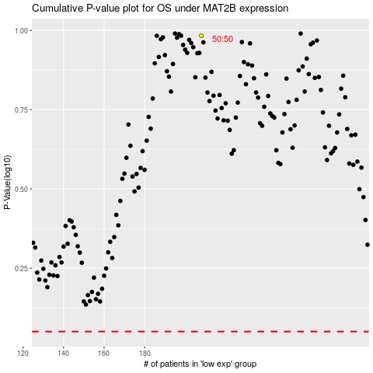

 |  |  |  |  |  | cases_OS | p_OS | rank | exp
 |  |  |  |  |  |  | cases_RFS | p_RFS | rank | exp

