MATN1 _multivariate
Reported by Tex Li-Hsing Chi. tex@gate.sinica.edu.tw 2019-08-18

Table 2. The clinicopathological features of HNSCC cohort and MATN1 expression. (Chi square test)
Cutoff at -0.273 (50.0%)
 |  | MATN1 expression |  | MATN1 expression |  | (Optimised)
 | Features | Low | (%) | High | (%) | Case no | P-value | Remark | Matthews
Gender | Female | 152 | 36.6 | 154 | 37.1 | 415 | 0.9766 | 0 | 0
2 | Male | 55 | 13.3 | 54 | 13
Age at diagnosis | <=65y | 142 | 34.2 | 132 | 31.8 | 415 | 0.3167 | 0 | 0
4 | >65y | 65 | 15.7 | 76 | 18.3
Clinical T Status | T1+T2 | 65 | 15.7 | 84 | 20.2 | 415 | 0.0711 | 0 | 0
6 | T3+T4 | 142 | 34.2 | 124 | 29.9
Clinical N Status | N0 | 109 | 26.3 | 107 | 25.8 | 415 | 0.8812 | 0 | 0
8 | N1-3 | 98 | 23.6 | 101 | 24.3
Clinical M Status | M0 | 206 | 49.6 | 206 | 49.6 | 415 | 1 | 0 | 0
10 | M1 | 1 | 0.2 | 2 | 0.5
Clinical Stage | Stage I+II | 46 | 11.1 | 56 | 13.5 | 415 | 0.3182 | 0 | 0
12 | Stage III+IV | 161 | 38.8 | 152 | 36.6
Surgical Margin status | Negative | 162 | 39 | 156 | 37.6 | 415 | 0.4867 | 0 | 0
14 | Positive | 45 | 10.8 | 52 | 12.5
Tobacco Exposure | Low | 69 | 16.6 | 92 | 22.2 | 415 | 0.0266 | 1 | 0
16 | High | 138 | 33.3 | 116 | 28

Table 3. Univariate/Multivariate Cox's proportional hazards regression analyses on OS time of MATN1 gene expression in HNSCC

 |  | Univariate |  |  |  | Multivariate
 | Features | HR | CI95%(L) | CI95%(H) | P-value | HR | CI95%(L) | CI95%(H) | P-value
1 | Female | 1 |  |  |  | 1
Gender | Male | 1.157 | 0.843 | 1.587 | 0.367 | 1.185 | 0.847 | 1.66 | 0.322
11 | <=65y | 1 |  |  |  | 1
Age at diagnosis | >65y | 1.329 | 0.99 | 1.784 | 0.058 | 1.411 | 1.036 | 1.923 | 0.029
12 | T1+T2 | 1 |  |  |  | 1
Clinical T Status | T3+T4 | 1.409 | 1.028 | 1.931 | 0.033 | 2.185 | 1.156 | 4.131 | 0.016
13 | N0 | 1 |  |  |  | 1
Clinical N Status | N1-3 | 1.185 | 0.89 | 1.577 | 0.246 | 1.246 | 0.873 | 1.777 | 0.226
14 | M0 | 1 |  |  |  | 1
Clinical M Status | M1 | 4.097 | 1.009 | 16.644 | 0.049 | 9.387 | 2.048 | 43.033 | 0.004
15 | Stage I+II | 1 |  |  |  | 1
Clinical Stage | Stage III+IV | 1.245 | 0.882 | 1.759 | 0.213 | 0.507 | 0.236 | 1.088 | 0.081
16 | Negative | 1 |  |  |  | 1
Surgical Margin status | Positive | 1.591 | 1.155 | 2.191 | 0.004 | 1.678 | 1.215 | 2.319 | 0.002
17 | Low | 1 |  |  |  | 1
Tobacco Exposure | High | 1.364 | 1.008 | 1.844 | 0.044 | 1.431 | 1.035 | 1.977 | 0.03
18 | Low | 1 |  |  |  | 1
RNAseq(z-score) | High | 0.87 | 0.653 | 1.159 | 0.341 | 0.891 | 0.665 | 1.194 | 0.439

Table 4. Univariate/Multivariate Cox's proportional hazards regression analyses on RFS time of MATN1 gene expression in HNSCC

 |  | Univariate |  |  |  | Multivariate
 | Features | HR | CI95%(L) | CI95%(H) | P-value | HR | CI95%(L) | CI95%(H) | P-value
1 | Female | 1 |  |  |  | 1
Gender | Male | 1.157 | 0.843 | 1.587 | 0.367 | 1.185 | 0.847 | 1.66 | 0.322
11 | <=65y | 1 |  |  |  | 1
Age at diagnosis | >65y | 1.329 | 0.99 | 1.784 | 0.058 | 1.411 | 1.036 | 1.923 | 0.029
12 | T1+T2 | 1 |  |  |  | 1
Clinical T Status | T3+T4 | 1.409 | 1.028 | 1.931 | 0.033 | 2.185 | 1.156 | 4.131 | 0.016
13 | N0 | 1 |  |  |  | 1
Clinical N Status | N1-3 | 1.185 | 0.89 | 1.577 | 0.246 | 1.246 | 0.873 | 1.777 | 0.226
14 | M0 | 1 |  |  |  | 1
Clinical M Status | M1 | 4.097 | 1.009 | 16.644 | 0.049 | 9.387 | 2.048 | 43.033 | 0.004
15 | Stage I+II | 1 |  |  |  | 1
Clinical Stage | Stage III+IV | 1.245 | 0.882 | 1.759 | 0.213 | 0.507 | 0.236 | 1.088 | 0.081
16 | Negative | 1 |  |  |  | 1
Surgical Margin status | Positive | 1.591 | 1.155 | 2.191 | 0.004 | 1.678 | 1.215 | 2.319 | 0.002
17 | Low | 1 |  |  |  | 1
Tobacco Exposure | High | 1.364 | 1.008 | 1.844 | 0.044 | 1.431 | 1.035 | 1.977 | 0.03
18 | Low | 1 |  |  |  | 1
RNAseq(z-score) | High | 0.87 | 0.653 | 1.159 | 0.341 | 0.891 | 0.665 | 1.194 | 0.439

Kaplan-Meier survival estimate: Cutoff at -0.273 (50.0%)



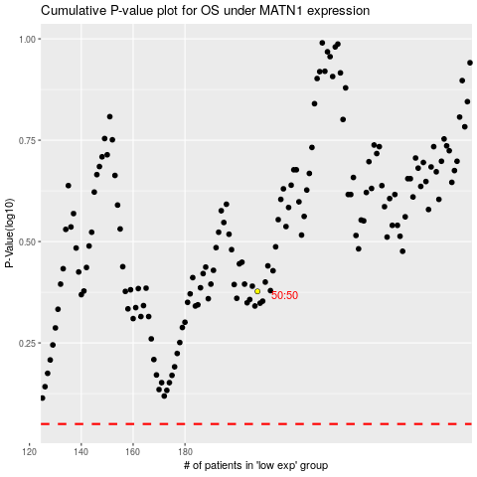

 |  |  |  |  |  | cases_OS | p_OS | rank | exp
 |  |  |  |  |  |  | cases_RFS | p_RFS | rank | exp

