MATN3 _multivariate
Reported by Tex Li-Hsing Chi. tex@gate.sinica.edu.tw 2019-08-18

Table 2. The clinicopathological features of HNSCC cohort and MATN3 expression. (Chi square test)
Cutoff at -0.251 (50.0%)
 |  | MATN3 expression |  | MATN3 expression |  | (Optimised)
 | Features | Low | (%) | High | (%) | Case no | P-value | Remark | Matthews
Gender | Female | 151 | 36.4 | 155 | 37.3 | 415 | 0.8007 | 0 | 0
2 | Male | 56 | 13.5 | 53 | 12.8
Age at diagnosis | <=65y | 131 | 31.6 | 143 | 34.5 | 415 | 0.2839 | 0 | 0
4 | >65y | 76 | 18.3 | 65 | 15.7
Clinical T Status | T1+T2 | 80 | 19.3 | 69 | 16.6 | 415 | 0.2891 | 0 | 0
6 | T3+T4 | 127 | 30.6 | 139 | 33.5
Clinical N Status | N0 | 115 | 27.7 | 101 | 24.3 | 415 | 0.184 | 1 | 0
8 | N1-3 | 92 | 22.2 | 107 | 25.8
Clinical M Status | M0 | 204 | 49.2 | 208 | 50.1 | 415 | 0.1232 | 0 | 0
10 | M1 | 3 | 0.7 | 0 | 0
Clinical Stage | Stage I+II | 49 | 11.8 | 53 | 12.8 | 415 | 0.7535 | 0 | 0
12 | Stage III+IV | 158 | 38.1 | 155 | 37.3
Surgical Margin status | Negative | 163 | 39.3 | 155 | 37.3 | 415 | 0.3537 | 0 | 0
14 | Positive | 44 | 10.6 | 53 | 12.8
Tobacco Exposure | Low | 83 | 20 | 78 | 18.8 | 415 | 0.6152 | 0 | 0
16 | High | 124 | 29.9 | 130 | 31.3

Table 3. Univariate/Multivariate Cox's proportional hazards regression analyses on OS time of MATN3 gene expression in HNSCC

 |  | Univariate |  |  |  | Multivariate
 | Features | HR | CI95%(L) | CI95%(H) | P-value | HR | CI95%(L) | CI95%(H) | P-value
1 | Female | 1 |  |  |  | 1
Gender | Male | 1.157 | 0.843 | 1.587 | 0.367 | 1.196 | 0.856 | 1.67 | 0.294
11 | <=65y | 1 |  |  |  | 1
Age at diagnosis | >65y | 1.329 | 0.99 | 1.784 | 0.058 | 1.422 | 1.043 | 1.939 | 0.026
12 | T1+T2 | 1 |  |  |  | 1
Clinical T Status | T3+T4 | 1.409 | 1.028 | 1.931 | 0.033 | 2.131 | 1.123 | 4.044 | 0.021
13 | N0 | 1 |  |  |  | 1
Clinical N Status | N1-3 | 1.185 | 0.89 | 1.577 | 0.246 | 1.222 | 0.855 | 1.745 | 0.272
14 | M0 | 1 |  |  |  | 1
Clinical M Status | M1 | 4.097 | 1.009 | 16.644 | 0.049 | 9.922 | 2.156 | 45.655 | 0.003
15 | Stage I+II | 1 |  |  |  | 1
Clinical Stage | Stage III+IV | 1.245 | 0.882 | 1.759 | 0.213 | 0.529 | 0.245 | 1.142 | 0.105
16 | Negative | 1 |  |  |  | 1
Surgical Margin status | Positive | 1.591 | 1.155 | 2.191 | 0.004 | 1.654 | 1.196 | 2.286 | 0.002
17 | Low | 1 |  |  |  | 1
Tobacco Exposure | High | 1.364 | 1.008 | 1.844 | 0.044 | 1.438 | 1.043 | 1.981 | 0.026
18 | Low | 1 |  |  |  | 1
RNAseq(z-score) | High | 1.185 | 0.89 | 1.578 | 0.246 | 1.161 | 0.863 | 1.56 | 0.324

Table 4. Univariate/Multivariate Cox's proportional hazards regression analyses on RFS time of MATN3 gene expression in HNSCC

 |  | Univariate |  |  |  | Multivariate
 | Features | HR | CI95%(L) | CI95%(H) | P-value | HR | CI95%(L) | CI95%(H) | P-value
1 | Female | 1 |  |  |  | 1
Gender | Male | 1.157 | 0.843 | 1.587 | 0.367 | 1.196 | 0.856 | 1.67 | 0.294
11 | <=65y | 1 |  |  |  | 1
Age at diagnosis | >65y | 1.329 | 0.99 | 1.784 | 0.058 | 1.422 | 1.043 | 1.939 | 0.026
12 | T1+T2 | 1 |  |  |  | 1
Clinical T Status | T3+T4 | 1.409 | 1.028 | 1.931 | 0.033 | 2.131 | 1.123 | 4.044 | 0.021
13 | N0 | 1 |  |  |  | 1
Clinical N Status | N1-3 | 1.185 | 0.89 | 1.577 | 0.246 | 1.222 | 0.855 | 1.745 | 0.272
14 | M0 | 1 |  |  |  | 1
Clinical M Status | M1 | 4.097 | 1.009 | 16.644 | 0.049 | 9.922 | 2.156 | 45.655 | 0.003
15 | Stage I+II | 1 |  |  |  | 1
Clinical Stage | Stage III+IV | 1.245 | 0.882 | 1.759 | 0.213 | 0.529 | 0.245 | 1.142 | 0.105
16 | Negative | 1 |  |  |  | 1
Surgical Margin status | Positive | 1.591 | 1.155 | 2.191 | 0.004 | 1.654 | 1.196 | 2.286 | 0.002
17 | Low | 1 |  |  |  | 1
Tobacco Exposure | High | 1.364 | 1.008 | 1.844 | 0.044 | 1.438 | 1.043 | 1.981 | 0.026
18 | Low | 1 |  |  |  | 1
RNAseq(z-score) | High | 1.185 | 0.89 | 1.578 | 0.246 | 1.161 | 0.863 | 1.56 | 0.324

Kaplan-Meier survival estimate: Cutoff at -0.251 (50.0%)



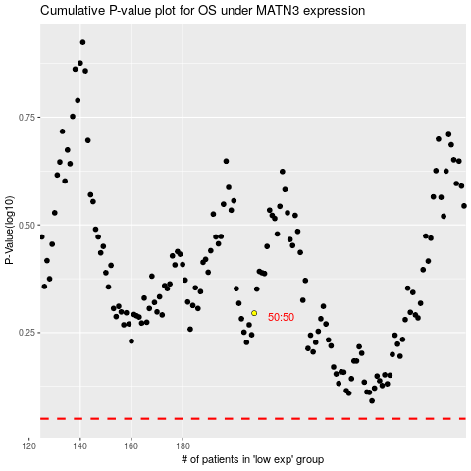

 |  |  |  |  |  | cases_OS | p_OS | rank | exp
 |  |  |  |  |  |  | cases_RFS | p_RFS | rank | exp

