MATR3 _multivariate
Reported by Tex Li-Hsing Chi. tex@gate.sinica.edu.tw 2019-08-18

Table 2. The clinicopathological features of HNSCC cohort and MATR3 expression. (Chi square test)
Cutoff at -0.172 (49.8%)
 |  | MATR3 expression |  | MATR3 expression |  | (Optimised)
 | Features | Low | (%) | High | (%) | Case no | P-value | Remark | Matthews
Gender | Female | 147 | 35.4 | 159 | 38.3 | 415 | 0.2523 | 0 | 0
2 | Male | 60 | 14.5 | 49 | 11.8
Age at diagnosis | <=65y | 135 | 32.5 | 139 | 33.5 | 415 | 0.8084 | 0 | 0
4 | >65y | 72 | 17.3 | 69 | 16.6
Clinical T Status | T1+T2 | 70 | 16.9 | 79 | 19 | 415 | 0.4343 | 0 | 0
6 | T3+T4 | 137 | 33 | 129 | 31.1
Clinical N Status | N0 | 114 | 27.5 | 102 | 24.6 | 415 | 0.2576 | 1 | 0
8 | N1-3 | 93 | 22.4 | 106 | 25.5
Clinical M Status | M0 | 205 | 49.4 | 207 | 49.9 | 415 | 0.6232 | 0 | 0
10 | M1 | 2 | 0.5 | 1 | 0.2
Clinical Stage | Stage I+II | 50 | 12 | 52 | 12.5 | 415 | 0.9315 | 0 | 0
12 | Stage III+IV | 157 | 37.8 | 156 | 37.6
Surgical Margin status | Negative | 164 | 39.5 | 154 | 37.1 | 415 | 0.2462 | 0 | 0
14 | Positive | 43 | 10.4 | 54 | 13
Tobacco Exposure | Low | 84 | 20.2 | 77 | 18.6 | 415 | 0.4816 | 0 | 0
16 | High | 123 | 29.6 | 131 | 31.6

Table 3. Univariate/Multivariate Cox's proportional hazards regression analyses on OS time of MATR3 gene expression in HNSCC

 |  | Univariate |  |  |  | Multivariate
 | Features | HR | CI95%(L) | CI95%(H) | P-value | HR | CI95%(L) | CI95%(H) | P-value
1 | Female | 1 |  |  |  | 1
Gender | Male | 1.157 | 0.843 | 1.587 | 0.367 | 1.228 | 0.877 | 1.718 | 0.232
11 | <=65y | 1 |  |  |  | 1
Age at diagnosis | >65y | 1.329 | 0.99 | 1.784 | 0.058 | 1.405 | 1.033 | 1.91 | 0.03
12 | T1+T2 | 1 |  |  |  | 1
Clinical T Status | T3+T4 | 1.409 | 1.028 | 1.931 | 0.033 | 2.23 | 1.179 | 4.217 | 0.014
13 | N0 | 1 |  |  |  | 1
Clinical N Status | N1-3 | 1.185 | 0.89 | 1.577 | 0.246 | 1.228 | 0.86 | 1.752 | 0.258
14 | M0 | 1 |  |  |  | 1
Clinical M Status | M1 | 4.097 | 1.009 | 16.644 | 0.049 | 10.105 | 2.191 | 46.604 | 0.003
15 | Stage I+II | 1 |  |  |  | 1
Clinical Stage | Stage III+IV | 1.245 | 0.882 | 1.759 | 0.213 | 0.497 | 0.232 | 1.068 | 0.073
16 | Negative | 1 |  |  |  | 1
Surgical Margin status | Positive | 1.591 | 1.155 | 2.191 | 0.004 | 1.641 | 1.186 | 2.271 | 0.003
17 | Low | 1 |  |  |  | 1
Tobacco Exposure | High | 1.364 | 1.008 | 1.844 | 0.044 | 1.466 | 1.063 | 2.02 | 0.02
18 | Low | 1 |  |  |  | 1
RNAseq(z-score) | High | 1.139 | 0.855 | 1.519 | 0.374 | 1.171 | 0.871 | 1.573 | 0.295

Table 4. Univariate/Multivariate Cox's proportional hazards regression analyses on RFS time of MATR3 gene expression in HNSCC

 |  | Univariate |  |  |  | Multivariate
 | Features | HR | CI95%(L) | CI95%(H) | P-value | HR | CI95%(L) | CI95%(H) | P-value
1 | Female | 1 |  |  |  | 1
Gender | Male | 1.157 | 0.843 | 1.587 | 0.367 | 1.228 | 0.877 | 1.718 | 0.232
11 | <=65y | 1 |  |  |  | 1
Age at diagnosis | >65y | 1.329 | 0.99 | 1.784 | 0.058 | 1.405 | 1.033 | 1.91 | 0.03
12 | T1+T2 | 1 |  |  |  | 1
Clinical T Status | T3+T4 | 1.409 | 1.028 | 1.931 | 0.033 | 2.23 | 1.179 | 4.217 | 0.014
13 | N0 | 1 |  |  |  | 1
Clinical N Status | N1-3 | 1.185 | 0.89 | 1.577 | 0.246 | 1.228 | 0.86 | 1.752 | 0.258
14 | M0 | 1 |  |  |  | 1
Clinical M Status | M1 | 4.097 | 1.009 | 16.644 | 0.049 | 10.105 | 2.191 | 46.604 | 0.003
15 | Stage I+II | 1 |  |  |  | 1
Clinical Stage | Stage III+IV | 1.245 | 0.882 | 1.759 | 0.213 | 0.497 | 0.232 | 1.068 | 0.073
16 | Negative | 1 |  |  |  | 1
Surgical Margin status | Positive | 1.591 | 1.155 | 2.191 | 0.004 | 1.641 | 1.186 | 2.271 | 0.003
17 | Low | 1 |  |  |  | 1
Tobacco Exposure | High | 1.364 | 1.008 | 1.844 | 0.044 | 1.466 | 1.063 | 2.02 | 0.02
18 | Low | 1 |  |  |  | 1
RNAseq(z-score) | High | 1.139 | 0.855 | 1.519 | 0.374 | 1.171 | 0.871 | 1.573 | 0.295

Kaplan-Meier survival estimate: Cutoff at -0.172 (49.8%)



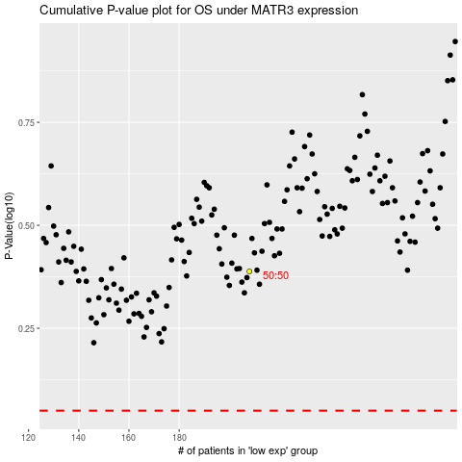

 |  |  |  |  |  | cases_OS | p_OS | rank | exp
 |  |  |  |  |  |  | cases_RFS | p_RFS | rank | exp

