MAVS _multivariate
Reported by Tex Li-Hsing Chi. tex@gate.sinica.edu.tw 2019-08-18

Table 2. The clinicopathological features of HNSCC cohort and MAVS expression. (Chi square test)
Cutoff at -0.254 (49.8%)
 |  | MAVS expression |  | MAVS expression |  | (Optimised)
 | Features | Low | (%) | High | (%) | Case no | P-value | Remark | Matthews
Gender | Female | 150 | 36.1 | 156 | 37.6 | 415 | 0.6344 | 0 | 0
2 | Male | 57 | 13.7 | 52 | 12.5
Age at diagnosis | <=65y | 128 | 30.8 | 146 | 35.2 | 415 | 0.0904 | 0 | 0
4 | >65y | 79 | 19 | 62 | 14.9
Clinical T Status | T1+T2 | 63 | 15.2 | 86 | 20.7 | 415 | 0.0268 | 1 | 0
6 | T3+T4 | 144 | 34.7 | 122 | 29.4
Clinical N Status | N0 | 105 | 25.3 | 111 | 26.7 | 415 | 0.6598 | 0 | 0
8 | N1-3 | 102 | 24.6 | 97 | 23.4
Clinical M Status | M0 | 205 | 49.4 | 207 | 49.9 | 415 | 0.6232 | 0 | 0
10 | M1 | 2 | 0.5 | 1 | 0.2
Clinical Stage | Stage I+II | 41 | 9.9 | 61 | 14.7 | 415 | 0.0325 | 1 | 0
12 | Stage III+IV | 166 | 40 | 147 | 35.4
Surgical Margin status | Negative | 158 | 38.1 | 160 | 38.6 | 415 | 0.9081 | 0 | 0
14 | Positive | 49 | 11.8 | 48 | 11.6
Tobacco Exposure | Low | 76 | 18.3 | 85 | 20.5 | 415 | 0.4207 | 0 | 0
16 | High | 131 | 31.6 | 123 | 29.6

Table 3. Univariate/Multivariate Cox's proportional hazards regression analyses on OS time of MAVS gene expression in HNSCC

 |  | Univariate |  |  |  | Multivariate
 | Features | HR | CI95%(L) | CI95%(H) | P-value | HR | CI95%(L) | CI95%(H) | P-value
1 | Female | 1 |  |  |  | 1
Gender | Male | 1.157 | 0.843 | 1.587 | 0.367 | 1.222 | 0.874 | 1.709 | 0.241
11 | <=65y | 1 |  |  |  | 1
Age at diagnosis | >65y | 1.329 | 0.99 | 1.784 | 0.058 | 1.429 | 1.051 | 1.942 | 0.023
12 | T1+T2 | 1 |  |  |  | 1
Clinical T Status | T3+T4 | 1.409 | 1.028 | 1.931 | 0.033 | 2.271 | 1.2 | 4.299 | 0.012
13 | N0 | 1 |  |  |  | 1
Clinical N Status | N1-3 | 1.185 | 0.89 | 1.577 | 0.246 | 1.233 | 0.864 | 1.759 | 0.248
14 | M0 | 1 |  |  |  | 1
Clinical M Status | M1 | 4.097 | 1.009 | 16.644 | 0.049 | 10.595 | 2.3 | 48.807 | 0.002
15 | Stage I+II | 1 |  |  |  | 1
Clinical Stage | Stage III+IV | 1.245 | 0.882 | 1.759 | 0.213 | 0.508 | 0.237 | 1.093 | 0.083
16 | Negative | 1 |  |  |  | 1
Surgical Margin status | Positive | 1.591 | 1.155 | 2.191 | 0.004 | 1.64 | 1.186 | 2.268 | 0.003
17 | Low | 1 |  |  |  | 1
Tobacco Exposure | High | 1.364 | 1.008 | 1.844 | 0.044 | 1.494 | 1.084 | 2.059 | 0.014
18 | Low | 1 |  |  |  | 1
RNAseq(z-score) | High | 1.212 | 0.91 | 1.615 | 0.189 | 1.349 | 1.007 | 1.806 | 0.045

Table 4. Univariate/Multivariate Cox's proportional hazards regression analyses on RFS time of MAVS gene expression in HNSCC

 |  | Univariate |  |  |  | Multivariate
 | Features | HR | CI95%(L) | CI95%(H) | P-value | HR | CI95%(L) | CI95%(H) | P-value
1 | Female | 1 |  |  |  | 1
Gender | Male | 1.157 | 0.843 | 1.587 | 0.367 | 1.222 | 0.874 | 1.709 | 0.241
11 | <=65y | 1 |  |  |  | 1
Age at diagnosis | >65y | 1.329 | 0.99 | 1.784 | 0.058 | 1.429 | 1.051 | 1.942 | 0.023
12 | T1+T2 | 1 |  |  |  | 1
Clinical T Status | T3+T4 | 1.409 | 1.028 | 1.931 | 0.033 | 2.271 | 1.2 | 4.299 | 0.012
13 | N0 | 1 |  |  |  | 1
Clinical N Status | N1-3 | 1.185 | 0.89 | 1.577 | 0.246 | 1.233 | 0.864 | 1.759 | 0.248
14 | M0 | 1 |  |  |  | 1
Clinical M Status | M1 | 4.097 | 1.009 | 16.644 | 0.049 | 10.595 | 2.3 | 48.807 | 0.002
15 | Stage I+II | 1 |  |  |  | 1
Clinical Stage | Stage III+IV | 1.245 | 0.882 | 1.759 | 0.213 | 0.508 | 0.237 | 1.093 | 0.083
16 | Negative | 1 |  |  |  | 1
Surgical Margin status | Positive | 1.591 | 1.155 | 2.191 | 0.004 | 1.64 | 1.186 | 2.268 | 0.003
17 | Low | 1 |  |  |  | 1
Tobacco Exposure | High | 1.364 | 1.008 | 1.844 | 0.044 | 1.494 | 1.084 | 2.059 | 0.014
18 | Low | 1 |  |  |  | 1
RNAseq(z-score) | High | 1.212 | 0.91 | 1.615 | 0.189 | 1.349 | 1.007 | 1.806 | 0.045

Kaplan-Meier survival estimate: Cutoff at -0.254 (49.8%)



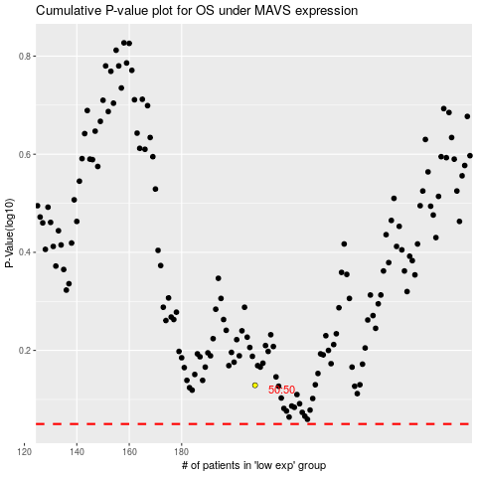

 |  |  |  |  |  | cases_OS | p_OS | rank | exp
 |  |  |  |  |  |  | cases_RFS | p_RFS | rank | exp

