MAX _multivariate
Reported by Tex Li-Hsing Chi. tex@gate.sinica.edu.tw 2019-08-18

Table 2. The clinicopathological features of HNSCC cohort and MAX expression. (Chi square test)
Cutoff at -0.153 (49.8%)
 |  | MAX expression |  | MAX expression |  | (Optimised)
 | Features | Low | (%) | High | (%) | Case no | P-value | Remark | Matthews
Gender | Female | 155 | 37.3 | 151 | 36.4 | 415 | 0.6768 | 0 | 0
2 | Male | 52 | 12.5 | 57 | 13.7
Age at diagnosis | <=65y | 139 | 33.5 | 135 | 32.5 | 415 | 0.7044 | 0 | 0
4 | >65y | 68 | 16.4 | 73 | 17.6
Clinical T Status | T1+T2 | 71 | 17.1 | 78 | 18.8 | 415 | 0.5638 | 0 | 0
6 | T3+T4 | 136 | 32.8 | 130 | 31.3
Clinical N Status | N0 | 111 | 26.7 | 105 | 25.3 | 415 | 0.5875 | 0 | 0
8 | N1-3 | 96 | 23.1 | 103 | 24.8
Clinical M Status | M0 | 206 | 49.6 | 206 | 49.6 | 415 | 1 | 0 | 0
10 | M1 | 1 | 0.2 | 2 | 0.5
Clinical Stage | Stage I+II | 48 | 11.6 | 54 | 13 | 415 | 0.5878 | 0 | 0
12 | Stage III+IV | 159 | 38.3 | 154 | 37.1
Surgical Margin status | Negative | 162 | 39 | 156 | 37.6 | 415 | 0.4867 | 0 | 0
14 | Positive | 45 | 10.8 | 52 | 12.5
Tobacco Exposure | Low | 79 | 19 | 82 | 19.8 | 415 | 0.8405 | 0 | 0
16 | High | 128 | 30.8 | 126 | 30.4

Table 3. Univariate/Multivariate Cox's proportional hazards regression analyses on OS time of MAX gene expression in HNSCC

 |  | Univariate |  |  |  | Multivariate
 | Features | HR | CI95%(L) | CI95%(H) | P-value | HR | CI95%(L) | CI95%(H) | P-value
1 | Female | 1 |  |  |  | 1
Gender | Male | 1.157 | 0.843 | 1.587 | 0.367 | 1.201 | 0.86 | 1.677 | 0.283
11 | <=65y | 1 |  |  |  | 1
Age at diagnosis | >65y | 1.329 | 0.99 | 1.784 | 0.058 | 1.401 | 1.029 | 1.908 | 0.032
12 | T1+T2 | 1 |  |  |  | 1
Clinical T Status | T3+T4 | 1.409 | 1.028 | 1.931 | 0.033 | 2.21 | 1.169 | 4.178 | 0.015
13 | N0 | 1 |  |  |  | 1
Clinical N Status | N1-3 | 1.185 | 0.89 | 1.577 | 0.246 | 1.25 | 0.875 | 1.787 | 0.22
14 | M0 | 1 |  |  |  | 1
Clinical M Status | M1 | 4.097 | 1.009 | 16.644 | 0.049 | 9.506 | 2.072 | 43.598 | 0.004
15 | Stage I+II | 1 |  |  |  | 1
Clinical Stage | Stage III+IV | 1.245 | 0.882 | 1.759 | 0.213 | 0.499 | 0.232 | 1.072 | 0.075
16 | Negative | 1 |  |  |  | 1
Surgical Margin status | Positive | 1.591 | 1.155 | 2.191 | 0.004 | 1.677 | 1.214 | 2.319 | 0.002
17 | Low | 1 |  |  |  | 1
Tobacco Exposure | High | 1.364 | 1.008 | 1.844 | 0.044 | 1.456 | 1.057 | 2.006 | 0.022
18 | Low | 1 |  |  |  | 1
RNAseq(z-score) | High | 1.011 | 0.759 | 1.346 | 0.943 | 0.935 | 0.699 | 1.25 | 0.65

Table 4. Univariate/Multivariate Cox's proportional hazards regression analyses on RFS time of MAX gene expression in HNSCC

 |  | Univariate |  |  |  | Multivariate
 | Features | HR | CI95%(L) | CI95%(H) | P-value | HR | CI95%(L) | CI95%(H) | P-value
1 | Female | 1 |  |  |  | 1
Gender | Male | 1.157 | 0.843 | 1.587 | 0.367 | 1.201 | 0.86 | 1.677 | 0.283
11 | <=65y | 1 |  |  |  | 1
Age at diagnosis | >65y | 1.329 | 0.99 | 1.784 | 0.058 | 1.401 | 1.029 | 1.908 | 0.032
12 | T1+T2 | 1 |  |  |  | 1
Clinical T Status | T3+T4 | 1.409 | 1.028 | 1.931 | 0.033 | 2.21 | 1.169 | 4.178 | 0.015
13 | N0 | 1 |  |  |  | 1
Clinical N Status | N1-3 | 1.185 | 0.89 | 1.577 | 0.246 | 1.25 | 0.875 | 1.787 | 0.22
14 | M0 | 1 |  |  |  | 1
Clinical M Status | M1 | 4.097 | 1.009 | 16.644 | 0.049 | 9.506 | 2.072 | 43.598 | 0.004
15 | Stage I+II | 1 |  |  |  | 1
Clinical Stage | Stage III+IV | 1.245 | 0.882 | 1.759 | 0.213 | 0.499 | 0.232 | 1.072 | 0.075
16 | Negative | 1 |  |  |  | 1
Surgical Margin status | Positive | 1.591 | 1.155 | 2.191 | 0.004 | 1.677 | 1.214 | 2.319 | 0.002
17 | Low | 1 |  |  |  | 1
Tobacco Exposure | High | 1.364 | 1.008 | 1.844 | 0.044 | 1.456 | 1.057 | 2.006 | 0.022
18 | Low | 1 |  |  |  | 1
RNAseq(z-score) | High | 1.011 | 0.759 | 1.346 | 0.943 | 0.935 | 0.699 | 1.25 | 0.65

Kaplan-Meier survival estimate: Cutoff at -0.153 (49.8%)



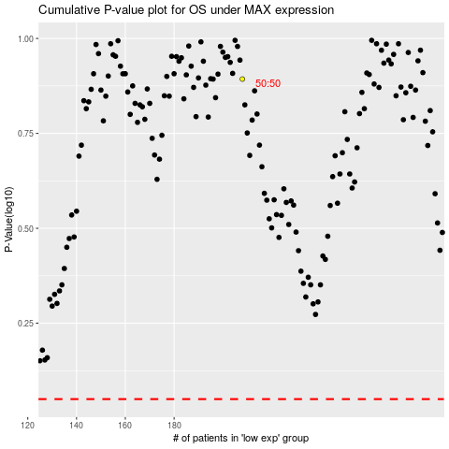

 |  |  |  |  |  | cases_OS | p_OS | rank | exp
 |  |  |  |  |  |  | cases_RFS | p_RFS | rank | exp

