MAZ _multivariate
Reported by Tex Li-Hsing Chi. tex@gate.sinica.edu.tw 2019-08-18

Table 2. The clinicopathological features of HNSCC cohort and MAZ expression. (Chi square test)
Cutoff at -0.116 (49.8%)
 |  | MAZ expression |  | MAZ expression |  | (Optimised)
 | Features | Low | (%) | High | (%) | Case no | P-value | Remark | Matthews
Gender | Female | 142 | 34.2 | 164 | 39.5 | 415 | 0.0238 | 1 | 0
2 | Male | 65 | 15.7 | 44 | 10.6
Age at diagnosis | <=65y | 134 | 32.3 | 140 | 33.7 | 415 | 0.6529 | 0 | 0
4 | >65y | 73 | 17.6 | 68 | 16.4
Clinical T Status | T1+T2 | 73 | 17.6 | 76 | 18.3 | 415 | 0.8666 | 0 | 0
6 | T3+T4 | 134 | 32.3 | 132 | 31.8
Clinical N Status | N0 | 101 | 24.3 | 115 | 27.7 | 415 | 0.2201 | 0 | 0
8 | N1-3 | 106 | 25.5 | 93 | 22.4
Clinical M Status | M0 | 207 | 49.9 | 205 | 49.4 | 415 | 0.2482 | 0 | 0
10 | M1 | 0 | 0 | 3 | 0.7
Clinical Stage | Stage I+II | 49 | 11.8 | 53 | 12.8 | 415 | 0.7535 | 0 | 0
12 | Stage III+IV | 158 | 38.1 | 155 | 37.3
Surgical Margin status | Negative | 157 | 37.8 | 161 | 38.8 | 415 | 0.729 | 0 | 0
14 | Positive | 50 | 12 | 47 | 11.3
Tobacco Exposure | Low | 80 | 19.3 | 81 | 19.5 | 415 | 1 | 0 | 0
16 | High | 127 | 30.6 | 127 | 30.6

Table 3. Univariate/Multivariate Cox's proportional hazards regression analyses on OS time of MAZ gene expression in HNSCC

 |  | Univariate |  |  |  | Multivariate
 | Features | HR | CI95%(L) | CI95%(H) | P-value | HR | CI95%(L) | CI95%(H) | P-value
1 | Female | 1 |  |  |  | 1
Gender | Male | 1.157 | 0.843 | 1.587 | 0.367 | 1.218 | 0.868 | 1.709 | 0.253
11 | <=65y | 1 |  |  |  | 1
Age at diagnosis | >65y | 1.329 | 0.99 | 1.784 | 0.058 | 1.386 | 1.019 | 1.884 | 0.038
12 | T1+T2 | 1 |  |  |  | 1
Clinical T Status | T3+T4 | 1.409 | 1.028 | 1.931 | 0.033 | 2.184 | 1.155 | 4.132 | 0.016
13 | N0 | 1 |  |  |  | 1
Clinical N Status | N1-3 | 1.185 | 0.89 | 1.577 | 0.246 | 1.244 | 0.872 | 1.775 | 0.229
14 | M0 | 1 |  |  |  | 1
Clinical M Status | M1 | 4.097 | 1.009 | 16.644 | 0.049 | 9.004 | 1.948 | 41.617 | 0.005
15 | Stage I+II | 1 |  |  |  | 1
Clinical Stage | Stage III+IV | 1.245 | 0.882 | 1.759 | 0.213 | 0.506 | 0.236 | 1.086 | 0.08
16 | Negative | 1 |  |  |  | 1
Surgical Margin status | Positive | 1.591 | 1.155 | 2.191 | 0.004 | 1.671 | 1.209 | 2.308 | 0.002
17 | Low | 1 |  |  |  | 1
Tobacco Exposure | High | 1.364 | 1.008 | 1.844 | 0.044 | 1.458 | 1.057 | 2.01 | 0.021
18 | Low | 1 |  |  |  | 1
RNAseq(z-score) | High | 1.102 | 0.827 | 1.468 | 0.508 | 1.082 | 0.808 | 1.451 | 0.596

Table 4. Univariate/Multivariate Cox's proportional hazards regression analyses on RFS time of MAZ gene expression in HNSCC

 |  | Univariate |  |  |  | Multivariate
 | Features | HR | CI95%(L) | CI95%(H) | P-value | HR | CI95%(L) | CI95%(H) | P-value
1 | Female | 1 |  |  |  | 1
Gender | Male | 1.157 | 0.843 | 1.587 | 0.367 | 1.218 | 0.868 | 1.709 | 0.253
11 | <=65y | 1 |  |  |  | 1
Age at diagnosis | >65y | 1.329 | 0.99 | 1.784 | 0.058 | 1.386 | 1.019 | 1.884 | 0.038
12 | T1+T2 | 1 |  |  |  | 1
Clinical T Status | T3+T4 | 1.409 | 1.028 | 1.931 | 0.033 | 2.184 | 1.155 | 4.132 | 0.016
13 | N0 | 1 |  |  |  | 1
Clinical N Status | N1-3 | 1.185 | 0.89 | 1.577 | 0.246 | 1.244 | 0.872 | 1.775 | 0.229
14 | M0 | 1 |  |  |  | 1
Clinical M Status | M1 | 4.097 | 1.009 | 16.644 | 0.049 | 9.004 | 1.948 | 41.617 | 0.005
15 | Stage I+II | 1 |  |  |  | 1
Clinical Stage | Stage III+IV | 1.245 | 0.882 | 1.759 | 0.213 | 0.506 | 0.236 | 1.086 | 0.08
16 | Negative | 1 |  |  |  | 1
Surgical Margin status | Positive | 1.591 | 1.155 | 2.191 | 0.004 | 1.671 | 1.209 | 2.308 | 0.002
17 | Low | 1 |  |  |  | 1
Tobacco Exposure | High | 1.364 | 1.008 | 1.844 | 0.044 | 1.458 | 1.057 | 2.01 | 0.021
18 | Low | 1 |  |  |  | 1
RNAseq(z-score) | High | 1.102 | 0.827 | 1.468 | 0.508 | 1.082 | 0.808 | 1.451 | 0.596

Kaplan-Meier survival estimate: Cutoff at -0.116 (49.8%)



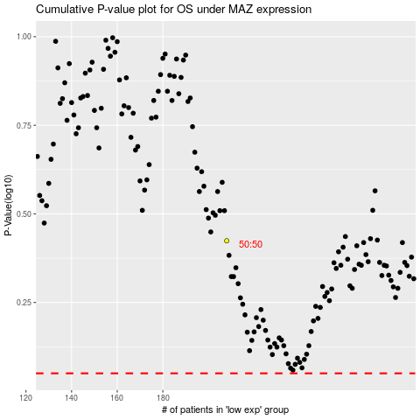

 |  |  |  |  |  | cases_OS | p_OS | rank | exp
 |  |  |  |  |  |  | cases_RFS | p_RFS | rank | exp

