MBD1 _multivariate
Reported by Tex Li-Hsing Chi. tex@gate.sinica.edu.tw 2019-08-18

Table 2. The clinicopathological features of HNSCC cohort and MBD1 expression. (Chi square test)
Cutoff at -0.209 (49.8%)
 |  | MBD1 expression |  | MBD1 expression |  | (Optimised)
 | Features | Low | (%) | High | (%) | Case no | P-value | Remark | Matthews
Gender | Female | 161 | 38.8 | 145 | 34.9 | 415 | 0.0792 | 0 | 0
2 | Male | 46 | 11.1 | 63 | 15.2
Age at diagnosis | <=65y | 143 | 34.5 | 131 | 31.6 | 415 | 0.2269 | 0 | 0
4 | >65y | 64 | 15.4 | 77 | 18.6
Clinical T Status | T1+T2 | 75 | 18.1 | 74 | 17.8 | 415 | 0.9707 | 0 | 0
6 | T3+T4 | 132 | 31.8 | 134 | 32.3
Clinical N Status | N0 | 112 | 27 | 104 | 25.1 | 415 | 0.4599 | 0 | 0
8 | N1-3 | 95 | 22.9 | 104 | 25.1
Clinical M Status | M0 | 206 | 49.6 | 206 | 49.6 | 415 | 1 | 0 | 0
10 | M1 | 1 | 0.2 | 2 | 0.5
Clinical Stage | Stage I+II | 56 | 13.5 | 46 | 11.1 | 415 | 0.2918 | 0 | 0
12 | Stage III+IV | 151 | 36.4 | 162 | 39
Surgical Margin status | Negative | 162 | 39 | 156 | 37.6 | 415 | 0.4867 | 0 | 0
14 | Positive | 45 | 10.8 | 52 | 12.5
Tobacco Exposure | Low | 74 | 17.8 | 87 | 21 | 415 | 0.227 | 0 | 0
16 | High | 133 | 32 | 121 | 29.2

Table 3. Univariate/Multivariate Cox's proportional hazards regression analyses on OS time of MBD1 gene expression in HNSCC

 |  | Univariate |  |  |  | Multivariate
 | Features | HR | CI95%(L) | CI95%(H) | P-value | HR | CI95%(L) | CI95%(H) | P-value
1 | Female | 1 |  |  |  | 1
Gender | Male | 1.157 | 0.843 | 1.587 | 0.367 | 1.188 | 0.848 | 1.664 | 0.317
11 | <=65y | 1 |  |  |  | 1
Age at diagnosis | >65y | 1.329 | 0.99 | 1.784 | 0.058 | 1.384 | 1.018 | 1.884 | 0.038
12 | T1+T2 | 1 |  |  |  | 1
Clinical T Status | T3+T4 | 1.409 | 1.028 | 1.931 | 0.033 | 2.23 | 1.177 | 4.225 | 0.014
13 | N0 | 1 |  |  |  | 1
Clinical N Status | N1-3 | 1.185 | 0.89 | 1.577 | 0.246 | 1.245 | 0.872 | 1.776 | 0.228
14 | M0 | 1 |  |  |  | 1
Clinical M Status | M1 | 4.097 | 1.009 | 16.644 | 0.049 | 9.413 | 2.053 | 43.148 | 0.004
15 | Stage I+II | 1 |  |  |  | 1
Clinical Stage | Stage III+IV | 1.245 | 0.882 | 1.759 | 0.213 | 0.496 | 0.23 | 1.068 | 0.073
16 | Negative | 1 |  |  |  | 1
Surgical Margin status | Positive | 1.591 | 1.155 | 2.191 | 0.004 | 1.665 | 1.205 | 2.301 | 0.002
17 | Low | 1 |  |  |  | 1
Tobacco Exposure | High | 1.364 | 1.008 | 1.844 | 0.044 | 1.454 | 1.055 | 2.003 | 0.022
18 | Low | 1 |  |  |  | 1
RNAseq(z-score) | High | 1.121 | 0.842 | 1.494 | 0.434 | 1.076 | 0.803 | 1.442 | 0.624

Table 4. Univariate/Multivariate Cox's proportional hazards regression analyses on RFS time of MBD1 gene expression in HNSCC

 |  | Univariate |  |  |  | Multivariate
 | Features | HR | CI95%(L) | CI95%(H) | P-value | HR | CI95%(L) | CI95%(H) | P-value
1 | Female | 1 |  |  |  | 1
Gender | Male | 1.157 | 0.843 | 1.587 | 0.367 | 1.188 | 0.848 | 1.664 | 0.317
11 | <=65y | 1 |  |  |  | 1
Age at diagnosis | >65y | 1.329 | 0.99 | 1.784 | 0.058 | 1.384 | 1.018 | 1.884 | 0.038
12 | T1+T2 | 1 |  |  |  | 1
Clinical T Status | T3+T4 | 1.409 | 1.028 | 1.931 | 0.033 | 2.23 | 1.177 | 4.225 | 0.014
13 | N0 | 1 |  |  |  | 1
Clinical N Status | N1-3 | 1.185 | 0.89 | 1.577 | 0.246 | 1.245 | 0.872 | 1.776 | 0.228
14 | M0 | 1 |  |  |  | 1
Clinical M Status | M1 | 4.097 | 1.009 | 16.644 | 0.049 | 9.413 | 2.053 | 43.148 | 0.004
15 | Stage I+II | 1 |  |  |  | 1
Clinical Stage | Stage III+IV | 1.245 | 0.882 | 1.759 | 0.213 | 0.496 | 0.23 | 1.068 | 0.073
16 | Negative | 1 |  |  |  | 1
Surgical Margin status | Positive | 1.591 | 1.155 | 2.191 | 0.004 | 1.665 | 1.205 | 2.301 | 0.002
17 | Low | 1 |  |  |  | 1
Tobacco Exposure | High | 1.364 | 1.008 | 1.844 | 0.044 | 1.454 | 1.055 | 2.003 | 0.022
18 | Low | 1 |  |  |  | 1
RNAseq(z-score) | High | 1.121 | 0.842 | 1.494 | 0.434 | 1.076 | 0.803 | 1.442 | 0.624

Kaplan-Meier survival estimate: Cutoff at -0.209 (49.8%)



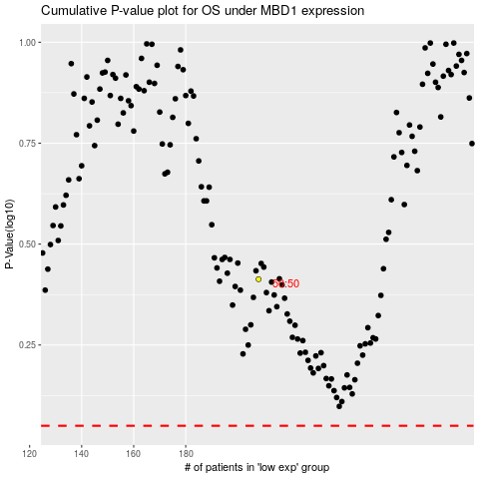

 |  |  |  |  |  | cases_OS | p_OS | rank | exp
 |  |  |  |  |  |  | cases_RFS | p_RFS | rank | exp

