MBD2 _multivariate
Reported by Tex Li-Hsing Chi. tex@gate.sinica.edu.tw 2019-08-18

Table 2. The clinicopathological features of HNSCC cohort and MBD2 expression. (Chi square test)
Cutoff at -0.22 (49.8%)
 |  | MBD2 expression |  | MBD2 expression |  | (Optimised)
 | Features | Low | (%) | High | (%) | Case no | P-value | Remark | Matthews
Gender | Female | 164 | 39.5 | 142 | 34.2 | 415 | 0.0153 | 1 | 0
2 | Male | 43 | 10.4 | 66 | 15.9
Age at diagnosis | <=65y | 147 | 35.4 | 127 | 30.6 | 415 | 0.0416 | 1 | 0
4 | >65y | 60 | 14.5 | 81 | 19.5
Clinical T Status | T1+T2 | 68 | 16.4 | 81 | 19.5 | 415 | 0.2336 | 0 | 0
6 | T3+T4 | 139 | 33.5 | 127 | 30.6
Clinical N Status | N0 | 101 | 24.3 | 115 | 27.7 | 415 | 0.2201 | 0 | 0
8 | N1-3 | 106 | 25.5 | 93 | 22.4
Clinical M Status | M0 | 206 | 49.6 | 206 | 49.6 | 415 | 1 | 0 | 0
10 | M1 | 1 | 0.2 | 2 | 0.5
Clinical Stage | Stage I+II | 46 | 11.1 | 56 | 13.5 | 415 | 0.3182 | 0 | 0
12 | Stage III+IV | 161 | 38.8 | 152 | 36.6
Surgical Margin status | Negative | 165 | 39.8 | 153 | 36.9 | 415 | 0.1639 | 0 | 0
14 | Positive | 42 | 10.1 | 55 | 13.3
Tobacco Exposure | Low | 69 | 16.6 | 92 | 22.2 | 415 | 0.0266 | 1 | 0
16 | High | 138 | 33.3 | 116 | 28

Table 3. Univariate/Multivariate Cox's proportional hazards regression analyses on OS time of MBD2 gene expression in HNSCC

 |  | Univariate |  |  |  | Multivariate
 | Features | HR | CI95%(L) | CI95%(H) | P-value | HR | CI95%(L) | CI95%(H) | P-value
1 | Female | 1 |  |  |  | 1
Gender | Male | 1.157 | 0.843 | 1.587 | 0.367 | 1.2 | 0.858 | 1.678 | 0.287
11 | <=65y | 1 |  |  |  | 1
Age at diagnosis | >65y | 1.329 | 0.99 | 1.784 | 0.058 | 1.391 | 1.024 | 1.891 | 0.035
12 | T1+T2 | 1 |  |  |  | 1
Clinical T Status | T3+T4 | 1.409 | 1.028 | 1.931 | 0.033 | 2.206 | 1.166 | 4.174 | 0.015
13 | N0 | 1 |  |  |  | 1
Clinical N Status | N1-3 | 1.185 | 0.89 | 1.577 | 0.246 | 1.242 | 0.87 | 1.772 | 0.233
14 | M0 | 1 |  |  |  | 1
Clinical M Status | M1 | 4.097 | 1.009 | 16.644 | 0.049 | 9.397 | 2.05 | 43.079 | 0.004
15 | Stage I+II | 1 |  |  |  | 1
Clinical Stage | Stage III+IV | 1.245 | 0.882 | 1.759 | 0.213 | 0.505 | 0.235 | 1.083 | 0.079
16 | Negative | 1 |  |  |  | 1
Surgical Margin status | Positive | 1.591 | 1.155 | 2.191 | 0.004 | 1.668 | 1.204 | 2.311 | 0.002
17 | Low | 1 |  |  |  | 1
Tobacco Exposure | High | 1.364 | 1.008 | 1.844 | 0.044 | 1.453 | 1.055 | 2.002 | 0.022
18 | Low | 1 |  |  |  | 1
RNAseq(z-score) | High | 1.036 | 0.777 | 1.382 | 0.808 | 1.015 | 0.757 | 1.361 | 0.922

Table 4. Univariate/Multivariate Cox's proportional hazards regression analyses on RFS time of MBD2 gene expression in HNSCC

 |  | Univariate |  |  |  | Multivariate
 | Features | HR | CI95%(L) | CI95%(H) | P-value | HR | CI95%(L) | CI95%(H) | P-value
1 | Female | 1 |  |  |  | 1
Gender | Male | 1.157 | 0.843 | 1.587 | 0.367 | 1.2 | 0.858 | 1.678 | 0.287
11 | <=65y | 1 |  |  |  | 1
Age at diagnosis | >65y | 1.329 | 0.99 | 1.784 | 0.058 | 1.391 | 1.024 | 1.891 | 0.035
12 | T1+T2 | 1 |  |  |  | 1
Clinical T Status | T3+T4 | 1.409 | 1.028 | 1.931 | 0.033 | 2.206 | 1.166 | 4.174 | 0.015
13 | N0 | 1 |  |  |  | 1
Clinical N Status | N1-3 | 1.185 | 0.89 | 1.577 | 0.246 | 1.242 | 0.87 | 1.772 | 0.233
14 | M0 | 1 |  |  |  | 1
Clinical M Status | M1 | 4.097 | 1.009 | 16.644 | 0.049 | 9.397 | 2.05 | 43.079 | 0.004
15 | Stage I+II | 1 |  |  |  | 1
Clinical Stage | Stage III+IV | 1.245 | 0.882 | 1.759 | 0.213 | 0.505 | 0.235 | 1.083 | 0.079
16 | Negative | 1 |  |  |  | 1
Surgical Margin status | Positive | 1.591 | 1.155 | 2.191 | 0.004 | 1.668 | 1.204 | 2.311 | 0.002
17 | Low | 1 |  |  |  | 1
Tobacco Exposure | High | 1.364 | 1.008 | 1.844 | 0.044 | 1.453 | 1.055 | 2.002 | 0.022
18 | Low | 1 |  |  |  | 1
RNAseq(z-score) | High | 1.036 | 0.777 | 1.382 | 0.808 | 1.015 | 0.757 | 1.361 | 0.922

Kaplan-Meier survival estimate: Cutoff at -0.22 (49.8%)



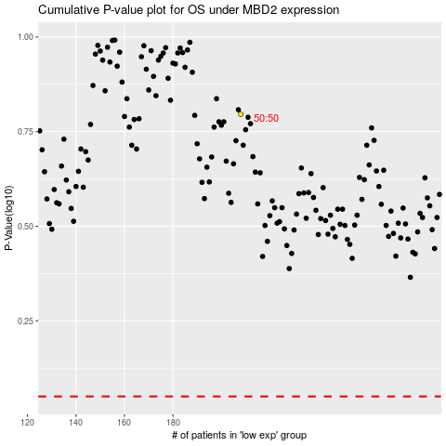

 |  |  |  |  |  | cases_OS | p_OS | rank | exp
 |  |  |  |  |  |  | cases_RFS | p_RFS | rank | exp

