MBD6 _multivariate
Reported by Tex Li-Hsing Chi. tex@gate.sinica.edu.tw 2019-08-18

Table 2. The clinicopathological features of HNSCC cohort and MBD6 expression. (Chi square test)
Cutoff at -0.154 (49.8%)
 |  | MBD6 expression |  | MBD6 expression |  | (Optimised)
 | Features | Low | (%) | High | (%) | Case no | P-value | Remark | Matthews
Gender | Female | 143 | 34.5 | 163 | 39.3 | 415 | 0.0416 | 1 | 0
2 | Male | 64 | 15.4 | 45 | 10.8
Age at diagnosis | <=65y | 138 | 33.3 | 136 | 32.8 | 415 | 0.8634 | 0 | 0
4 | >65y | 69 | 16.6 | 72 | 17.3
Clinical T Status | T1+T2 | 79 | 19 | 70 | 16.9 | 415 | 0.3924 | 0 | 0
6 | T3+T4 | 128 | 30.8 | 138 | 33.3
Clinical N Status | N0 | 110 | 26.5 | 106 | 25.5 | 415 | 0.7294 | 0 | 0
8 | N1-3 | 97 | 23.4 | 102 | 24.6
Clinical M Status | M0 | 206 | 49.6 | 206 | 49.6 | 415 | 1 | 0 | 0
10 | M1 | 1 | 0.2 | 2 | 0.5
Clinical Stage | Stage I+II | 59 | 14.2 | 43 | 10.4 | 415 | 0.0822 | 0 | 0
12 | Stage III+IV | 148 | 35.7 | 165 | 39.8
Surgical Margin status | Negative | 153 | 36.9 | 165 | 39.8 | 415 | 0.2036 | 0 | 0
14 | Positive | 54 | 13 | 43 | 10.4
Tobacco Exposure | Low | 83 | 20 | 78 | 18.8 | 415 | 0.6152 | 0 | 0
16 | High | 124 | 29.9 | 130 | 31.3

Table 3. Univariate/Multivariate Cox's proportional hazards regression analyses on OS time of MBD6 gene expression in HNSCC

 |  | Univariate |  |  |  | Multivariate
 | Features | HR | CI95%(L) | CI95%(H) | P-value | HR | CI95%(L) | CI95%(H) | P-value
1 | Female | 1 |  |  |  | 1
Gender | Male | 1.157 | 0.843 | 1.587 | 0.367 | 1.229 | 0.878 | 1.722 | 0.23
11 | <=65y | 1 |  |  |  | 1
Age at diagnosis | >65y | 1.329 | 0.99 | 1.784 | 0.058 | 1.389 | 1.023 | 1.888 | 0.036
12 | T1+T2 | 1 |  |  |  | 1
Clinical T Status | T3+T4 | 1.409 | 1.028 | 1.931 | 0.033 | 2.274 | 1.198 | 4.316 | 0.012
13 | N0 | 1 |  |  |  | 1
Clinical N Status | N1-3 | 1.185 | 0.89 | 1.577 | 0.246 | 1.254 | 0.878 | 1.79 | 0.213
14 | M0 | 1 |  |  |  | 1
Clinical M Status | M1 | 4.097 | 1.009 | 16.644 | 0.049 | 9.582 | 2.089 | 43.956 | 0.004
15 | Stage I+II | 1 |  |  |  | 1
Clinical Stage | Stage III+IV | 1.245 | 0.882 | 1.759 | 0.213 | 0.478 | 0.221 | 1.035 | 0.061
16 | Negative | 1 |  |  |  | 1
Surgical Margin status | Positive | 1.591 | 1.155 | 2.191 | 0.004 | 1.691 | 1.222 | 2.34 | 0.002
17 | Low | 1 |  |  |  | 1
Tobacco Exposure | High | 1.364 | 1.008 | 1.844 | 0.044 | 1.453 | 1.055 | 2.002 | 0.022
18 | Low | 1 |  |  |  | 1
RNAseq(z-score) | High | 1.066 | 0.8 | 1.42 | 0.664 | 1.152 | 0.857 | 1.548 | 0.348

Table 4. Univariate/Multivariate Cox's proportional hazards regression analyses on RFS time of MBD6 gene expression in HNSCC

 |  | Univariate |  |  |  | Multivariate
 | Features | HR | CI95%(L) | CI95%(H) | P-value | HR | CI95%(L) | CI95%(H) | P-value
1 | Female | 1 |  |  |  | 1
Gender | Male | 1.157 | 0.843 | 1.587 | 0.367 | 1.229 | 0.878 | 1.722 | 0.23
11 | <=65y | 1 |  |  |  | 1
Age at diagnosis | >65y | 1.329 | 0.99 | 1.784 | 0.058 | 1.389 | 1.023 | 1.888 | 0.036
12 | T1+T2 | 1 |  |  |  | 1
Clinical T Status | T3+T4 | 1.409 | 1.028 | 1.931 | 0.033 | 2.274 | 1.198 | 4.316 | 0.012
13 | N0 | 1 |  |  |  | 1
Clinical N Status | N1-3 | 1.185 | 0.89 | 1.577 | 0.246 | 1.254 | 0.878 | 1.79 | 0.213
14 | M0 | 1 |  |  |  | 1
Clinical M Status | M1 | 4.097 | 1.009 | 16.644 | 0.049 | 9.582 | 2.089 | 43.956 | 0.004
15 | Stage I+II | 1 |  |  |  | 1
Clinical Stage | Stage III+IV | 1.245 | 0.882 | 1.759 | 0.213 | 0.478 | 0.221 | 1.035 | 0.061
16 | Negative | 1 |  |  |  | 1
Surgical Margin status | Positive | 1.591 | 1.155 | 2.191 | 0.004 | 1.691 | 1.222 | 2.34 | 0.002
17 | Low | 1 |  |  |  | 1
Tobacco Exposure | High | 1.364 | 1.008 | 1.844 | 0.044 | 1.453 | 1.055 | 2.002 | 0.022
18 | Low | 1 |  |  |  | 1
RNAseq(z-score) | High | 1.066 | 0.8 | 1.42 | 0.664 | 1.152 | 0.857 | 1.548 | 0.348

Kaplan-Meier survival estimate: Cutoff at -0.154 (49.8%)



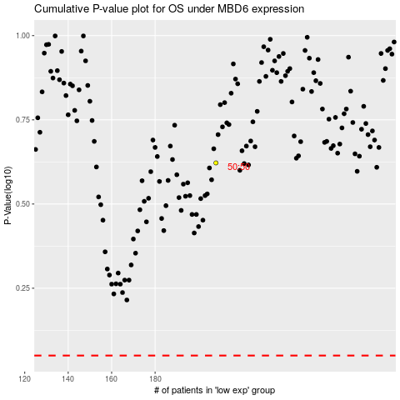

 |  |  |  |  |  | cases_OS | p_OS | rank | exp
 |  |  |  |  |  |  | cases_RFS | p_RFS | rank | exp

