MBIP _multivariate
Reported by Tex Li-Hsing Chi. tex@gate.sinica.edu.tw 2019-08-18

Table 2. The clinicopathological features of HNSCC cohort and MBIP expression. (Chi square test)
Cutoff at 0.003 (58.9%)
 |  | MBIP expression |  | MBIP expression |  | (Optimised)
 | Features | Low | (%) | High | (%) | Case no | P-value | Remark | Matthews
Gender | Female | 184 | 44.3 | 122 | 29.4 | 415 | 0.4163 | 0 | 0
2 | Male | 60 | 14.5 | 49 | 11.8
Age at diagnosis | <=65y | 160 | 38.6 | 114 | 27.5 | 415 | 0.8997 | 0 | 0
4 | >65y | 84 | 20.2 | 57 | 13.7
Clinical T Status | T1+T2 | 88 | 21.2 | 61 | 14.7 | 415 | 1 | 0 | 0
6 | T3+T4 | 156 | 37.6 | 110 | 26.5
Clinical N Status | N0 | 129 | 31.1 | 87 | 21 | 415 | 0.7642 | 0 | 0
8 | N1-3 | 115 | 27.7 | 84 | 20.2
Clinical M Status | M0 | 243 | 58.6 | 169 | 40.7 | 415 | 0.5713 | 0 | 0
10 | M1 | 1 | 0.2 | 2 | 0.5
Clinical Stage | Stage I+II | 63 | 15.2 | 39 | 9.4 | 415 | 0.558 | 0 | 0
12 | Stage III+IV | 181 | 43.6 | 132 | 31.8
Surgical Margin status | Negative | 199 | 48 | 119 | 28.7 | 415 | 0.0065 | 1 | 0
14 | Positive | 45 | 10.8 | 52 | 12.5
Tobacco Exposure | Low | 103 | 24.8 | 58 | 14 | 415 | 0.1016 | 0 | 0
16 | High | 141 | 34 | 113 | 27.2

Table 3. Univariate/Multivariate Cox's proportional hazards regression analyses on OS time of MBIP gene expression in HNSCC

 |  | Univariate |  |  |  | Multivariate
 | Features | HR | CI95%(L) | CI95%(H) | P-value | HR | CI95%(L) | CI95%(H) | P-value
1 | Female | 1 |  |  |  | 1
Gender | Male | 1.157 | 0.843 | 1.587 | 0.367 | 1.183 | 0.846 | 1.654 | 0.325
11 | <=65y | 1 |  |  |  | 1
Age at diagnosis | >65y | 1.329 | 0.99 | 1.784 | 0.058 | 1.39 | 1.023 | 1.889 | 0.035
12 | T1+T2 | 1 |  |  |  | 1
Clinical T Status | T3+T4 | 1.409 | 1.028 | 1.931 | 0.033 | 2.246 | 1.188 | 4.246 | 0.013
13 | N0 | 1 |  |  |  | 1
Clinical N Status | N1-3 | 1.185 | 0.89 | 1.577 | 0.246 | 1.276 | 0.894 | 1.823 | 0.18
14 | M0 | 1 |  |  |  | 1
Clinical M Status | M1 | 4.097 | 1.009 | 16.644 | 0.049 | 8.78 | 1.912 | 40.312 | 0.005
15 | Stage I+II | 1 |  |  |  | 1
Clinical Stage | Stage III+IV | 1.245 | 0.882 | 1.759 | 0.213 | 0.483 | 0.225 | 1.038 | 0.062
16 | Negative | 1 |  |  |  | 1
Surgical Margin status | Positive | 1.591 | 1.155 | 2.191 | 0.004 | 1.605 | 1.158 | 2.223 | 0.004
17 | Low | 1 |  |  |  | 1
Tobacco Exposure | High | 1.364 | 1.008 | 1.844 | 0.044 | 1.399 | 1.013 | 1.931 | 0.041
18 | Low | 1 |  |  |  | 1
RNAseq(z-score) | High | 1.47 | 1.103 | 1.959 | 0.009 | 1.379 | 1.029 | 1.847 | 0.031

Table 4. Univariate/Multivariate Cox's proportional hazards regression analyses on RFS time of MBIP gene expression in HNSCC

 |  | Univariate |  |  |  | Multivariate
 | Features | HR | CI95%(L) | CI95%(H) | P-value | HR | CI95%(L) | CI95%(H) | P-value
1 | Female | 1 |  |  |  | 1
Gender | Male | 1.157 | 0.843 | 1.587 | 0.367 | 1.183 | 0.846 | 1.654 | 0.325
11 | <=65y | 1 |  |  |  | 1
Age at diagnosis | >65y | 1.329 | 0.99 | 1.784 | 0.058 | 1.39 | 1.023 | 1.889 | 0.035
12 | T1+T2 | 1 |  |  |  | 1
Clinical T Status | T3+T4 | 1.409 | 1.028 | 1.931 | 0.033 | 2.246 | 1.188 | 4.246 | 0.013
13 | N0 | 1 |  |  |  | 1
Clinical N Status | N1-3 | 1.185 | 0.89 | 1.577 | 0.246 | 1.276 | 0.894 | 1.823 | 0.18
14 | M0 | 1 |  |  |  | 1
Clinical M Status | M1 | 4.097 | 1.009 | 16.644 | 0.049 | 8.78 | 1.912 | 40.312 | 0.005
15 | Stage I+II | 1 |  |  |  | 1
Clinical Stage | Stage III+IV | 1.245 | 0.882 | 1.759 | 0.213 | 0.483 | 0.225 | 1.038 | 0.062
16 | Negative | 1 |  |  |  | 1
Surgical Margin status | Positive | 1.591 | 1.155 | 2.191 | 0.004 | 1.605 | 1.158 | 2.223 | 0.004
17 | Low | 1 |  |  |  | 1
Tobacco Exposure | High | 1.364 | 1.008 | 1.844 | 0.044 | 1.399 | 1.013 | 1.931 | 0.041
18 | Low | 1 |  |  |  | 1
RNAseq(z-score) | High | 1.47 | 1.103 | 1.959 | 0.009 | 1.379 | 1.029 | 1.847 | 0.031

Kaplan-Meier survival estimate: Cutoff at 0.003 (58.9%)

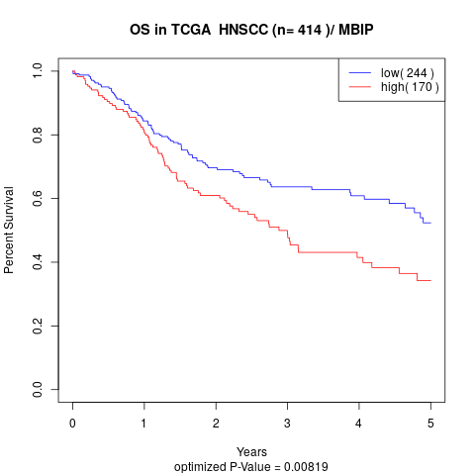

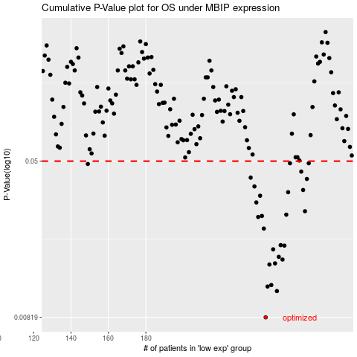

 |  |  |  |  |  | cases_OS | p_OS | rank | exp
 |  |  |  |  |  | 244 | 0.00819 | 204 | 0.0025687821027
 |  |  |  |  |  | 250 | 0.0111 | 344 | 0.015252362797
 |  |  |  |  |  | 245 | 0.0117 | 375 | 0.0070330513311
 |  |  |  |  |  | 247 | 0.0119 | 247 | 0.0082061053708
 |  |  |  |  |  | 246 | 0.0151 | 135 | 0.0071774353496
 |  |  |  |  |  | 249 | 0.0153 | 41 | 0.013891556645
 |  |  |  |  |  | 253 | 0.016 | 3 | 0.01781055143
 |  |  |  |  |  | 251 | 0.0165 | 240 | 0.016160448363
 |  |  |  |  |  | 248 | 0.018 | 16 | 0.0083272187049
 |  |  |  |  |  | 254 | 0.0188 | 283 | 0.022603254635
 |  |  |  |  |  | 252 | 0.0189 | 294 | 0.016202229819
 |  |  |  |  |  | 243 | 0.0229 | 245 | -0.0001597056298
 |  |  |  |  |  | 240 | 0.0262 | 404 | -0.0097065038579
 |  |  |  |  |  | 242 | 0.0265 | 383 | -0.00043895384123
 |  |  |  |  |  | 255 | 0.0269 | 237 | 0.026545520104
 |  |  |  |  |  | 265 | 0.028 | 198 | 0.054359805497
 |  |  |  |  |  | 239 | 0.031 | 303 | -0.01302151861
 |  |  |  |  |  | 241 | 0.0335 | 128 | -0.0021736775789
 |  |  |  |  |  | 256 | 0.0349 | 276 | 0.027441970329
 |  |  |  |  |  | 264 | 0.0358 | 116 | 0.053915546978
 |  |  |  |  |  | 238 | 0.0373 | 136 | -0.013376396545
 |  |  |  |  |  | 266 | 0.0407 | 209 | 0.056005148651
 |  |  |  |  |  | 236 | 0.0413 | 186 | -0.018494360451
 |  |  |  |  |  | 263 | 0.0443 | 89 | 0.051241533802
 |  |  |  |  |  | 149 | 0.0484 | 412 | -0.33944681139
 |  |  |  |  |  | 267 | 0.0488 | 210 | 0.058900762207
 |  |  |  |  |  | 257 | 0.0488 | 225 | 0.028344767103
 |  |  |  |  |  |  | cases_RFS | p_RFS | rank | exp
 |  |  |  |  |  |  | 243 | 0.00819 | 245 | -0.0001597056298
 |  |  |  |  |  |  | 249 | 0.0111 | 41 | 0.013891556645
 |  |  |  |  |  |  | 244 | 0.0117 | 204 | 0.0025687821027
 |  |  |  |  |  |  | 246 | 0.0119 | 135 | 0.0071774353496
 |  |  |  |  |  |  | 245 | 0.0151 | 375 | 0.0070330513311
 |  |  |  |  |  |  | 248 | 0.0153 | 16 | 0.0083272187049
 |  |  |  |  |  |  | 252 | 0.016 | 294 | 0.016202229819
 |  |  |  |  |  |  | 250 | 0.0165 | 344 | 0.015252362797
 |  |  |  |  |  |  | 247 | 0.018 | 247 | 0.0082061053708
 |  |  |  |  |  |  | 253 | 0.0188 | 3 | 0.01781055143
 |  |  |  |  |  |  | 251 | 0.0189 | 240 | 0.016160448363
 |  |  |  |  |  |  | 242 | 0.0229 | 383 | -0.00043895384123
 |  |  |  |  |  |  | 239 | 0.0262 | 303 | -0.01302151861
 |  |  |  |  |  |  | 241 | 0.0265 | 128 | -0.0021736775789
 |  |  |  |  |  |  | 254 | 0.0269 | 283 | 0.022603254635
 |  |  |  |  |  |  | 264 | 0.028 | 116 | 0.053915546978
 |  |  |  |  |  |  | 238 | 0.031 | 136 | -0.013376396545
 |  |  |  |  |  |  | 240 | 0.0335 | 404 | -0.0097065038579
 |  |  |  |  |  |  | 255 | 0.0349 | 237 | 0.026545520104
 |  |  |  |  |  |  | 263 | 0.0358 | 89 | 0.051241533802
 |  |  |  |  |  |  | 237 | 0.0373 | 272 | -0.014506082492
 |  |  |  |  |  |  | 265 | 0.0407 | 198 | 0.054359805497
 |  |  |  |  |  |  | 235 | 0.0413 | 57 | -0.022359409559
 |  |  |  |  |  |  | 262 | 0.0443 | 309 | 0.047254313602
 |  |  |  |  |  |  | 148 | 0.0484 | 231 | -0.34178339964
 |  |  |  |  |  |  | 266 | 0.0488 | 209 | 0.056005148651
 |  |  |  |  |  |  | 256 | 0.0488 | 276 | 0.027441970329

