MBNL2 _multivariate
Reported by Tex Li-Hsing Chi. tex@gate.sinica.edu.tw 2019-08-18

Table 2. The clinicopathological features of HNSCC cohort and MBNL2 expression. (Chi square test)
Cutoff at -0.133 (50.0%)
 |  | MBNL2 expression |  | MBNL2 expression |  | (Optimised)
 | Features | Low | (%) | High | (%) | Case no | P-value | Remark | Matthews
Gender | Female | 159 | 38.3 | 147 | 35.4 | 415 | 0.1905 | 0 | 0
2 | Male | 48 | 11.6 | 61 | 14.7
Age at diagnosis | <=65y | 137 | 33 | 137 | 33 | 415 | 1 | 0 | 0
4 | >65y | 70 | 16.9 | 71 | 17.1
Clinical T Status | T1+T2 | 73 | 17.6 | 76 | 18.3 | 415 | 0.8666 | 0 | 0
6 | T3+T4 | 134 | 32.3 | 132 | 31.8
Clinical N Status | N0 | 106 | 25.5 | 110 | 26.5 | 415 | 0.8075 | 0 | 0
8 | N1-3 | 101 | 24.3 | 98 | 23.6
Clinical M Status | M0 | 204 | 49.2 | 208 | 50.1 | 415 | 0.1232 | 0 | 0
10 | M1 | 3 | 0.7 | 0 | 0
Clinical Stage | Stage I+II | 46 | 11.1 | 56 | 13.5 | 415 | 0.3182 | 0 | 0
12 | Stage III+IV | 161 | 38.8 | 152 | 36.6
Surgical Margin status | Negative | 153 | 36.9 | 165 | 39.8 | 415 | 0.2036 | 0 | 0
14 | Positive | 54 | 13 | 43 | 10.4
Tobacco Exposure | Low | 67 | 16.1 | 94 | 22.7 | 415 | 0.0088 | 1 | 0
16 | High | 140 | 33.7 | 114 | 27.5

Table 3. Univariate/Multivariate Cox's proportional hazards regression analyses on OS time of MBNL2 gene expression in HNSCC

 |  | Univariate |  |  |  | Multivariate
 | Features | HR | CI95%(L) | CI95%(H) | P-value | HR | CI95%(L) | CI95%(H) | P-value
1 | Female | 1 |  |  |  | 1
Gender | Male | 1.157 | 0.843 | 1.587 | 0.367 | 1.191 | 0.852 | 1.663 | 0.306
11 | <=65y | 1 |  |  |  | 1
Age at diagnosis | >65y | 1.329 | 0.99 | 1.784 | 0.058 | 1.424 | 1.046 | 1.939 | 0.025
12 | T1+T2 | 1 |  |  |  | 1
Clinical T Status | T3+T4 | 1.409 | 1.028 | 1.931 | 0.033 | 2.224 | 1.176 | 4.206 | 0.014
13 | N0 | 1 |  |  |  | 1
Clinical N Status | N1-3 | 1.185 | 0.89 | 1.577 | 0.246 | 1.238 | 0.869 | 1.765 | 0.237
14 | M0 | 1 |  |  |  | 1
Clinical M Status | M1 | 4.097 | 1.009 | 16.644 | 0.049 | 11.028 | 2.38 | 51.107 | 0.002
15 | Stage I+II | 1 |  |  |  | 1
Clinical Stage | Stage III+IV | 1.245 | 0.882 | 1.759 | 0.213 | 0.512 | 0.238 | 1.099 | 0.086
16 | Negative | 1 |  |  |  | 1
Surgical Margin status | Positive | 1.591 | 1.155 | 2.191 | 0.004 | 1.722 | 1.243 | 2.384 | 0.001
17 | Low | 1 |  |  |  | 1
Tobacco Exposure | High | 1.364 | 1.008 | 1.844 | 0.044 | 1.535 | 1.107 | 2.129 | 0.01
18 | Low | 1 |  |  |  | 1
RNAseq(z-score) | High | 1.117 | 0.838 | 1.488 | 0.45 | 1.317 | 0.977 | 1.775 | 0.071

Table 4. Univariate/Multivariate Cox's proportional hazards regression analyses on RFS time of MBNL2 gene expression in HNSCC

 |  | Univariate |  |  |  | Multivariate
 | Features | HR | CI95%(L) | CI95%(H) | P-value | HR | CI95%(L) | CI95%(H) | P-value
1 | Female | 1 |  |  |  | 1
Gender | Male | 1.157 | 0.843 | 1.587 | 0.367 | 1.191 | 0.852 | 1.663 | 0.306
11 | <=65y | 1 |  |  |  | 1
Age at diagnosis | >65y | 1.329 | 0.99 | 1.784 | 0.058 | 1.424 | 1.046 | 1.939 | 0.025
12 | T1+T2 | 1 |  |  |  | 1
Clinical T Status | T3+T4 | 1.409 | 1.028 | 1.931 | 0.033 | 2.224 | 1.176 | 4.206 | 0.014
13 | N0 | 1 |  |  |  | 1
Clinical N Status | N1-3 | 1.185 | 0.89 | 1.577 | 0.246 | 1.238 | 0.869 | 1.765 | 0.237
14 | M0 | 1 |  |  |  | 1
Clinical M Status | M1 | 4.097 | 1.009 | 16.644 | 0.049 | 11.028 | 2.38 | 51.107 | 0.002
15 | Stage I+II | 1 |  |  |  | 1
Clinical Stage | Stage III+IV | 1.245 | 0.882 | 1.759 | 0.213 | 0.512 | 0.238 | 1.099 | 0.086
16 | Negative | 1 |  |  |  | 1
Surgical Margin status | Positive | 1.591 | 1.155 | 2.191 | 0.004 | 1.722 | 1.243 | 2.384 | 0.001
17 | Low | 1 |  |  |  | 1
Tobacco Exposure | High | 1.364 | 1.008 | 1.844 | 0.044 | 1.535 | 1.107 | 2.129 | 0.01
18 | Low | 1 |  |  |  | 1
RNAseq(z-score) | High | 1.117 | 0.838 | 1.488 | 0.45 | 1.317 | 0.977 | 1.775 | 0.071

Kaplan-Meier survival estimate: Cutoff at -0.133 (50.0%)



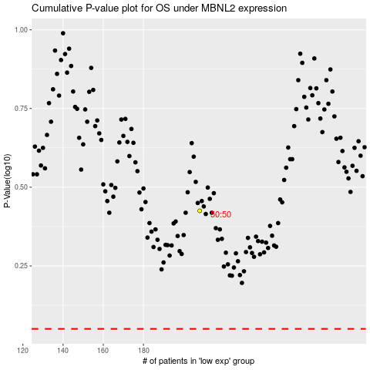

 |  |  |  |  |  | cases_OS | p_OS | rank | exp
 |  |  |  |  |  |  | cases_RFS | p_RFS | rank | exp

