MBOAT1 _multivariate
Reported by Tex Li-Hsing Chi. tex@gate.sinica.edu.tw 2019-08-18

Table 2. The clinicopathological features of HNSCC cohort and MBOAT1 expression. (Chi square test)
Cutoff at -0.337 (49.8%)
 |  | MBOAT1 expression |  | MBOAT1 expression |  | (Optimised)
 | Features | Low | (%) | High | (%) | Case no | P-value | Remark | Matthews
Gender | Female | 145 | 34.9 | 161 | 38.8 | 415 | 0.1116 | 0 | 0
2 | Male | 62 | 14.9 | 47 | 11.3
Age at diagnosis | <=65y | 132 | 31.8 | 142 | 34.2 | 415 | 0.3874 | 0 | 0
4 | >65y | 75 | 18.1 | 66 | 15.9
Clinical T Status | T1+T2 | 70 | 16.9 | 79 | 19 | 415 | 0.4343 | 0 | 0
6 | T3+T4 | 137 | 33 | 129 | 31.1
Clinical N Status | N0 | 109 | 26.3 | 107 | 25.8 | 415 | 0.8812 | 0 | 0
8 | N1-3 | 98 | 23.6 | 101 | 24.3
Clinical M Status | M0 | 206 | 49.6 | 206 | 49.6 | 415 | 1 | 0 | 0
10 | M1 | 1 | 0.2 | 2 | 0.5
Clinical Stage | Stage I+II | 51 | 12.3 | 51 | 12.3 | 415 | 1 | 0 | 0
12 | Stage III+IV | 156 | 37.6 | 157 | 37.8
Surgical Margin status | Negative | 165 | 39.8 | 153 | 36.9 | 415 | 0.1639 | 0 | 0
14 | Positive | 42 | 10.1 | 55 | 13.3
Tobacco Exposure | Low | 87 | 21 | 74 | 17.8 | 415 | 0.1911 | 0 | 0
16 | High | 120 | 28.9 | 134 | 32.3

Table 3. Univariate/Multivariate Cox's proportional hazards regression analyses on OS time of MBOAT1 gene expression in HNSCC

 |  | Univariate |  |  |  | Multivariate
 | Features | HR | CI95%(L) | CI95%(H) | P-value | HR | CI95%(L) | CI95%(H) | P-value
1 | Female | 1 |  |  |  | 1
Gender | Male | 1.157 | 0.843 | 1.587 | 0.367 | 1.231 | 0.879 | 1.724 | 0.226
11 | <=65y | 1 |  |  |  | 1
Age at diagnosis | >65y | 1.329 | 0.99 | 1.784 | 0.058 | 1.395 | 1.027 | 1.896 | 0.033
12 | T1+T2 | 1 |  |  |  | 1
Clinical T Status | T3+T4 | 1.409 | 1.028 | 1.931 | 0.033 | 2.276 | 1.201 | 4.315 | 0.012
13 | N0 | 1 |  |  |  | 1
Clinical N Status | N1-3 | 1.185 | 0.89 | 1.577 | 0.246 | 1.247 | 0.873 | 1.779 | 0.225
14 | M0 | 1 |  |  |  | 1
Clinical M Status | M1 | 4.097 | 1.009 | 16.644 | 0.049 | 9.527 | 2.077 | 43.694 | 0.004
15 | Stage I+II | 1 |  |  |  | 1
Clinical Stage | Stage III+IV | 1.245 | 0.882 | 1.759 | 0.213 | 0.485 | 0.225 | 1.045 | 0.065
16 | Negative | 1 |  |  |  | 1
Surgical Margin status | Positive | 1.591 | 1.155 | 2.191 | 0.004 | 1.658 | 1.199 | 2.293 | 0.002
17 | Low | 1 |  |  |  | 1
Tobacco Exposure | High | 1.364 | 1.008 | 1.844 | 0.044 | 1.429 | 1.036 | 1.97 | 0.029
18 | Low | 1 |  |  |  | 1
RNAseq(z-score) | High | 1.161 | 0.869 | 1.55 | 0.313 | 1.185 | 0.881 | 1.593 | 0.262

Table 4. Univariate/Multivariate Cox's proportional hazards regression analyses on RFS time of MBOAT1 gene expression in HNSCC

 |  | Univariate |  |  |  | Multivariate
 | Features | HR | CI95%(L) | CI95%(H) | P-value | HR | CI95%(L) | CI95%(H) | P-value
1 | Female | 1 |  |  |  | 1
Gender | Male | 1.157 | 0.843 | 1.587 | 0.367 | 1.231 | 0.879 | 1.724 | 0.226
11 | <=65y | 1 |  |  |  | 1
Age at diagnosis | >65y | 1.329 | 0.99 | 1.784 | 0.058 | 1.395 | 1.027 | 1.896 | 0.033
12 | T1+T2 | 1 |  |  |  | 1
Clinical T Status | T3+T4 | 1.409 | 1.028 | 1.931 | 0.033 | 2.276 | 1.201 | 4.315 | 0.012
13 | N0 | 1 |  |  |  | 1
Clinical N Status | N1-3 | 1.185 | 0.89 | 1.577 | 0.246 | 1.247 | 0.873 | 1.779 | 0.225
14 | M0 | 1 |  |  |  | 1
Clinical M Status | M1 | 4.097 | 1.009 | 16.644 | 0.049 | 9.527 | 2.077 | 43.694 | 0.004
15 | Stage I+II | 1 |  |  |  | 1
Clinical Stage | Stage III+IV | 1.245 | 0.882 | 1.759 | 0.213 | 0.485 | 0.225 | 1.045 | 0.065
16 | Negative | 1 |  |  |  | 1
Surgical Margin status | Positive | 1.591 | 1.155 | 2.191 | 0.004 | 1.658 | 1.199 | 2.293 | 0.002
17 | Low | 1 |  |  |  | 1
Tobacco Exposure | High | 1.364 | 1.008 | 1.844 | 0.044 | 1.429 | 1.036 | 1.97 | 0.029
18 | Low | 1 |  |  |  | 1
RNAseq(z-score) | High | 1.161 | 0.869 | 1.55 | 0.313 | 1.185 | 0.881 | 1.593 | 0.262

Kaplan-Meier survival estimate: Cutoff at -0.337 (49.8%)



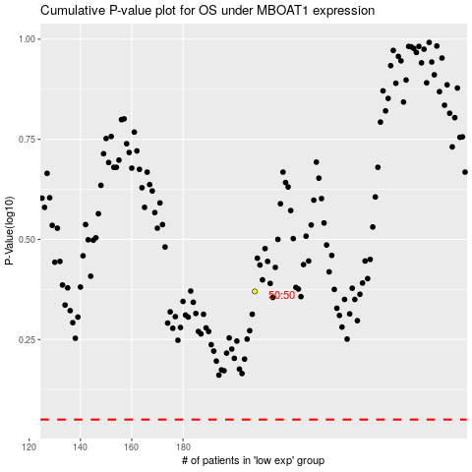

 |  |  |  |  |  | cases_OS | p_OS | rank | exp
 |  |  |  |  |  |  | cases_RFS | p_RFS | rank | exp

