MBOAT2 _multivariate
Reported by Tex Li-Hsing Chi. tex@gate.sinica.edu.tw 2019-08-18

Table 2. The clinicopathological features of HNSCC cohort and MBOAT2 expression. (Chi square test)
Cutoff at -0.563 (31.6%)
 |  | MBOAT2 expression |  | MBOAT2 expression |  | (Optimised)
 | Features | Low | (%) | High | (%) | Case no | P-value | Remark | Matthews
Gender | Female | 101 | 24.3 | 205 | 49.4 | 415 | 0.3484 | 0 | 0
2 | Male | 30 | 7.2 | 79 | 19
Age at diagnosis | <=65y | 90 | 21.7 | 184 | 44.3 | 415 | 0.5023 | 0 | 0
4 | >65y | 41 | 9.9 | 100 | 24.1
Clinical T Status | T1+T2 | 48 | 11.6 | 101 | 24.3 | 415 | 0.9182 | 0 | 0
6 | T3+T4 | 83 | 20 | 183 | 44.1
Clinical N Status | N0 | 64 | 15.4 | 152 | 36.6 | 415 | 0.4362 | 0 | 0
8 | N1-3 | 67 | 16.1 | 132 | 31.8
Clinical M Status | M0 | 131 | 31.6 | 281 | 67.7 | 415 | 0.5549 | 0 | 0
10 | M1 | 0 | 0 | 3 | 0.7
Clinical Stage | Stage I+II | 27 | 6.5 | 75 | 18.1 | 415 | 0.2492 | 0 | 0
12 | Stage III+IV | 104 | 25.1 | 209 | 50.4
Surgical Margin status | Negative | 101 | 24.3 | 217 | 52.3 | 415 | 0.9014 | 0 | 0
14 | Positive | 30 | 7.2 | 67 | 16.1
Tobacco Exposure | Low | 51 | 12.3 | 110 | 26.5 | 415 | 1 | 0 | 0
16 | High | 80 | 19.3 | 174 | 41.9

Table 3. Univariate/Multivariate Cox's proportional hazards regression analyses on OS time of MBOAT2 gene expression in HNSCC

 |  | Univariate |  |  |  | Multivariate
 | Features | HR | CI95%(L) | CI95%(H) | P-value | HR | CI95%(L) | CI95%(H) | P-value
1 | Female | 1 |  |  |  | 1
Gender | Male | 1.157 | 0.843 | 1.587 | 0.367 | 1.187 | 0.85 | 1.657 | 0.315
11 | <=65y | 1 |  |  |  | 1
Age at diagnosis | >65y | 1.329 | 0.99 | 1.784 | 0.058 | 1.381 | 1.017 | 1.876 | 0.039
12 | T1+T2 | 1 |  |  |  | 1
Clinical T Status | T3+T4 | 1.409 | 1.028 | 1.931 | 0.033 | 2.188 | 1.158 | 4.134 | 0.016
13 | N0 | 1 |  |  |  | 1
Clinical N Status | N1-3 | 1.185 | 0.89 | 1.577 | 0.246 | 1.262 | 0.884 | 1.8 | 0.2
14 | M0 | 1 |  |  |  | 1
Clinical M Status | M1 | 4.097 | 1.009 | 16.644 | 0.049 | 8.412 | 1.826 | 38.743 | 0.006
15 | Stage I+II | 1 |  |  |  | 1
Clinical Stage | Stage III+IV | 1.245 | 0.882 | 1.759 | 0.213 | 0.521 | 0.243 | 1.119 | 0.095
16 | Negative | 1 |  |  |  | 1
Surgical Margin status | Positive | 1.591 | 1.155 | 2.191 | 0.004 | 1.651 | 1.194 | 2.282 | 0.002
17 | Low | 1 |  |  |  | 1
Tobacco Exposure | High | 1.364 | 1.008 | 1.844 | 0.044 | 1.41 | 1.022 | 1.945 | 0.036
18 | Low | 1 |  |  |  | 1
RNAseq(z-score) | High | 1.39 | 1.01 | 1.912 | 0.043 | 1.327 | 0.959 | 1.836 | 0.088

Table 4. Univariate/Multivariate Cox's proportional hazards regression analyses on RFS time of MBOAT2 gene expression in HNSCC

 |  | Univariate |  |  |  | Multivariate
 | Features | HR | CI95%(L) | CI95%(H) | P-value | HR | CI95%(L) | CI95%(H) | P-value
1 | Female | 1 |  |  |  | 1
Gender | Male | 1.157 | 0.843 | 1.587 | 0.367 | 1.187 | 0.85 | 1.657 | 0.315
11 | <=65y | 1 |  |  |  | 1
Age at diagnosis | >65y | 1.329 | 0.99 | 1.784 | 0.058 | 1.381 | 1.017 | 1.876 | 0.039
12 | T1+T2 | 1 |  |  |  | 1
Clinical T Status | T3+T4 | 1.409 | 1.028 | 1.931 | 0.033 | 2.188 | 1.158 | 4.134 | 0.016
13 | N0 | 1 |  |  |  | 1
Clinical N Status | N1-3 | 1.185 | 0.89 | 1.577 | 0.246 | 1.262 | 0.884 | 1.8 | 0.2
14 | M0 | 1 |  |  |  | 1
Clinical M Status | M1 | 4.097 | 1.009 | 16.644 | 0.049 | 8.412 | 1.826 | 38.743 | 0.006
15 | Stage I+II | 1 |  |  |  | 1
Clinical Stage | Stage III+IV | 1.245 | 0.882 | 1.759 | 0.213 | 0.521 | 0.243 | 1.119 | 0.095
16 | Negative | 1 |  |  |  | 1
Surgical Margin status | Positive | 1.591 | 1.155 | 2.191 | 0.004 | 1.651 | 1.194 | 2.282 | 0.002
17 | Low | 1 |  |  |  | 1
Tobacco Exposure | High | 1.364 | 1.008 | 1.844 | 0.044 | 1.41 | 1.022 | 1.945 | 0.036
18 | Low | 1 |  |  |  | 1
RNAseq(z-score) | High | 1.39 | 1.01 | 1.912 | 0.043 | 1.327 | 0.959 | 1.836 | 0.088

Kaplan-Meier survival estimate: Cutoff at -0.563 (31.6%)

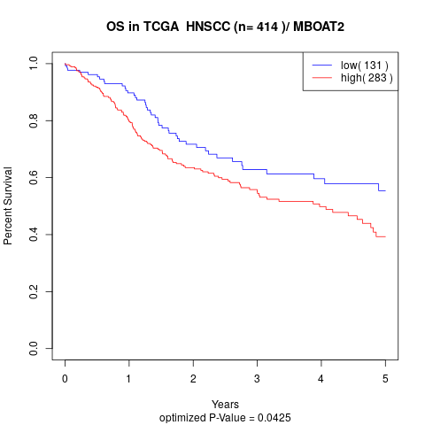

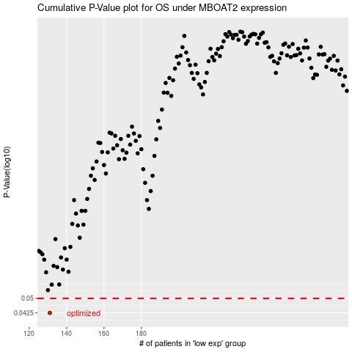

 |  |  |  |  |  | cases_OS | p_OS | rank | exp
 |  |  |  |  |  | 131 | 0.0425 | 79 | -0.5634326779
 |  |  |  |  |  |  | cases_RFS | p_RFS | rank | exp
 |  |  |  |  |  |  | 130 | 0.0425 | 122 | -0.56508339368

