MBP _multivariate
Reported by Tex Li-Hsing Chi. tex@gate.sinica.edu.tw 2019-08-18

Table 2. The clinicopathological features of HNSCC cohort and MBP expression. (Chi square test)
Cutoff at -0.201 (50.0%)
 |  | MBP expression |  | MBP expression |  | (Optimised)
 | Features | Low | (%) | High | (%) | Case no | P-value | Remark | Matthews
Gender | Female | 156 | 37.6 | 150 | 36.1 | 415 | 0.5222 | 0 | 0
2 | Male | 51 | 12.3 | 58 | 14
Age at diagnosis | <=65y | 140 | 33.7 | 134 | 32.3 | 415 | 0.5574 | 0 | 0
4 | >65y | 67 | 16.1 | 74 | 17.8
Clinical T Status | T1+T2 | 55 | 13.3 | 94 | 22.7 | 415 | 1e-04 | 1 | 0
6 | T3+T4 | 152 | 36.6 | 114 | 27.5
Clinical N Status | N0 | 109 | 26.3 | 107 | 25.8 | 415 | 0.8812 | 0 | 0
8 | N1-3 | 98 | 23.6 | 101 | 24.3
Clinical M Status | M0 | 206 | 49.6 | 206 | 49.6 | 415 | 1 | 0 | 0
10 | M1 | 1 | 0.2 | 2 | 0.5
Clinical Stage | Stage I+II | 38 | 9.2 | 64 | 15.4 | 415 | 0.0048 | 1 | 0
12 | Stage III+IV | 169 | 40.7 | 144 | 34.7
Surgical Margin status | Negative | 151 | 36.4 | 167 | 40.2 | 415 | 0.0828 | 0 | 0
14 | Positive | 56 | 13.5 | 41 | 9.9
Tobacco Exposure | Low | 68 | 16.4 | 93 | 22.4 | 415 | 0.0156 | 1 | 0
16 | High | 139 | 33.5 | 115 | 27.7

Table 3. Univariate/Multivariate Cox's proportional hazards regression analyses on OS time of MBP gene expression in HNSCC

 |  | Univariate |  |  |  | Multivariate
 | Features | HR | CI95%(L) | CI95%(H) | P-value | HR | CI95%(L) | CI95%(H) | P-value
1 | Female | 1 |  |  |  | 1
Gender | Male | 1.157 | 0.843 | 1.587 | 0.367 | 1.247 | 0.891 | 1.747 | 0.198
11 | <=65y | 1 |  |  |  | 1
Age at diagnosis | >65y | 1.329 | 0.99 | 1.784 | 0.058 | 1.377 | 1.012 | 1.874 | 0.042
12 | T1+T2 | 1 |  |  |  | 1
Clinical T Status | T3+T4 | 1.409 | 1.028 | 1.931 | 0.033 | 2.361 | 1.244 | 4.48 | 0.009
13 | N0 | 1 |  |  |  | 1
Clinical N Status | N1-3 | 1.185 | 0.89 | 1.577 | 0.246 | 1.22 | 0.855 | 1.74 | 0.273
14 | M0 | 1 |  |  |  | 1
Clinical M Status | M1 | 4.097 | 1.009 | 16.644 | 0.049 | 9.761 | 2.128 | 44.777 | 0.003
15 | Stage I+II | 1 |  |  |  | 1
Clinical Stage | Stage III+IV | 1.245 | 0.882 | 1.759 | 0.213 | 0.505 | 0.235 | 1.083 | 0.079
16 | Negative | 1 |  |  |  | 1
Surgical Margin status | Positive | 1.591 | 1.155 | 2.191 | 0.004 | 1.724 | 1.245 | 2.385 | 0.001
17 | Low | 1 |  |  |  | 1
Tobacco Exposure | High | 1.364 | 1.008 | 1.844 | 0.044 | 1.509 | 1.091 | 2.088 | 0.013
18 | Low | 1 |  |  |  | 1
RNAseq(z-score) | High | 1.14 | 0.855 | 1.519 | 0.373 | 1.342 | 0.995 | 1.81 | 0.054

Table 4. Univariate/Multivariate Cox's proportional hazards regression analyses on RFS time of MBP gene expression in HNSCC

 |  | Univariate |  |  |  | Multivariate
 | Features | HR | CI95%(L) | CI95%(H) | P-value | HR | CI95%(L) | CI95%(H) | P-value
1 | Female | 1 |  |  |  | 1
Gender | Male | 1.157 | 0.843 | 1.587 | 0.367 | 1.247 | 0.891 | 1.747 | 0.198
11 | <=65y | 1 |  |  |  | 1
Age at diagnosis | >65y | 1.329 | 0.99 | 1.784 | 0.058 | 1.377 | 1.012 | 1.874 | 0.042
12 | T1+T2 | 1 |  |  |  | 1
Clinical T Status | T3+T4 | 1.409 | 1.028 | 1.931 | 0.033 | 2.361 | 1.244 | 4.48 | 0.009
13 | N0 | 1 |  |  |  | 1
Clinical N Status | N1-3 | 1.185 | 0.89 | 1.577 | 0.246 | 1.22 | 0.855 | 1.74 | 0.273
14 | M0 | 1 |  |  |  | 1
Clinical M Status | M1 | 4.097 | 1.009 | 16.644 | 0.049 | 9.761 | 2.128 | 44.777 | 0.003
15 | Stage I+II | 1 |  |  |  | 1
Clinical Stage | Stage III+IV | 1.245 | 0.882 | 1.759 | 0.213 | 0.505 | 0.235 | 1.083 | 0.079
16 | Negative | 1 |  |  |  | 1
Surgical Margin status | Positive | 1.591 | 1.155 | 2.191 | 0.004 | 1.724 | 1.245 | 2.385 | 0.001
17 | Low | 1 |  |  |  | 1
Tobacco Exposure | High | 1.364 | 1.008 | 1.844 | 0.044 | 1.509 | 1.091 | 2.088 | 0.013
18 | Low | 1 |  |  |  | 1
RNAseq(z-score) | High | 1.14 | 0.855 | 1.519 | 0.373 | 1.342 | 0.995 | 1.81 | 0.054

Kaplan-Meier survival estimate: Cutoff at -0.201 (50.0%)



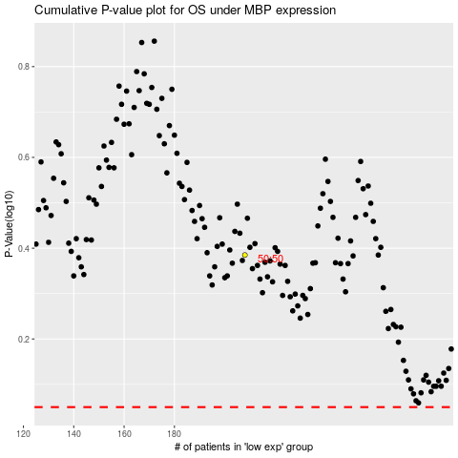

 |  |  |  |  |  | cases_OS | p_OS | rank | exp
 |  |  |  |  |  |  | cases_RFS | p_RFS | rank | exp

