MBTPS1 _multivariate
Reported by Tex Li-Hsing Chi. tex@gate.sinica.edu.tw 2019-08-18

Table 2. The clinicopathological features of HNSCC cohort and MBTPS1 expression. (Chi square test)
Cutoff at -0.13 (49.8%)
 |  | MBTPS1 expression |  | MBTPS1 expression |  | (Optimised)
 | Features | Low | (%) | High | (%) | Case no | P-value | Remark | Matthews
Gender | Female | 149 | 35.9 | 157 | 37.8 | 415 | 0.4848 | 0 | 0
2 | Male | 58 | 14 | 51 | 12.3
Age at diagnosis | <=65y | 129 | 31.1 | 145 | 34.9 | 415 | 0.1372 | 0 | 0
4 | >65y | 78 | 18.8 | 63 | 15.2
Clinical T Status | T1+T2 | 72 | 17.3 | 77 | 18.6 | 415 | 0.7095 | 0 | 0
6 | T3+T4 | 135 | 32.5 | 131 | 31.6
Clinical N Status | N0 | 102 | 24.6 | 114 | 27.5 | 415 | 0.3031 | 0 | 0
8 | N1-3 | 105 | 25.3 | 94 | 22.7
Clinical M Status | M0 | 206 | 49.6 | 206 | 49.6 | 415 | 1 | 0 | 0
10 | M1 | 1 | 0.2 | 2 | 0.5
Clinical Stage | Stage I+II | 47 | 11.3 | 55 | 13.3 | 415 | 0.4413 | 0 | 0
12 | Stage III+IV | 160 | 38.6 | 153 | 36.9
Surgical Margin status | Negative | 153 | 36.9 | 165 | 39.8 | 415 | 0.2036 | 0 | 0
14 | Positive | 54 | 13 | 43 | 10.4
Tobacco Exposure | Low | 86 | 20.7 | 75 | 18.1 | 415 | 0.2687 | 0 | 0
16 | High | 121 | 29.2 | 133 | 32

Table 3. Univariate/Multivariate Cox's proportional hazards regression analyses on OS time of MBTPS1 gene expression in HNSCC

 |  | Univariate |  |  |  | Multivariate
 | Features | HR | CI95%(L) | CI95%(H) | P-value | HR | CI95%(L) | CI95%(H) | P-value
1 | Female | 1 |  |  |  | 1
Gender | Male | 1.157 | 0.843 | 1.587 | 0.367 | 1.199 | 0.858 | 1.676 | 0.287
11 | <=65y | 1 |  |  |  | 1
Age at diagnosis | >65y | 1.329 | 0.99 | 1.784 | 0.058 | 1.386 | 1.019 | 1.885 | 0.037
12 | T1+T2 | 1 |  |  |  | 1
Clinical T Status | T3+T4 | 1.409 | 1.028 | 1.931 | 0.033 | 2.218 | 1.172 | 4.197 | 0.014
13 | N0 | 1 |  |  |  | 1
Clinical N Status | N1-3 | 1.185 | 0.89 | 1.577 | 0.246 | 1.24 | 0.869 | 1.769 | 0.235
14 | M0 | 1 |  |  |  | 1
Clinical M Status | M1 | 4.097 | 1.009 | 16.644 | 0.049 | 9.641 | 2.094 | 44.381 | 0.004
15 | Stage I+II | 1 |  |  |  | 1
Clinical Stage | Stage III+IV | 1.245 | 0.882 | 1.759 | 0.213 | 0.502 | 0.234 | 1.078 | 0.077
16 | Negative | 1 |  |  |  | 1
Surgical Margin status | Positive | 1.591 | 1.155 | 2.191 | 0.004 | 1.664 | 1.204 | 2.301 | 0.002
17 | Low | 1 |  |  |  | 1
Tobacco Exposure | High | 1.364 | 1.008 | 1.844 | 0.044 | 1.463 | 1.06 | 2.019 | 0.021
18 | Low | 1 |  |  |  | 1
RNAseq(z-score) | High | 0.954 | 0.716 | 1.273 | 0.751 | 0.938 | 0.7 | 1.257 | 0.668

Table 4. Univariate/Multivariate Cox's proportional hazards regression analyses on RFS time of MBTPS1 gene expression in HNSCC

 |  | Univariate |  |  |  | Multivariate
 | Features | HR | CI95%(L) | CI95%(H) | P-value | HR | CI95%(L) | CI95%(H) | P-value
1 | Female | 1 |  |  |  | 1
Gender | Male | 1.157 | 0.843 | 1.587 | 0.367 | 1.199 | 0.858 | 1.676 | 0.287
11 | <=65y | 1 |  |  |  | 1
Age at diagnosis | >65y | 1.329 | 0.99 | 1.784 | 0.058 | 1.386 | 1.019 | 1.885 | 0.037
12 | T1+T2 | 1 |  |  |  | 1
Clinical T Status | T3+T4 | 1.409 | 1.028 | 1.931 | 0.033 | 2.218 | 1.172 | 4.197 | 0.014
13 | N0 | 1 |  |  |  | 1
Clinical N Status | N1-3 | 1.185 | 0.89 | 1.577 | 0.246 | 1.24 | 0.869 | 1.769 | 0.235
14 | M0 | 1 |  |  |  | 1
Clinical M Status | M1 | 4.097 | 1.009 | 16.644 | 0.049 | 9.641 | 2.094 | 44.381 | 0.004
15 | Stage I+II | 1 |  |  |  | 1
Clinical Stage | Stage III+IV | 1.245 | 0.882 | 1.759 | 0.213 | 0.502 | 0.234 | 1.078 | 0.077
16 | Negative | 1 |  |  |  | 1
Surgical Margin status | Positive | 1.591 | 1.155 | 2.191 | 0.004 | 1.664 | 1.204 | 2.301 | 0.002
17 | Low | 1 |  |  |  | 1
Tobacco Exposure | High | 1.364 | 1.008 | 1.844 | 0.044 | 1.463 | 1.06 | 2.019 | 0.021
18 | Low | 1 |  |  |  | 1
RNAseq(z-score) | High | 0.954 | 0.716 | 1.273 | 0.751 | 0.938 | 0.7 | 1.257 | 0.668

Kaplan-Meier survival estimate: Cutoff at -0.13 (49.8%)

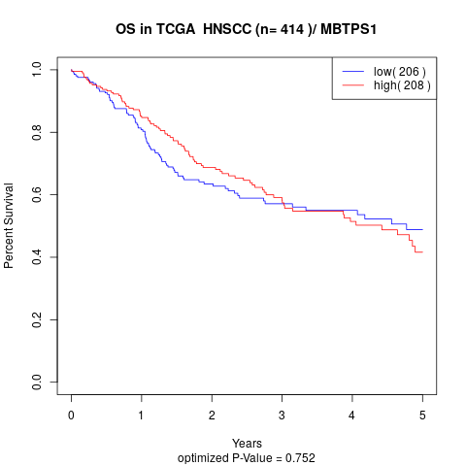

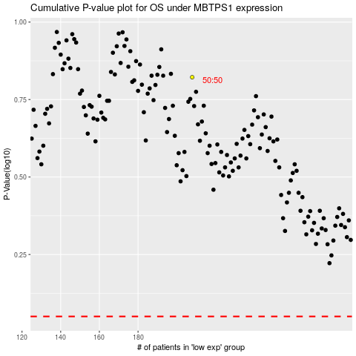

 |  |  |  |  |  | cases_OS | p_OS | rank | exp
 |  |  |  |  |  |  | cases_RFS | p_RFS | rank | exp

