MCAM _multivariate
Reported by Tex Li-Hsing Chi. tex@gate.sinica.edu.tw 2019-08-18

Table 2. The clinicopathological features of HNSCC cohort and MCAM expression. (Chi square test)
Cutoff at -0.131 (49.8%)
 |  | MCAM expression |  | MCAM expression |  | (Optimised)
 | Features | Low | (%) | High | (%) | Case no | P-value | Remark | Matthews
Gender | Female | 158 | 38.1 | 148 | 35.7 | 415 | 0.2774 | 0 | 0
2 | Male | 49 | 11.8 | 60 | 14.5
Age at diagnosis | <=65y | 134 | 32.3 | 140 | 33.7 | 415 | 0.6529 | 0 | 0
4 | >65y | 73 | 17.6 | 68 | 16.4
Clinical T Status | T1+T2 | 78 | 18.8 | 71 | 17.1 | 415 | 0.5152 | 0 | 0
6 | T3+T4 | 129 | 31.1 | 137 | 33
Clinical N Status | N0 | 102 | 24.6 | 114 | 27.5 | 415 | 0.3031 | 0 | 0
8 | N1-3 | 105 | 25.3 | 94 | 22.7
Clinical M Status | M0 | 204 | 49.2 | 208 | 50.1 | 415 | 0.1232 | 0 | 0
10 | M1 | 3 | 0.7 | 0 | 0
Clinical Stage | Stage I+II | 49 | 11.8 | 53 | 12.8 | 415 | 0.7535 | 0 | 0
12 | Stage III+IV | 158 | 38.1 | 155 | 37.3
Surgical Margin status | Negative | 160 | 38.6 | 158 | 38.1 | 415 | 0.8167 | 0 | 0
14 | Positive | 47 | 11.3 | 50 | 12
Tobacco Exposure | Low | 86 | 20.7 | 75 | 18.1 | 415 | 0.2687 | 0 | 0
16 | High | 121 | 29.2 | 133 | 32

Table 3. Univariate/Multivariate Cox's proportional hazards regression analyses on OS time of MCAM gene expression in HNSCC

 |  | Univariate |  |  |  | Multivariate
 | Features | HR | CI95%(L) | CI95%(H) | P-value | HR | CI95%(L) | CI95%(H) | P-value
1 | Female | 1 |  |  |  | 1
Gender | Male | 1.157 | 0.843 | 1.587 | 0.367 | 1.206 | 0.863 | 1.686 | 0.273
11 | <=65y | 1 |  |  |  | 1
Age at diagnosis | >65y | 1.329 | 0.99 | 1.784 | 0.058 | 1.392 | 1.024 | 1.892 | 0.035
12 | T1+T2 | 1 |  |  |  | 1
Clinical T Status | T3+T4 | 1.409 | 1.028 | 1.931 | 0.033 | 2.207 | 1.167 | 4.174 | 0.015
13 | N0 | 1 |  |  |  | 1
Clinical N Status | N1-3 | 1.185 | 0.89 | 1.577 | 0.246 | 1.237 | 0.867 | 1.766 | 0.241
14 | M0 | 1 |  |  |  | 1
Clinical M Status | M1 | 4.097 | 1.009 | 16.644 | 0.049 | 9.18 | 1.993 | 42.29 | 0.004
15 | Stage I+II | 1 |  |  |  | 1
Clinical Stage | Stage III+IV | 1.245 | 0.882 | 1.759 | 0.213 | 0.503 | 0.234 | 1.08 | 0.078
16 | Negative | 1 |  |  |  | 1
Surgical Margin status | Positive | 1.591 | 1.155 | 2.191 | 0.004 | 1.665 | 1.205 | 2.302 | 0.002
17 | Low | 1 |  |  |  | 1
Tobacco Exposure | High | 1.364 | 1.008 | 1.844 | 0.044 | 1.46 | 1.058 | 2.013 | 0.021
18 | Low | 1 |  |  |  | 1
RNAseq(z-score) | High | 0.915 | 0.687 | 1.219 | 0.544 | 0.945 | 0.706 | 1.264 | 0.701

Table 4. Univariate/Multivariate Cox's proportional hazards regression analyses on RFS time of MCAM gene expression in HNSCC

 |  | Univariate |  |  |  | Multivariate
 | Features | HR | CI95%(L) | CI95%(H) | P-value | HR | CI95%(L) | CI95%(H) | P-value
1 | Female | 1 |  |  |  | 1
Gender | Male | 1.157 | 0.843 | 1.587 | 0.367 | 1.206 | 0.863 | 1.686 | 0.273
11 | <=65y | 1 |  |  |  | 1
Age at diagnosis | >65y | 1.329 | 0.99 | 1.784 | 0.058 | 1.392 | 1.024 | 1.892 | 0.035
12 | T1+T2 | 1 |  |  |  | 1
Clinical T Status | T3+T4 | 1.409 | 1.028 | 1.931 | 0.033 | 2.207 | 1.167 | 4.174 | 0.015
13 | N0 | 1 |  |  |  | 1
Clinical N Status | N1-3 | 1.185 | 0.89 | 1.577 | 0.246 | 1.237 | 0.867 | 1.766 | 0.241
14 | M0 | 1 |  |  |  | 1
Clinical M Status | M1 | 4.097 | 1.009 | 16.644 | 0.049 | 9.18 | 1.993 | 42.29 | 0.004
15 | Stage I+II | 1 |  |  |  | 1
Clinical Stage | Stage III+IV | 1.245 | 0.882 | 1.759 | 0.213 | 0.503 | 0.234 | 1.08 | 0.078
16 | Negative | 1 |  |  |  | 1
Surgical Margin status | Positive | 1.591 | 1.155 | 2.191 | 0.004 | 1.665 | 1.205 | 2.302 | 0.002
17 | Low | 1 |  |  |  | 1
Tobacco Exposure | High | 1.364 | 1.008 | 1.844 | 0.044 | 1.46 | 1.058 | 2.013 | 0.021
18 | Low | 1 |  |  |  | 1
RNAseq(z-score) | High | 0.915 | 0.687 | 1.219 | 0.544 | 0.945 | 0.706 | 1.264 | 0.701

Kaplan-Meier survival estimate: Cutoff at -0.131 (49.8%)



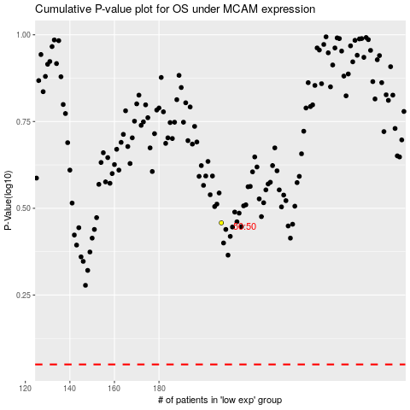

 |  |  |  |  |  | cases_OS | p_OS | rank | exp
 |  |  |  |  |  |  | cases_RFS | p_RFS | rank | exp

