MCC _multivariate
Reported by Tex Li-Hsing Chi. tex@gate.sinica.edu.tw 2019-08-18

Table 2. The clinicopathological features of HNSCC cohort and MCC expression. (Chi square test)
Cutoff at -0.018 (49.8%)
 |  | MCC expression |  | MCC expression |  | (Optimised)
 | Features | Low | (%) | High | (%) | Case no | P-value | Remark | Matthews
Gender | Female | 158 | 38.1 | 148 | 35.7 | 415 | 0.2774 | 0 | 0
2 | Male | 49 | 11.8 | 60 | 14.5
Age at diagnosis | <=65y | 142 | 34.2 | 132 | 31.8 | 415 | 0.3167 | 0 | 0
4 | >65y | 65 | 15.7 | 76 | 18.3
Clinical T Status | T1+T2 | 73 | 17.6 | 76 | 18.3 | 415 | 0.8666 | 0 | 0
6 | T3+T4 | 134 | 32.3 | 132 | 31.8
Clinical N Status | N0 | 102 | 24.6 | 114 | 27.5 | 415 | 0.3031 | 0 | 0
8 | N1-3 | 105 | 25.3 | 94 | 22.7
Clinical M Status | M0 | 206 | 49.6 | 206 | 49.6 | 415 | 1 | 0 | 0
10 | M1 | 1 | 0.2 | 2 | 0.5
Clinical Stage | Stage I+II | 51 | 12.3 | 51 | 12.3 | 415 | 1 | 0 | 0
12 | Stage III+IV | 156 | 37.6 | 157 | 37.8
Surgical Margin status | Negative | 148 | 35.7 | 170 | 41 | 415 | 0.015 | 1 | 0
14 | Positive | 59 | 14.2 | 38 | 9.2
Tobacco Exposure | Low | 77 | 18.6 | 84 | 20.2 | 415 | 0.5459 | 0 | 0
16 | High | 130 | 31.3 | 124 | 29.9

Table 3. Univariate/Multivariate Cox's proportional hazards regression analyses on OS time of MCC gene expression in HNSCC

 |  | Univariate |  |  |  | Multivariate
 | Features | HR | CI95%(L) | CI95%(H) | P-value | HR | CI95%(L) | CI95%(H) | P-value
1 | Female | 1 |  |  |  | 1
Gender | Male | 1.157 | 0.843 | 1.587 | 0.367 | 1.196 | 0.856 | 1.672 | 0.293
11 | <=65y | 1 |  |  |  | 1
Age at diagnosis | >65y | 1.329 | 0.99 | 1.784 | 0.058 | 1.394 | 1.025 | 1.896 | 0.034
12 | T1+T2 | 1 |  |  |  | 1
Clinical T Status | T3+T4 | 1.409 | 1.028 | 1.931 | 0.033 | 2.233 | 1.178 | 4.231 | 0.014
13 | N0 | 1 |  |  |  | 1
Clinical N Status | N1-3 | 1.185 | 0.89 | 1.577 | 0.246 | 1.252 | 0.876 | 1.79 | 0.218
14 | M0 | 1 |  |  |  | 1
Clinical M Status | M1 | 4.097 | 1.009 | 16.644 | 0.049 | 9.43 | 2.057 | 43.23 | 0.004
15 | Stage I+II | 1 |  |  |  | 1
Clinical Stage | Stage III+IV | 1.245 | 0.882 | 1.759 | 0.213 | 0.496 | 0.23 | 1.068 | 0.073
16 | Negative | 1 |  |  |  | 1
Surgical Margin status | Positive | 1.591 | 1.155 | 2.191 | 0.004 | 1.693 | 1.22 | 2.35 | 0.002
17 | Low | 1 |  |  |  | 1
Tobacco Exposure | High | 1.364 | 1.008 | 1.844 | 0.044 | 1.454 | 1.055 | 2.003 | 0.022
18 | Low | 1 |  |  |  | 1
RNAseq(z-score) | High | 0.982 | 0.737 | 1.307 | 0.899 | 1.076 | 0.804 | 1.442 | 0.622

Table 4. Univariate/Multivariate Cox's proportional hazards regression analyses on RFS time of MCC gene expression in HNSCC

 |  | Univariate |  |  |  | Multivariate
 | Features | HR | CI95%(L) | CI95%(H) | P-value | HR | CI95%(L) | CI95%(H) | P-value
1 | Female | 1 |  |  |  | 1
Gender | Male | 1.157 | 0.843 | 1.587 | 0.367 | 1.196 | 0.856 | 1.672 | 0.293
11 | <=65y | 1 |  |  |  | 1
Age at diagnosis | >65y | 1.329 | 0.99 | 1.784 | 0.058 | 1.394 | 1.025 | 1.896 | 0.034
12 | T1+T2 | 1 |  |  |  | 1
Clinical T Status | T3+T4 | 1.409 | 1.028 | 1.931 | 0.033 | 2.233 | 1.178 | 4.231 | 0.014
13 | N0 | 1 |  |  |  | 1
Clinical N Status | N1-3 | 1.185 | 0.89 | 1.577 | 0.246 | 1.252 | 0.876 | 1.79 | 0.218
14 | M0 | 1 |  |  |  | 1
Clinical M Status | M1 | 4.097 | 1.009 | 16.644 | 0.049 | 9.43 | 2.057 | 43.23 | 0.004
15 | Stage I+II | 1 |  |  |  | 1
Clinical Stage | Stage III+IV | 1.245 | 0.882 | 1.759 | 0.213 | 0.496 | 0.23 | 1.068 | 0.073
16 | Negative | 1 |  |  |  | 1
Surgical Margin status | Positive | 1.591 | 1.155 | 2.191 | 0.004 | 1.693 | 1.22 | 2.35 | 0.002
17 | Low | 1 |  |  |  | 1
Tobacco Exposure | High | 1.364 | 1.008 | 1.844 | 0.044 | 1.454 | 1.055 | 2.003 | 0.022
18 | Low | 1 |  |  |  | 1
RNAseq(z-score) | High | 0.982 | 0.737 | 1.307 | 0.899 | 1.076 | 0.804 | 1.442 | 0.622

Kaplan-Meier survival estimate: Cutoff at -0.018 (49.8%)

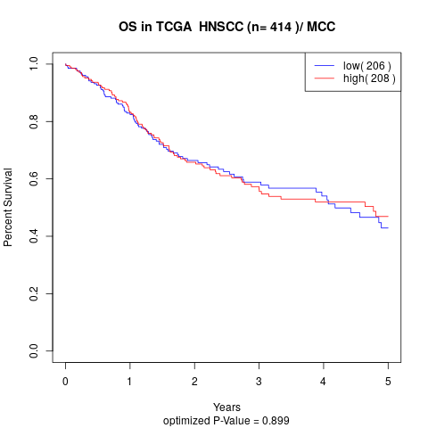

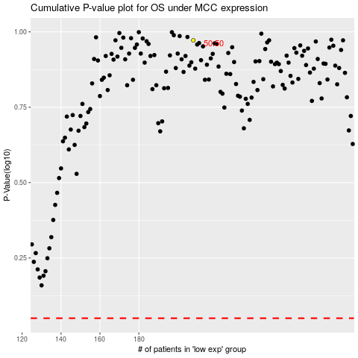

 |  |  |  |  |  | cases_OS | p_OS | rank | exp
 |  |  |  |  |  |  | cases_RFS | p_RFS | rank | exp

