MCCC1 _multivariate
Reported by Tex Li-Hsing Chi. tex@gate.sinica.edu.tw 2019-08-18

Table 2. The clinicopathological features of HNSCC cohort and MCCC1 expression. (Chi square test)
Cutoff at -0.325 (49.8%)
 |  | MCCC1 expression |  | MCCC1 expression |  | (Optimised)
 | Features | Low | (%) | High | (%) | Case no | P-value | Remark | Matthews
Gender | Female | 140 | 33.7 | 166 | 40 | 415 | 0.0068 | 1 | 0
2 | Male | 67 | 16.1 | 42 | 10.1
Age at diagnosis | <=65y | 129 | 31.1 | 145 | 34.9 | 415 | 0.1372 | 0 | 0
4 | >65y | 78 | 18.8 | 63 | 15.2
Clinical T Status | T1+T2 | 82 | 19.8 | 67 | 16.1 | 415 | 0.1417 | 0 | 0
6 | T3+T4 | 125 | 30.1 | 141 | 34
Clinical N Status | N0 | 108 | 26 | 108 | 26 | 415 | 1 | 0 | 0
8 | N1-3 | 99 | 23.9 | 100 | 24.1
Clinical M Status | M0 | 205 | 49.4 | 207 | 49.9 | 415 | 0.6232 | 0 | 0
10 | M1 | 2 | 0.5 | 1 | 0.2
Clinical Stage | Stage I+II | 64 | 15.4 | 38 | 9.2 | 415 | 0.004 | 1 | 0
12 | Stage III+IV | 143 | 34.5 | 170 | 41
Surgical Margin status | Negative | 161 | 38.8 | 157 | 37.8 | 415 | 0.6429 | 0 | 0
14 | Positive | 46 | 11.1 | 51 | 12.3
Tobacco Exposure | Low | 103 | 24.8 | 58 | 14 | 415 | 0 | 1 | 0
16 | High | 104 | 25.1 | 150 | 36.1

Table 3. Univariate/Multivariate Cox's proportional hazards regression analyses on OS time of MCCC1 gene expression in HNSCC

 |  | Univariate |  |  |  | Multivariate
 | Features | HR | CI95%(L) | CI95%(H) | P-value | HR | CI95%(L) | CI95%(H) | P-value
1 | Female | 1 |  |  |  | 1
Gender | Male | 1.157 | 0.843 | 1.587 | 0.367 | 1.198 | 0.856 | 1.677 | 0.291
11 | <=65y | 1 |  |  |  | 1
Age at diagnosis | >65y | 1.329 | 0.99 | 1.784 | 0.058 | 1.39 | 1.022 | 1.89 | 0.036
12 | T1+T2 | 1 |  |  |  | 1
Clinical T Status | T3+T4 | 1.409 | 1.028 | 1.931 | 0.033 | 2.193 | 1.158 | 4.154 | 0.016
13 | N0 | 1 |  |  |  | 1
Clinical N Status | N1-3 | 1.185 | 0.89 | 1.577 | 0.246 | 1.237 | 0.865 | 1.768 | 0.244
14 | M0 | 1 |  |  |  | 1
Clinical M Status | M1 | 4.097 | 1.009 | 16.644 | 0.049 | 9.294 | 2.015 | 42.871 | 0.004
15 | Stage I+II | 1 |  |  |  | 1
Clinical Stage | Stage III+IV | 1.245 | 0.882 | 1.759 | 0.213 | 0.51 | 0.235 | 1.103 | 0.087
16 | Negative | 1 |  |  |  | 1
Surgical Margin status | Positive | 1.591 | 1.155 | 2.191 | 0.004 | 1.671 | 1.209 | 2.309 | 0.002
17 | Low | 1 |  |  |  | 1
Tobacco Exposure | High | 1.364 | 1.008 | 1.844 | 0.044 | 1.46 | 1.054 | 2.023 | 0.023
18 | Low | 1 |  |  |  | 1
RNAseq(z-score) | High | 0.977 | 0.734 | 1.302 | 0.875 | 0.974 | 0.72 | 1.317 | 0.865

Table 4. Univariate/Multivariate Cox's proportional hazards regression analyses on RFS time of MCCC1 gene expression in HNSCC

 |  | Univariate |  |  |  | Multivariate
 | Features | HR | CI95%(L) | CI95%(H) | P-value | HR | CI95%(L) | CI95%(H) | P-value
1 | Female | 1 |  |  |  | 1
Gender | Male | 1.157 | 0.843 | 1.587 | 0.367 | 1.198 | 0.856 | 1.677 | 0.291
11 | <=65y | 1 |  |  |  | 1
Age at diagnosis | >65y | 1.329 | 0.99 | 1.784 | 0.058 | 1.39 | 1.022 | 1.89 | 0.036
12 | T1+T2 | 1 |  |  |  | 1
Clinical T Status | T3+T4 | 1.409 | 1.028 | 1.931 | 0.033 | 2.193 | 1.158 | 4.154 | 0.016
13 | N0 | 1 |  |  |  | 1
Clinical N Status | N1-3 | 1.185 | 0.89 | 1.577 | 0.246 | 1.237 | 0.865 | 1.768 | 0.244
14 | M0 | 1 |  |  |  | 1
Clinical M Status | M1 | 4.097 | 1.009 | 16.644 | 0.049 | 9.294 | 2.015 | 42.871 | 0.004
15 | Stage I+II | 1 |  |  |  | 1
Clinical Stage | Stage III+IV | 1.245 | 0.882 | 1.759 | 0.213 | 0.51 | 0.235 | 1.103 | 0.087
16 | Negative | 1 |  |  |  | 1
Surgical Margin status | Positive | 1.591 | 1.155 | 2.191 | 0.004 | 1.671 | 1.209 | 2.309 | 0.002
17 | Low | 1 |  |  |  | 1
Tobacco Exposure | High | 1.364 | 1.008 | 1.844 | 0.044 | 1.46 | 1.054 | 2.023 | 0.023
18 | Low | 1 |  |  |  | 1
RNAseq(z-score) | High | 0.977 | 0.734 | 1.302 | 0.875 | 0.974 | 0.72 | 1.317 | 0.865

Kaplan-Meier survival estimate: Cutoff at -0.325 (49.8%)

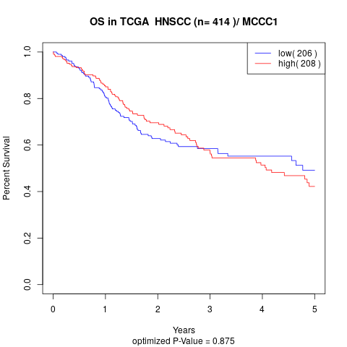

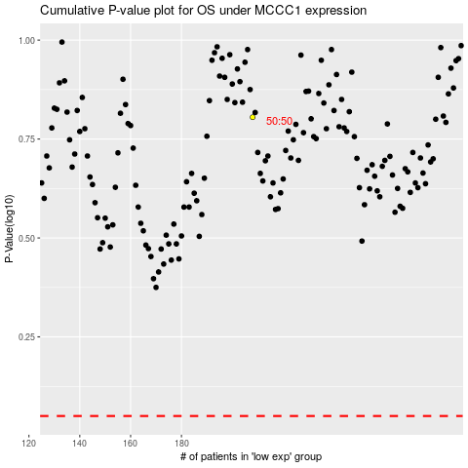

 |  |  |  |  |  | cases_OS | p_OS | rank | exp
 |  |  |  |  |  |  | cases_RFS | p_RFS | rank | exp

