MCF2 _multivariate
Reported by Tex Li-Hsing Chi. tex@gate.sinica.edu.tw 2019-08-18

Table 2. The clinicopathological features of HNSCC cohort and MCF2 expression. (Chi square test)
Cutoff at -0.183 (49.8%)
 |  | MCF2 expression |  | MCF2 expression |  | (Optimised)
 | Features | Low | (%) | High | (%) | Case no | P-value | Remark | Matthews
Gender | Female | 159 | 38.3 | 147 | 35.4 | 415 | 0.1905 | 0 | 0
2 | Male | 48 | 11.6 | 61 | 14.7
Age at diagnosis | <=65y | 150 | 36.1 | 124 | 29.9 | 415 | 0.0078 | 1 | 0
4 | >65y | 57 | 13.7 | 84 | 20.2
Clinical T Status | T1+T2 | 72 | 17.3 | 77 | 18.6 | 415 | 0.7095 | 0 | 0
6 | T3+T4 | 135 | 32.5 | 131 | 31.6
Clinical N Status | N0 | 107 | 25.8 | 109 | 26.3 | 415 | 0.9624 | 0 | 0
8 | N1-3 | 100 | 24.1 | 99 | 23.9
Clinical M Status | M0 | 205 | 49.4 | 207 | 49.9 | 415 | 0.6232 | 0 | 0
10 | M1 | 2 | 0.5 | 1 | 0.2
Clinical Stage | Stage I+II | 49 | 11.8 | 53 | 12.8 | 415 | 0.7535 | 0 | 0
12 | Stage III+IV | 158 | 38.1 | 155 | 37.3
Surgical Margin status | Negative | 167 | 40.2 | 151 | 36.4 | 415 | 0.0632 | 0 | 0
14 | Positive | 40 | 9.6 | 57 | 13.7
Tobacco Exposure | Low | 78 | 18.8 | 83 | 20 | 415 | 0.6873 | 0 | 0
16 | High | 129 | 31.1 | 125 | 30.1

Table 3. Univariate/Multivariate Cox's proportional hazards regression analyses on OS time of MCF2 gene expression in HNSCC

 |  | Univariate |  |  |  | Multivariate
 | Features | HR | CI95%(L) | CI95%(H) | P-value | HR | CI95%(L) | CI95%(H) | P-value
1 | Female | 1 |  |  |  | 1
Gender | Male | 1.157 | 0.843 | 1.587 | 0.367 | 1.207 | 0.864 | 1.686 | 0.271
11 | <=65y | 1 |  |  |  | 1
Age at diagnosis | >65y | 1.329 | 0.99 | 1.784 | 0.058 | 1.42 | 1.042 | 1.937 | 0.027
12 | T1+T2 | 1 |  |  |  | 1
Clinical T Status | T3+T4 | 1.409 | 1.028 | 1.931 | 0.033 | 2.206 | 1.166 | 4.172 | 0.015
13 | N0 | 1 |  |  |  | 1
Clinical N Status | N1-3 | 1.185 | 0.89 | 1.577 | 0.246 | 1.243 | 0.872 | 1.774 | 0.229
14 | M0 | 1 |  |  |  | 1
Clinical M Status | M1 | 4.097 | 1.009 | 16.644 | 0.049 | 9.08 | 1.978 | 41.687 | 0.005
15 | Stage I+II | 1 |  |  |  | 1
Clinical Stage | Stage III+IV | 1.245 | 0.882 | 1.759 | 0.213 | 0.501 | 0.234 | 1.077 | 0.077
16 | Negative | 1 |  |  |  | 1
Surgical Margin status | Positive | 1.591 | 1.155 | 2.191 | 0.004 | 1.72 | 1.238 | 2.388 | 0.001
17 | Low | 1 |  |  |  | 1
Tobacco Exposure | High | 1.364 | 1.008 | 1.844 | 0.044 | 1.468 | 1.064 | 2.025 | 0.02
18 | Low | 1 |  |  |  | 1
RNAseq(z-score) | High | 0.949 | 0.712 | 1.264 | 0.72 | 0.863 | 0.642 | 1.16 | 0.329

Table 4. Univariate/Multivariate Cox's proportional hazards regression analyses on RFS time of MCF2 gene expression in HNSCC

 |  | Univariate |  |  |  | Multivariate
 | Features | HR | CI95%(L) | CI95%(H) | P-value | HR | CI95%(L) | CI95%(H) | P-value
1 | Female | 1 |  |  |  | 1
Gender | Male | 1.157 | 0.843 | 1.587 | 0.367 | 1.207 | 0.864 | 1.686 | 0.271
11 | <=65y | 1 |  |  |  | 1
Age at diagnosis | >65y | 1.329 | 0.99 | 1.784 | 0.058 | 1.42 | 1.042 | 1.937 | 0.027
12 | T1+T2 | 1 |  |  |  | 1
Clinical T Status | T3+T4 | 1.409 | 1.028 | 1.931 | 0.033 | 2.206 | 1.166 | 4.172 | 0.015
13 | N0 | 1 |  |  |  | 1
Clinical N Status | N1-3 | 1.185 | 0.89 | 1.577 | 0.246 | 1.243 | 0.872 | 1.774 | 0.229
14 | M0 | 1 |  |  |  | 1
Clinical M Status | M1 | 4.097 | 1.009 | 16.644 | 0.049 | 9.08 | 1.978 | 41.687 | 0.005
15 | Stage I+II | 1 |  |  |  | 1
Clinical Stage | Stage III+IV | 1.245 | 0.882 | 1.759 | 0.213 | 0.501 | 0.234 | 1.077 | 0.077
16 | Negative | 1 |  |  |  | 1
Surgical Margin status | Positive | 1.591 | 1.155 | 2.191 | 0.004 | 1.72 | 1.238 | 2.388 | 0.001
17 | Low | 1 |  |  |  | 1
Tobacco Exposure | High | 1.364 | 1.008 | 1.844 | 0.044 | 1.468 | 1.064 | 2.025 | 0.02
18 | Low | 1 |  |  |  | 1
RNAseq(z-score) | High | 0.949 | 0.712 | 1.264 | 0.72 | 0.863 | 0.642 | 1.16 | 0.329

Kaplan-Meier survival estimate: Cutoff at -0.183 (49.8%)



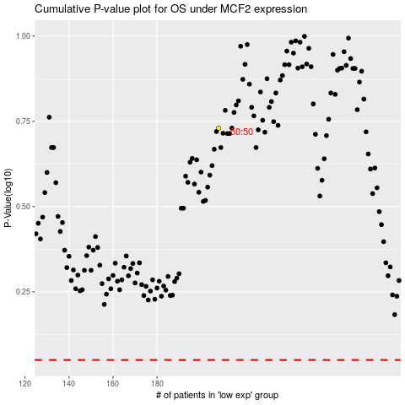

 |  |  |  |  |  | cases_OS | p_OS | rank | exp
 |  |  |  |  |  |  | cases_RFS | p_RFS | rank | exp

