MCF2L2 _multivariate
Reported by Tex Li-Hsing Chi. tex@gate.sinica.edu.tw 2019-08-18

Table 2. The clinicopathological features of HNSCC cohort and MCF2L2 expression. (Chi square test)
Cutoff at -0.264 (50.0%)
 |  | MCF2L2 expression |  | MCF2L2 expression |  | (Optimised)
 | Features | Low | (%) | High | (%) | Case no | P-value | Remark | Matthews
Gender | Female | 154 | 37.1 | 152 | 36.6 | 415 | 0.8463 | 0 | 0
2 | Male | 53 | 12.8 | 56 | 13.5
Age at diagnosis | <=65y | 137 | 33 | 137 | 33 | 415 | 1 | 0 | 0
4 | >65y | 70 | 16.9 | 71 | 17.1
Clinical T Status | T1+T2 | 89 | 21.4 | 60 | 14.5 | 415 | 0.0037 | 1 | 0
6 | T3+T4 | 118 | 28.4 | 148 | 35.7
Clinical N Status | N0 | 115 | 27.7 | 101 | 24.3 | 415 | 0.184 | 1 | 0
8 | N1-3 | 92 | 22.2 | 107 | 25.8
Clinical M Status | M0 | 206 | 49.6 | 206 | 49.6 | 415 | 1 | 0 | 0
10 | M1 | 1 | 0.2 | 2 | 0.5
Clinical Stage | Stage I+II | 60 | 14.5 | 42 | 10.1 | 415 | 0.0493 | 1 | 0
12 | Stage III+IV | 147 | 35.4 | 166 | 40
Surgical Margin status | Negative | 162 | 39 | 156 | 37.6 | 415 | 0.4867 | 0 | 0
14 | Positive | 45 | 10.8 | 52 | 12.5
Tobacco Exposure | Low | 85 | 20.5 | 76 | 18.3 | 415 | 0.3655 | 0 | 0
16 | High | 122 | 29.4 | 132 | 31.8

Table 3. Univariate/Multivariate Cox's proportional hazards regression analyses on OS time of MCF2L2 gene expression in HNSCC

 |  | Univariate |  |  |  | Multivariate
 | Features | HR | CI95%(L) | CI95%(H) | P-value | HR | CI95%(L) | CI95%(H) | P-value
1 | Female | 1 |  |  |  | 1
Gender | Male | 1.157 | 0.843 | 1.587 | 0.367 | 1.197 | 0.857 | 1.672 | 0.292
11 | <=65y | 1 |  |  |  | 1
Age at diagnosis | >65y | 1.329 | 0.99 | 1.784 | 0.058 | 1.388 | 1.021 | 1.887 | 0.037
12 | T1+T2 | 1 |  |  |  | 1
Clinical T Status | T3+T4 | 1.409 | 1.028 | 1.931 | 0.033 | 2.168 | 1.142 | 4.118 | 0.018
13 | N0 | 1 |  |  |  | 1
Clinical N Status | N1-3 | 1.185 | 0.89 | 1.577 | 0.246 | 1.239 | 0.868 | 1.768 | 0.238
14 | M0 | 1 |  |  |  | 1
Clinical M Status | M1 | 4.097 | 1.009 | 16.644 | 0.049 | 9.117 | 1.975 | 42.089 | 0.005
15 | Stage I+II | 1 |  |  |  | 1
Clinical Stage | Stage III+IV | 1.245 | 0.882 | 1.759 | 0.213 | 0.51 | 0.237 | 1.097 | 0.085
16 | Negative | 1 |  |  |  | 1
Surgical Margin status | Positive | 1.591 | 1.155 | 2.191 | 0.004 | 1.67 | 1.209 | 2.308 | 0.002
17 | Low | 1 |  |  |  | 1
Tobacco Exposure | High | 1.364 | 1.008 | 1.844 | 0.044 | 1.453 | 1.055 | 2.002 | 0.022
18 | Low | 1 |  |  |  | 1
RNAseq(z-score) | High | 1.162 | 0.872 | 1.547 | 0.305 | 1.064 | 0.795 | 1.424 | 0.678

Table 4. Univariate/Multivariate Cox's proportional hazards regression analyses on RFS time of MCF2L2 gene expression in HNSCC

 |  | Univariate |  |  |  | Multivariate
 | Features | HR | CI95%(L) | CI95%(H) | P-value | HR | CI95%(L) | CI95%(H) | P-value
1 | Female | 1 |  |  |  | 1
Gender | Male | 1.157 | 0.843 | 1.587 | 0.367 | 1.197 | 0.857 | 1.672 | 0.292
11 | <=65y | 1 |  |  |  | 1
Age at diagnosis | >65y | 1.329 | 0.99 | 1.784 | 0.058 | 1.388 | 1.021 | 1.887 | 0.037
12 | T1+T2 | 1 |  |  |  | 1
Clinical T Status | T3+T4 | 1.409 | 1.028 | 1.931 | 0.033 | 2.168 | 1.142 | 4.118 | 0.018
13 | N0 | 1 |  |  |  | 1
Clinical N Status | N1-3 | 1.185 | 0.89 | 1.577 | 0.246 | 1.239 | 0.868 | 1.768 | 0.238
14 | M0 | 1 |  |  |  | 1
Clinical M Status | M1 | 4.097 | 1.009 | 16.644 | 0.049 | 9.117 | 1.975 | 42.089 | 0.005
15 | Stage I+II | 1 |  |  |  | 1
Clinical Stage | Stage III+IV | 1.245 | 0.882 | 1.759 | 0.213 | 0.51 | 0.237 | 1.097 | 0.085
16 | Negative | 1 |  |  |  | 1
Surgical Margin status | Positive | 1.591 | 1.155 | 2.191 | 0.004 | 1.67 | 1.209 | 2.308 | 0.002
17 | Low | 1 |  |  |  | 1
Tobacco Exposure | High | 1.364 | 1.008 | 1.844 | 0.044 | 1.453 | 1.055 | 2.002 | 0.022
18 | Low | 1 |  |  |  | 1
RNAseq(z-score) | High | 1.162 | 0.872 | 1.547 | 0.305 | 1.064 | 0.795 | 1.424 | 0.678

Kaplan-Meier survival estimate: Cutoff at -0.264 (50.0%)



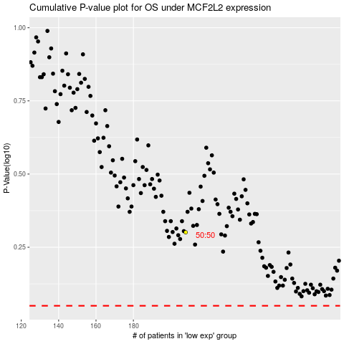

 |  |  |  |  |  | cases_OS | p_OS | rank | exp
 |  |  |  |  |  |  | cases_RFS | p_RFS | rank | exp

