MCFD2 _multivariate
Reported by Tex Li-Hsing Chi. tex@gate.sinica.edu.tw 2019-08-18

Table 2. The clinicopathological features of HNSCC cohort and MCFD2 expression. (Chi square test)
Cutoff at -0.47 (30.2%)
 |  | MCFD2 expression |  | MCFD2 expression |  | (Optimised)
 | Features | Low | (%) | High | (%) | Case no | P-value | Remark | Matthews
Gender | Female | 98 | 23.6 | 208 | 50.1 | 415 | 0.1949 | 0 | 0
2 | Male | 27 | 6.5 | 82 | 19.8
Age at diagnosis | <=65y | 79 | 19 | 195 | 47 | 415 | 0.4936 | 0 | 0
4 | >65y | 46 | 11.1 | 95 | 22.9
Clinical T Status | T1+T2 | 44 | 10.6 | 105 | 25.3 | 415 | 0.9325 | 0 | 0
6 | T3+T4 | 81 | 19.5 | 185 | 44.6
Clinical N Status | N0 | 69 | 16.6 | 147 | 35.4 | 415 | 0.4613 | 0 | 0
8 | N1-3 | 56 | 13.5 | 143 | 34.5
Clinical M Status | M0 | 124 | 29.9 | 288 | 69.4 | 415 | 1 | 0 | 0
10 | M1 | 1 | 0.2 | 2 | 0.5
Clinical Stage | Stage I+II | 24 | 5.8 | 78 | 18.8 | 415 | 0.122 | 0 | 0
12 | Stage III+IV | 101 | 24.3 | 212 | 51.1
Surgical Margin status | Negative | 95 | 22.9 | 223 | 53.7 | 415 | 0.8995 | 0 | 0
14 | Positive | 30 | 7.2 | 67 | 16.1
Tobacco Exposure | Low | 50 | 12 | 111 | 26.7 | 415 | 0.7432 | 0 | 0
16 | High | 75 | 18.1 | 179 | 43.1

Table 3. Univariate/Multivariate Cox's proportional hazards regression analyses on OS time of MCFD2 gene expression in HNSCC

 |  | Univariate |  |  |  | Multivariate
 | Features | HR | CI95%(L) | CI95%(H) | P-value | HR | CI95%(L) | CI95%(H) | P-value
1 | Female | 1 |  |  |  | 1
Gender | Male | 1.157 | 0.843 | 1.587 | 0.367 | 1.188 | 0.852 | 1.656 | 0.31
11 | <=65y | 1 |  |  |  | 1
Age at diagnosis | >65y | 1.329 | 0.99 | 1.784 | 0.058 | 1.453 | 1.065 | 1.982 | 0.018
12 | T1+T2 | 1 |  |  |  | 1
Clinical T Status | T3+T4 | 1.409 | 1.028 | 1.931 | 0.033 | 2.032 | 1.072 | 3.85 | 0.03
13 | N0 | 1 |  |  |  | 1
Clinical N Status | N1-3 | 1.185 | 0.89 | 1.577 | 0.246 | 1.198 | 0.837 | 1.714 | 0.323
14 | M0 | 1 |  |  |  | 1
Clinical M Status | M1 | 4.097 | 1.009 | 16.644 | 0.049 | 9.284 | 2.023 | 42.602 | 0.004
15 | Stage I+II | 1 |  |  |  | 1
Clinical Stage | Stage III+IV | 1.245 | 0.882 | 1.759 | 0.213 | 0.57 | 0.265 | 1.23 | 0.152
16 | Negative | 1 |  |  |  | 1
Surgical Margin status | Positive | 1.591 | 1.155 | 2.191 | 0.004 | 1.702 | 1.23 | 2.354 | 0.001
17 | Low | 1 |  |  |  | 1
Tobacco Exposure | High | 1.364 | 1.008 | 1.844 | 0.044 | 1.45 | 1.052 | 2 | 0.023
18 | Low | 1 |  |  |  | 1
RNAseq(z-score) | High | 1.555 | 1.117 | 2.165 | 0.009 | 1.615 | 1.155 | 2.259 | 0.005

Table 4. Univariate/Multivariate Cox's proportional hazards regression analyses on RFS time of MCFD2 gene expression in HNSCC

 |  | Univariate |  |  |  | Multivariate
 | Features | HR | CI95%(L) | CI95%(H) | P-value | HR | CI95%(L) | CI95%(H) | P-value
1 | Female | 1 |  |  |  | 1
Gender | Male | 1.157 | 0.843 | 1.587 | 0.367 | 1.188 | 0.852 | 1.656 | 0.31
11 | <=65y | 1 |  |  |  | 1
Age at diagnosis | >65y | 1.329 | 0.99 | 1.784 | 0.058 | 1.453 | 1.065 | 1.982 | 0.018
12 | T1+T2 | 1 |  |  |  | 1
Clinical T Status | T3+T4 | 1.409 | 1.028 | 1.931 | 0.033 | 2.032 | 1.072 | 3.85 | 0.03
13 | N0 | 1 |  |  |  | 1
Clinical N Status | N1-3 | 1.185 | 0.89 | 1.577 | 0.246 | 1.198 | 0.837 | 1.714 | 0.323
14 | M0 | 1 |  |  |  | 1
Clinical M Status | M1 | 4.097 | 1.009 | 16.644 | 0.049 | 9.284 | 2.023 | 42.602 | 0.004
15 | Stage I+II | 1 |  |  |  | 1
Clinical Stage | Stage III+IV | 1.245 | 0.882 | 1.759 | 0.213 | 0.57 | 0.265 | 1.23 | 0.152
16 | Negative | 1 |  |  |  | 1
Surgical Margin status | Positive | 1.591 | 1.155 | 2.191 | 0.004 | 1.702 | 1.23 | 2.354 | 0.001
17 | Low | 1 |  |  |  | 1
Tobacco Exposure | High | 1.364 | 1.008 | 1.844 | 0.044 | 1.45 | 1.052 | 2 | 0.023
18 | Low | 1 |  |  |  | 1
RNAseq(z-score) | High | 1.555 | 1.117 | 2.165 | 0.009 | 1.615 | 1.155 | 2.259 | 0.005

Kaplan-Meier survival estimate: Cutoff at -0.47 (30.2%)

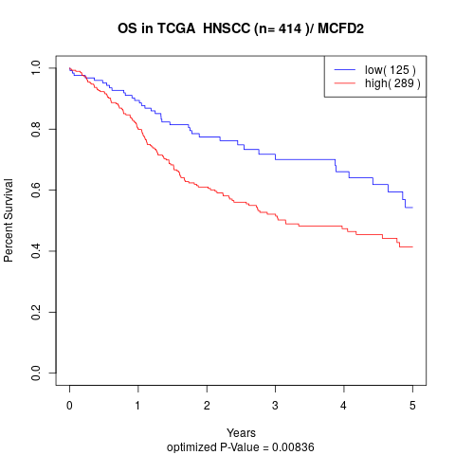

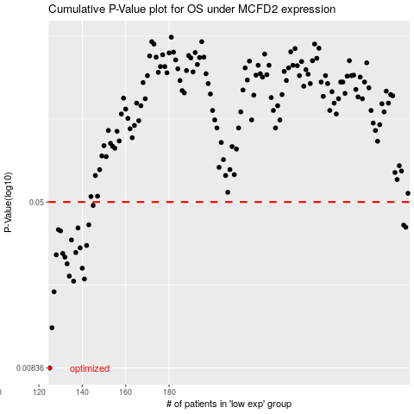

 |  |  |  |  |  | cases_OS | p_OS | rank | exp
 |  |  |  |  |  | 125 | 0.00836 | 241 | -0.46987335977
 |  |  |  |  |  | 126 | 0.0129 | 283 | -0.4616532175
 |  |  |  |  |  | 127 | 0.019 | 297 | -0.46017460418
 |  |  |  |  |  | 136 | 0.0213 | 123 | -0.40785193791
 |  |  |  |  |  | 141 | 0.0218 | 264 | -0.38586376147
 |  |  |  |  |  | 134 | 0.0225 | 274 | -0.44766713801
 |  |  |  |  |  | 140 | 0.0245 | 388 | -0.39892839682
 |  |  |  |  |  | 133 | 0.0257 | 299 | -0.44832252113
 |  |  |  |  |  | 132 | 0.0276 | 313 | -0.45105993566
 |  |  |  |  |  | 128 | 0.0283 | 176 | -0.4575772874
 |  |  |  |  |  | 131 | 0.0287 | 315 | -0.45415154392
 |  |  |  |  |  | 137 | 0.029 | 237 | -0.40653950878
 |  |  |  |  |  | 139 | 0.0305 | 347 | -0.39918448055
 |  |  |  |  |  | 142 | 0.0313 | 74 | -0.38526637134
 |  |  |  |  |  | 135 | 0.0332 | 183 | -0.41543322194
 |  |  |  |  |  | 130 | 0.0366 | 141 | -0.45600711167
 |  |  |  |  |  | 129 | 0.0371 | 154 | -0.45611405573
 |  |  |  |  |  | 138 | 0.0378 | 152 | -0.40249704417
 |  |  |  |  |  | 289 | 0.0381 | 239 | 0.29114939225
 |  |  |  |  |  | 288 | 0.039 | 28 | 0.28202214819
 |  |  |  |  |  | 143 | 0.0391 | 80 | -0.37746839308
 |  |  |  |  |  | 145 | 0.0482 | 285 | -0.36774510998
 |  |  |  |  |  |  | cases_RFS | p_RFS | rank | exp
 |  |  |  |  |  |  |  | 0.00836 | 93 | -0.4710628396
 |  |  |  |  |  |  | 125 | 0.0129 | 241 | -0.46987335977
 |  |  |  |  |  |  | 126 | 0.019 | 283 | -0.4616532175
 |  |  |  |  |  |  | 135 | 0.0213 | 183 | -0.41543322194
 |  |  |  |  |  |  | 140 | 0.0218 | 388 | -0.39892839682
 |  |  |  |  |  |  | 133 | 0.0225 | 299 | -0.44832252113
 |  |  |  |  |  |  | 139 | 0.0245 | 347 | -0.39918448055
 |  |  |  |  |  |  | 132 | 0.0257 | 313 | -0.45105993566
 |  |  |  |  |  |  | 131 | 0.0276 | 315 | -0.45415154392
 |  |  |  |  |  |  | 127 | 0.0283 | 297 | -0.46017460418
 |  |  |  |  |  |  | 130 | 0.0287 | 141 | -0.45600711167
 |  |  |  |  |  |  | 136 | 0.029 | 123 | -0.40785193791
 |  |  |  |  |  |  | 138 | 0.0305 | 152 | -0.40249704417
 |  |  |  |  |  |  | 141 | 0.0313 | 264 | -0.38586376147
 |  |  |  |  |  |  | 134 | 0.0332 | 274 | -0.44766713801
 |  |  |  |  |  |  | 129 | 0.0366 | 154 | -0.45611405573
 |  |  |  |  |  |  | 128 | 0.0371 | 176 | -0.4575772874
 |  |  |  |  |  |  | 137 | 0.0378 | 237 | -0.40653950878
 |  |  |  |  |  |  | 288 | 0.0381 | 28 | 0.28202214819
 |  |  |  |  |  |  | 287 | 0.039 | 230 | 0.27437289389
 |  |  |  |  |  |  | 142 | 0.0391 | 74 | -0.38526637134
 |  |  |  |  |  |  | 144 | 0.0482 | 147 | -0.37729171193

