MCM2 _multivariate
Reported by Tex Li-Hsing Chi. tex@gate.sinica.edu.tw 2019-08-18

Table 2. The clinicopathological features of HNSCC cohort and MCM2 expression. (Chi square test)
Cutoff at -0.277 (49.8%)
 |  | MCM2 expression |  | MCM2 expression |  | (Optimised)
 | Features | Low | (%) | High | (%) | Case no | P-value | Remark | Matthews
Gender | Female | 130 | 31.3 | 176 | 42.4 | 415 | 0 | 1 | 0
2 | Male | 77 | 18.6 | 32 | 7.7
Age at diagnosis | <=65y | 128 | 30.8 | 146 | 35.2 | 415 | 0.0904 | 0 | 0
4 | >65y | 79 | 19 | 62 | 14.9
Clinical T Status | T1+T2 | 76 | 18.3 | 73 | 17.6 | 415 | 0.8092 | 0 | 0
6 | T3+T4 | 131 | 31.6 | 135 | 32.5
Clinical N Status | N0 | 113 | 27.2 | 103 | 24.8 | 415 | 0.3495 | 1 | 0
8 | N1-3 | 94 | 22.7 | 105 | 25.3
Clinical M Status | M0 | 205 | 49.4 | 207 | 49.9 | 415 | 0.6232 | 0 | 0
10 | M1 | 2 | 0.5 | 1 | 0.2
Clinical Stage | Stage I+II | 59 | 14.2 | 43 | 10.4 | 415 | 0.0822 | 0 | 0
12 | Stage III+IV | 148 | 35.7 | 165 | 39.8
Surgical Margin status | Negative | 164 | 39.5 | 154 | 37.1 | 415 | 0.2462 | 0 | 0
14 | Positive | 43 | 10.4 | 54 | 13
Tobacco Exposure | Low | 102 | 24.6 | 59 | 14.2 | 415 | 0 | 1 | 0
16 | High | 105 | 25.3 | 149 | 35.9

Table 3. Univariate/Multivariate Cox's proportional hazards regression analyses on OS time of MCM2 gene expression in HNSCC

 |  | Univariate |  |  |  | Multivariate
 | Features | HR | CI95%(L) | CI95%(H) | P-value | HR | CI95%(L) | CI95%(H) | P-value
1 | Female | 1 |  |  |  | 1
Gender | Male | 1.157 | 0.843 | 1.587 | 0.367 | 1.257 | 0.885 | 1.784 | 0.201
11 | <=65y | 1 |  |  |  | 1
Age at diagnosis | >65y | 1.329 | 0.99 | 1.784 | 0.058 | 1.386 | 1.019 | 1.884 | 0.037
12 | T1+T2 | 1 |  |  |  | 1
Clinical T Status | T3+T4 | 1.409 | 1.028 | 1.931 | 0.033 | 2.266 | 1.194 | 4.3 | 0.012
13 | N0 | 1 |  |  |  | 1
Clinical N Status | N1-3 | 1.185 | 0.89 | 1.577 | 0.246 | 1.249 | 0.875 | 1.783 | 0.221
14 | M0 | 1 |  |  |  | 1
Clinical M Status | M1 | 4.097 | 1.009 | 16.644 | 0.049 | 10.151 | 2.191 | 47.036 | 0.003
15 | Stage I+II | 1 |  |  |  | 1
Clinical Stage | Stage III+IV | 1.245 | 0.882 | 1.759 | 0.213 | 0.486 | 0.225 | 1.049 | 0.066
16 | Negative | 1 |  |  |  | 1
Surgical Margin status | Positive | 1.591 | 1.155 | 2.191 | 0.004 | 1.662 | 1.202 | 2.297 | 0.002
17 | Low | 1 |  |  |  | 1
Tobacco Exposure | High | 1.364 | 1.008 | 1.844 | 0.044 | 1.42 | 1.026 | 1.965 | 0.035
18 | Low | 1 |  |  |  | 1
RNAseq(z-score) | High | 1.105 | 0.829 | 1.473 | 0.495 | 1.145 | 0.836 | 1.569 | 0.398

Table 4. Univariate/Multivariate Cox's proportional hazards regression analyses on RFS time of MCM2 gene expression in HNSCC

 |  | Univariate |  |  |  | Multivariate
 | Features | HR | CI95%(L) | CI95%(H) | P-value | HR | CI95%(L) | CI95%(H) | P-value
1 | Female | 1 |  |  |  | 1
Gender | Male | 1.157 | 0.843 | 1.587 | 0.367 | 1.257 | 0.885 | 1.784 | 0.201
11 | <=65y | 1 |  |  |  | 1
Age at diagnosis | >65y | 1.329 | 0.99 | 1.784 | 0.058 | 1.386 | 1.019 | 1.884 | 0.037
12 | T1+T2 | 1 |  |  |  | 1
Clinical T Status | T3+T4 | 1.409 | 1.028 | 1.931 | 0.033 | 2.266 | 1.194 | 4.3 | 0.012
13 | N0 | 1 |  |  |  | 1
Clinical N Status | N1-3 | 1.185 | 0.89 | 1.577 | 0.246 | 1.249 | 0.875 | 1.783 | 0.221
14 | M0 | 1 |  |  |  | 1
Clinical M Status | M1 | 4.097 | 1.009 | 16.644 | 0.049 | 10.151 | 2.191 | 47.036 | 0.003
15 | Stage I+II | 1 |  |  |  | 1
Clinical Stage | Stage III+IV | 1.245 | 0.882 | 1.759 | 0.213 | 0.486 | 0.225 | 1.049 | 0.066
16 | Negative | 1 |  |  |  | 1
Surgical Margin status | Positive | 1.591 | 1.155 | 2.191 | 0.004 | 1.662 | 1.202 | 2.297 | 0.002
17 | Low | 1 |  |  |  | 1
Tobacco Exposure | High | 1.364 | 1.008 | 1.844 | 0.044 | 1.42 | 1.026 | 1.965 | 0.035
18 | Low | 1 |  |  |  | 1
RNAseq(z-score) | High | 1.105 | 0.829 | 1.473 | 0.495 | 1.145 | 0.836 | 1.569 | 0.398

Kaplan-Meier survival estimate: Cutoff at -0.277 (49.8%)



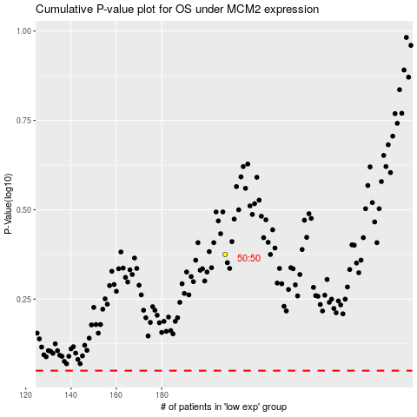

 |  |  |  |  |  | cases_OS | p_OS | rank | exp
 |  |  |  |  |  |  | cases_RFS | p_RFS | rank | exp

