MCM3 _multivariate
Reported by Tex Li-Hsing Chi. tex@gate.sinica.edu.tw 2019-08-18

Table 2. The clinicopathological features of HNSCC cohort and MCM3 expression. (Chi square test)
Cutoff at -0.292 (49.8%)
 |  | MCM3 expression |  | MCM3 expression |  | (Optimised)
 | Features | Low | (%) | High | (%) | Case no | P-value | Remark | Matthews
Gender | Female | 141 | 34 | 165 | 39.8 | 415 | 0.013 | 1 | 0
2 | Male | 66 | 15.9 | 43 | 10.4
Age at diagnosis | <=65y | 132 | 31.8 | 142 | 34.2 | 415 | 0.3874 | 0 | 0
4 | >65y | 75 | 18.1 | 66 | 15.9
Clinical T Status | T1+T2 | 75 | 18.1 | 74 | 17.8 | 415 | 0.9707 | 0 | 0
6 | T3+T4 | 132 | 31.8 | 134 | 32.3
Clinical N Status | N0 | 110 | 26.5 | 106 | 25.5 | 415 | 0.7294 | 0 | 0
8 | N1-3 | 97 | 23.4 | 102 | 24.6
Clinical M Status | M0 | 206 | 49.6 | 206 | 49.6 | 415 | 1 | 0 | 0
10 | M1 | 1 | 0.2 | 2 | 0.5
Clinical Stage | Stage I+II | 55 | 13.3 | 47 | 11.3 | 415 | 0.4087 | 0 | 0
12 | Stage III+IV | 152 | 36.6 | 161 | 38.8
Surgical Margin status | Negative | 172 | 41.4 | 146 | 35.2 | 415 | 0.0025 | 1 | 0
14 | Positive | 35 | 8.4 | 62 | 14.9
Tobacco Exposure | Low | 85 | 20.5 | 76 | 18.3 | 415 | 0.3655 | 0 | 0
16 | High | 122 | 29.4 | 132 | 31.8

Table 3. Univariate/Multivariate Cox's proportional hazards regression analyses on OS time of MCM3 gene expression in HNSCC

 |  | Univariate |  |  |  | Multivariate
 | Features | HR | CI95%(L) | CI95%(H) | P-value | HR | CI95%(L) | CI95%(H) | P-value
1 | Female | 1 |  |  |  | 1
Gender | Male | 1.157 | 0.843 | 1.587 | 0.367 | 1.194 | 0.852 | 1.672 | 0.303
11 | <=65y | 1 |  |  |  | 1
Age at diagnosis | >65y | 1.329 | 0.99 | 1.784 | 0.058 | 1.389 | 1.022 | 1.889 | 0.036
12 | T1+T2 | 1 |  |  |  | 1
Clinical T Status | T3+T4 | 1.409 | 1.028 | 1.931 | 0.033 | 2.197 | 1.161 | 4.155 | 0.016
13 | N0 | 1 |  |  |  | 1
Clinical N Status | N1-3 | 1.185 | 0.89 | 1.577 | 0.246 | 1.234 | 0.864 | 1.764 | 0.248
14 | M0 | 1 |  |  |  | 1
Clinical M Status | M1 | 4.097 | 1.009 | 16.644 | 0.049 | 9.442 | 2.059 | 43.287 | 0.004
15 | Stage I+II | 1 |  |  |  | 1
Clinical Stage | Stage III+IV | 1.245 | 0.882 | 1.759 | 0.213 | 0.508 | 0.237 | 1.093 | 0.083
16 | Negative | 1 |  |  |  | 1
Surgical Margin status | Positive | 1.591 | 1.155 | 2.191 | 0.004 | 1.694 | 1.213 | 2.365 | 0.002
17 | Low | 1 |  |  |  | 1
Tobacco Exposure | High | 1.364 | 1.008 | 1.844 | 0.044 | 1.454 | 1.055 | 2.004 | 0.022
18 | Low | 1 |  |  |  | 1
RNAseq(z-score) | High | 1.021 | 0.767 | 1.36 | 0.885 | 0.953 | 0.706 | 1.287 | 0.754

Table 4. Univariate/Multivariate Cox's proportional hazards regression analyses on RFS time of MCM3 gene expression in HNSCC

 |  | Univariate |  |  |  | Multivariate
 | Features | HR | CI95%(L) | CI95%(H) | P-value | HR | CI95%(L) | CI95%(H) | P-value
1 | Female | 1 |  |  |  | 1
Gender | Male | 1.157 | 0.843 | 1.587 | 0.367 | 1.194 | 0.852 | 1.672 | 0.303
11 | <=65y | 1 |  |  |  | 1
Age at diagnosis | >65y | 1.329 | 0.99 | 1.784 | 0.058 | 1.389 | 1.022 | 1.889 | 0.036
12 | T1+T2 | 1 |  |  |  | 1
Clinical T Status | T3+T4 | 1.409 | 1.028 | 1.931 | 0.033 | 2.197 | 1.161 | 4.155 | 0.016
13 | N0 | 1 |  |  |  | 1
Clinical N Status | N1-3 | 1.185 | 0.89 | 1.577 | 0.246 | 1.234 | 0.864 | 1.764 | 0.248
14 | M0 | 1 |  |  |  | 1
Clinical M Status | M1 | 4.097 | 1.009 | 16.644 | 0.049 | 9.442 | 2.059 | 43.287 | 0.004
15 | Stage I+II | 1 |  |  |  | 1
Clinical Stage | Stage III+IV | 1.245 | 0.882 | 1.759 | 0.213 | 0.508 | 0.237 | 1.093 | 0.083
16 | Negative | 1 |  |  |  | 1
Surgical Margin status | Positive | 1.591 | 1.155 | 2.191 | 0.004 | 1.694 | 1.213 | 2.365 | 0.002
17 | Low | 1 |  |  |  | 1
Tobacco Exposure | High | 1.364 | 1.008 | 1.844 | 0.044 | 1.454 | 1.055 | 2.004 | 0.022
18 | Low | 1 |  |  |  | 1
RNAseq(z-score) | High | 1.021 | 0.767 | 1.36 | 0.885 | 0.953 | 0.706 | 1.287 | 0.754

Kaplan-Meier survival estimate: Cutoff at -0.292 (49.8%)



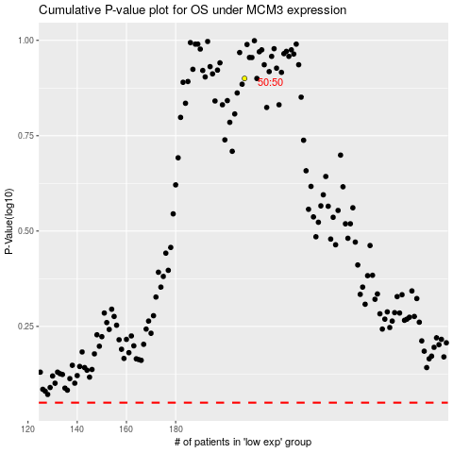

 |  |  |  |  |  | cases_OS | p_OS | rank | exp
 |  |  |  |  |  |  | cases_RFS | p_RFS | rank | exp

