MCM3AP _multivariate
Reported by Tex Li-Hsing Chi. tex@gate.sinica.edu.tw 2019-08-18

Table 2. The clinicopathological features of HNSCC cohort and MCM3AP expression. (Chi square test)
Cutoff at -0.258 (43.0%)
 |  | MCM3AP expression |  | MCM3AP expression |  | (Optimised)
 | Features | Low | (%) | High | (%) | Case no | P-value | Remark | Matthews
Gender | Female | 136 | 32.8 | 170 | 41 | 415 | 0.4286 | 0 | 0
2 | Male | 43 | 10.4 | 66 | 15.9
Age at diagnosis | <=65y | 111 | 26.7 | 163 | 39.3 | 415 | 0.1619 | 0 | 0
4 | >65y | 68 | 16.4 | 73 | 17.6
Clinical T Status | T1+T2 | 68 | 16.4 | 81 | 19.5 | 415 | 0.5042 | 0 | 0
6 | T3+T4 | 111 | 26.7 | 155 | 37.3
Clinical N Status | N0 | 91 | 21.9 | 125 | 30.1 | 415 | 0.741 | 0 | 0
8 | N1-3 | 88 | 21.2 | 111 | 26.7
Clinical M Status | M0 | 176 | 42.4 | 236 | 56.9 | 415 | 0.0795 | 0 | 0
10 | M1 | 3 | 0.7 | 0 | 0
Clinical Stage | Stage I+II | 48 | 11.6 | 54 | 13 | 415 | 0.4198 | 0 | 0
12 | Stage III+IV | 131 | 31.6 | 182 | 43.9
Surgical Margin status | Negative | 134 | 32.3 | 184 | 44.3 | 415 | 0.4835 | 0 | 0
14 | Positive | 45 | 10.8 | 52 | 12.5
Tobacco Exposure | Low | 71 | 17.1 | 90 | 21.7 | 415 | 0.7612 | 0 | 0
16 | High | 108 | 26 | 146 | 35.2

Table 3. Univariate/Multivariate Cox's proportional hazards regression analyses on OS time of MCM3AP gene expression in HNSCC

 |  | Univariate |  |  |  | Multivariate
 | Features | HR | CI95%(L) | CI95%(H) | P-value | HR | CI95%(L) | CI95%(H) | P-value
1 | Female | 1 |  |  |  | 1
Gender | Male | 1.157 | 0.843 | 1.587 | 0.367 | 1.2 | 0.859 | 1.675 | 0.285
11 | <=65y | 1 |  |  |  | 1
Age at diagnosis | >65y | 1.329 | 0.99 | 1.784 | 0.058 | 1.365 | 1.005 | 1.855 | 0.047
12 | T1+T2 | 1 |  |  |  | 1
Clinical T Status | T3+T4 | 1.409 | 1.028 | 1.931 | 0.033 | 2.145 | 1.135 | 4.057 | 0.019
13 | N0 | 1 |  |  |  | 1
Clinical N Status | N1-3 | 1.185 | 0.89 | 1.577 | 0.246 | 1.21 | 0.847 | 1.728 | 0.294
14 | M0 | 1 |  |  |  | 1
Clinical M Status | M1 | 4.097 | 1.009 | 16.644 | 0.049 | 8.168 | 1.763 | 37.839 | 0.007
15 | Stage I+II | 1 |  |  |  | 1
Clinical Stage | Stage III+IV | 1.245 | 0.882 | 1.759 | 0.213 | 0.529 | 0.246 | 1.137 | 0.103
16 | Negative | 1 |  |  |  | 1
Surgical Margin status | Positive | 1.591 | 1.155 | 2.191 | 0.004 | 1.63 | 1.178 | 2.255 | 0.003
17 | Low | 1 |  |  |  | 1
Tobacco Exposure | High | 1.364 | 1.008 | 1.844 | 0.044 | 1.453 | 1.056 | 2.001 | 0.022
18 | Low | 1 |  |  |  | 1
RNAseq(z-score) | High | 0.743 | 0.557 | 0.991 | 0.044 | 0.807 | 0.601 | 1.083 | 0.153

Table 4. Univariate/Multivariate Cox's proportional hazards regression analyses on RFS time of MCM3AP gene expression in HNSCC

 |  | Univariate |  |  |  | Multivariate
 | Features | HR | CI95%(L) | CI95%(H) | P-value | HR | CI95%(L) | CI95%(H) | P-value
1 | Female | 1 |  |  |  | 1
Gender | Male | 1.157 | 0.843 | 1.587 | 0.367 | 1.2 | 0.859 | 1.675 | 0.285
11 | <=65y | 1 |  |  |  | 1
Age at diagnosis | >65y | 1.329 | 0.99 | 1.784 | 0.058 | 1.365 | 1.005 | 1.855 | 0.047
12 | T1+T2 | 1 |  |  |  | 1
Clinical T Status | T3+T4 | 1.409 | 1.028 | 1.931 | 0.033 | 2.145 | 1.135 | 4.057 | 0.019
13 | N0 | 1 |  |  |  | 1
Clinical N Status | N1-3 | 1.185 | 0.89 | 1.577 | 0.246 | 1.21 | 0.847 | 1.728 | 0.294
14 | M0 | 1 |  |  |  | 1
Clinical M Status | M1 | 4.097 | 1.009 | 16.644 | 0.049 | 8.168 | 1.763 | 37.839 | 0.007
15 | Stage I+II | 1 |  |  |  | 1
Clinical Stage | Stage III+IV | 1.245 | 0.882 | 1.759 | 0.213 | 0.529 | 0.246 | 1.137 | 0.103
16 | Negative | 1 |  |  |  | 1
Surgical Margin status | Positive | 1.591 | 1.155 | 2.191 | 0.004 | 1.63 | 1.178 | 2.255 | 0.003
17 | Low | 1 |  |  |  | 1
Tobacco Exposure | High | 1.364 | 1.008 | 1.844 | 0.044 | 1.453 | 1.056 | 2.001 | 0.022
18 | Low | 1 |  |  |  | 1
RNAseq(z-score) | High | 0.743 | 0.557 | 0.991 | 0.044 | 0.807 | 0.601 | 1.083 | 0.153

Kaplan-Meier survival estimate: Cutoff at -0.258 (43.0%)



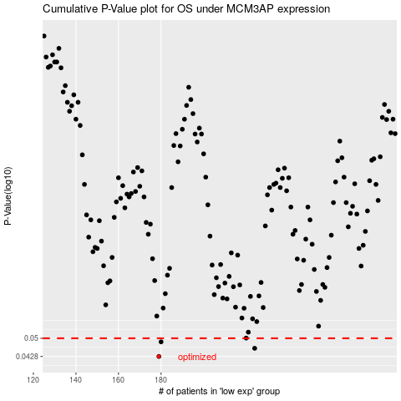

 |  |  |  |  |  | cases_OS | p_OS | rank | exp
 |  |  |  |  |  | 179 | 0.0428 | 408 | -0.25845152303
 |  |  |  |  |  | 224 | 0.0459 | 301 | 0.01342428211
 |  |  |  |  |  | 180 | 0.0485 | 396 | -0.23235460861
 |  |  |  |  |  |  | cases_RFS | p_RFS | rank | exp
 |  |  |  |  |  |  | 178 | 0.0428 | 247 | -0.26044603451
 |  |  |  |  |  |  | 223 | 0.0459 | 385 | 0.012224285827
 |  |  |  |  |  |  | 179 | 0.0485 | 408 | -0.25845152303

