MCM3APAS _multivariate
Reported by Tex Li-Hsing Chi. tex@gate.sinica.edu.tw 2019-08-18

Table 2. The clinicopathological features of HNSCC cohort and MCM3APAS expression. (Chi square test)
Cutoff at -0.547 (33.3%)
 |  | MCM3APAS expression |  | MCM3APAS expression |  | (Optimised)
 | Features | Low | (%) | High | (%) | Case no | P-value | Remark | Matthews
Gender | Female | 101 | 24.3 | 205 | 49.4 | 415 | 0.8147 | 0 | 0
2 | Male | 38 | 9.2 | 71 | 17.1
Age at diagnosis | <=65y | 87 | 21 | 187 | 45.1 | 415 | 0.348 | 0 | 0
4 | >65y | 52 | 12.5 | 89 | 21.4
Clinical T Status | T1+T2 | 59 | 14.2 | 90 | 21.7 | 415 | 0.0624 | 0 | 0
6 | T3+T4 | 80 | 19.3 | 186 | 44.8
Clinical N Status | N0 | 71 | 17.1 | 145 | 34.9 | 415 | 0.86 | 0 | 0
8 | N1-3 | 68 | 16.4 | 131 | 31.6
Clinical M Status | M0 | 137 | 33 | 275 | 66.3 | 415 | 0.2609 | 0 | 0
10 | M1 | 2 | 0.5 | 1 | 0.2
Clinical Stage | Stage I+II | 41 | 9.9 | 61 | 14.7 | 415 | 0.1259 | 0 | 0
12 | Stage III+IV | 98 | 23.6 | 215 | 51.8
Surgical Margin status | Negative | 110 | 26.5 | 208 | 50.1 | 415 | 0.4611 | 0 | 0
14 | Positive | 29 | 7 | 68 | 16.4
Tobacco Exposure | Low | 66 | 15.9 | 95 | 22.9 | 415 | 0.0107 | 1 | 0
16 | High | 73 | 17.6 | 181 | 43.6

Table 3. Univariate/Multivariate Cox's proportional hazards regression analyses on OS time of MCM3APAS gene expression in HNSCC

 |  | Univariate |  |  |  | Multivariate
 | Features | HR | CI95%(L) | CI95%(H) | P-value | HR | CI95%(L) | CI95%(H) | P-value
1 | Female | 1 |  |  |  | 1
Gender | Male | 1.157 | 0.843 | 1.587 | 0.367 | 1.181 | 0.842 | 1.657 | 0.334
11 | <=65y | 1 |  |  |  | 1
Age at diagnosis | >65y | 1.329 | 0.99 | 1.784 | 0.058 | 1.445 | 1.059 | 1.971 | 0.02
12 | T1+T2 | 1 |  |  |  | 1
Clinical T Status | T3+T4 | 1.409 | 1.028 | 1.931 | 0.033 | 2.326 | 1.229 | 4.401 | 0.01
13 | N0 | 1 |  |  |  | 1
Clinical N Status | N1-3 | 1.185 | 0.89 | 1.577 | 0.246 | 1.351 | 0.94 | 1.942 | 0.104
14 | M0 | 1 |  |  |  | 1
Clinical M Status | M1 | 4.097 | 1.009 | 16.644 | 0.049 | 12.244 | 2.64 | 56.775 | 0.001
15 | Stage I+II | 1 |  |  |  | 1
Clinical Stage | Stage III+IV | 1.245 | 0.882 | 1.759 | 0.213 | 0.429 | 0.198 | 0.928 | 0.032
16 | Negative | 1 |  |  |  | 1
Surgical Margin status | Positive | 1.591 | 1.155 | 2.191 | 0.004 | 1.691 | 1.223 | 2.339 | 0.001
17 | Low | 1 |  |  |  | 1
Tobacco Exposure | High | 1.364 | 1.008 | 1.844 | 0.044 | 1.393 | 1.009 | 1.923 | 0.044
18 | Low | 1 |  |  |  | 1
RNAseq(z-score) | High | 1.54 | 1.108 | 2.141 | 0.01 | 1.632 | 1.161 | 2.293 | 0.005

Table 4. Univariate/Multivariate Cox's proportional hazards regression analyses on RFS time of MCM3APAS gene expression in HNSCC

 |  | Univariate |  |  |  | Multivariate
 | Features | HR | CI95%(L) | CI95%(H) | P-value | HR | CI95%(L) | CI95%(H) | P-value
1 | Female | 1 |  |  |  | 1
Gender | Male | 1.157 | 0.843 | 1.587 | 0.367 | 1.181 | 0.842 | 1.657 | 0.334
11 | <=65y | 1 |  |  |  | 1
Age at diagnosis | >65y | 1.329 | 0.99 | 1.784 | 0.058 | 1.445 | 1.059 | 1.971 | 0.02
12 | T1+T2 | 1 |  |  |  | 1
Clinical T Status | T3+T4 | 1.409 | 1.028 | 1.931 | 0.033 | 2.326 | 1.229 | 4.401 | 0.01
13 | N0 | 1 |  |  |  | 1
Clinical N Status | N1-3 | 1.185 | 0.89 | 1.577 | 0.246 | 1.351 | 0.94 | 1.942 | 0.104
14 | M0 | 1 |  |  |  | 1
Clinical M Status | M1 | 4.097 | 1.009 | 16.644 | 0.049 | 12.244 | 2.64 | 56.775 | 0.001
15 | Stage I+II | 1 |  |  |  | 1
Clinical Stage | Stage III+IV | 1.245 | 0.882 | 1.759 | 0.213 | 0.429 | 0.198 | 0.928 | 0.032
16 | Negative | 1 |  |  |  | 1
Surgical Margin status | Positive | 1.591 | 1.155 | 2.191 | 0.004 | 1.691 | 1.223 | 2.339 | 0.001
17 | Low | 1 |  |  |  | 1
Tobacco Exposure | High | 1.364 | 1.008 | 1.844 | 0.044 | 1.393 | 1.009 | 1.923 | 0.044
18 | Low | 1 |  |  |  | 1
RNAseq(z-score) | High | 1.54 | 1.108 | 2.141 | 0.01 | 1.632 | 1.161 | 2.293 | 0.005

Kaplan-Meier survival estimate: Cutoff at -0.547 (33.3%)

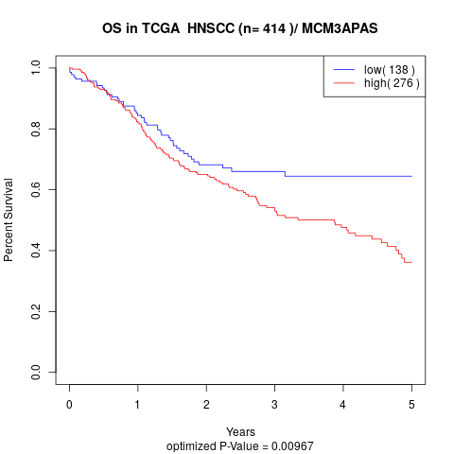

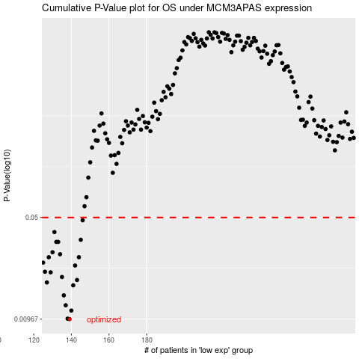

 |  |  |  |  |  | cases_OS | p_OS | rank | exp
 |  |  |  |  |  | 139 | 0.00967 | 254 | -0.54718029321
 |  |  |  |  |  | 138 | 0.00974 | 277 | -0.54740139638
 |  |  |  |  |  | 140 | 0.0111 | 124 | -0.543539461
 |  |  |  |  |  | 137 | 0.0121 | 329 | -0.55138862355
 |  |  |  |  |  | 136 | 0.0142 | 269 | -0.5592230459
 |  |  |  |  |  | 141 | 0.0167 | 58 | -0.54178537584
 |  |  |  |  |  | 127 | 0.0175 | 198 | -0.60000184068
 |  |  |  |  |  | 143 | 0.0182 | 261 | -0.53493854766
 |  |  |  |  |  | 135 | 0.0191 | 122 | -0.56360088868
 |  |  |  |  |  | 129 | 0.0206 | 227 | -0.5849963055
 |  |  |  |  |  | 126 | 0.0208 | 162 | -0.60489559086
 |  |  |  |  |  | 142 | 0.023 | 128 | -0.53700954735
 |  |  |  |  |  | 125 | 0.0241 | 53 | -0.60699607098
 |  |  |  |  |  | 144 | 0.0263 | 117 | -0.53207894665
 |  |  |  |  |  | 128 | 0.0263 | 165 | -0.58842340464
 |  |  |  |  |  | 134 | 0.0276 | 368 | -0.56861256055
 |  |  |  |  |  | 130 | 0.0285 | 66 | -0.58386867933
 |  |  |  |  |  | 132 | 0.0337 | 333 | -0.57409591918
 |  |  |  |  |  | 133 | 0.0337 | 350 | -0.57147216156
 |  |  |  |  |  | 145 | 0.0349 | 364 | -0.52588068776
 |  |  |  |  |  | 131 | 0.0395 | 235 | -0.58144391455
 |  |  |  |  |  | 146 | 0.0478 | 206 | -0.52340433225
 |  |  |  |  |  |  | cases_RFS | p_RFS | rank | exp
 |  |  |  |  |  |  | 138 | 0.00967 | 277 | -0.54740139638
 |  |  |  |  |  |  | 137 | 0.00974 | 329 | -0.55138862355
 |  |  |  |  |  |  | 139 | 0.0111 | 254 | -0.54718029321
 |  |  |  |  |  |  | 136 | 0.0121 | 269 | -0.5592230459
 |  |  |  |  |  |  | 135 | 0.0142 | 122 | -0.56360088868
 |  |  |  |  |  |  | 140 | 0.0167 | 124 | -0.543539461
 |  |  |  |  |  |  | 126 | 0.0175 | 162 | -0.60489559086
 |  |  |  |  |  |  | 142 | 0.0182 | 128 | -0.53700954735
 |  |  |  |  |  |  | 134 | 0.0191 | 368 | -0.56861256055
 |  |  |  |  |  |  | 128 | 0.0206 | 165 | -0.58842340464
 |  |  |  |  |  |  | 125 | 0.0208 | 53 | -0.60699607098
 |  |  |  |  |  |  | 141 | 0.023 | 58 | -0.54178537584
 |  |  |  |  |  |  |  | 0.0241 | 347 | -0.61067375372
 |  |  |  |  |  |  | 127 | 0.0263 | 198 | -0.60000184068
 |  |  |  |  |  |  | 143 | 0.0263 | 261 | -0.53493854766
 |  |  |  |  |  |  | 133 | 0.0276 | 350 | -0.57147216156
 |  |  |  |  |  |  | 129 | 0.0285 | 227 | -0.5849963055
 |  |  |  |  |  |  | 131 | 0.0337 | 235 | -0.58144391455
 |  |  |  |  |  |  | 132 | 0.0337 | 333 | -0.57409591918
 |  |  |  |  |  |  | 144 | 0.0349 | 117 | -0.53207894665
 |  |  |  |  |  |  | 130 | 0.0395 | 66 | -0.58386867933
 |  |  |  |  |  |  | 145 | 0.0478 | 364 | -0.52588068776

