MCM4 _multivariate
Reported by Tex Li-Hsing Chi. tex@gate.sinica.edu.tw 2019-08-18

Table 2. The clinicopathological features of HNSCC cohort and MCM4 expression. (Chi square test)
Cutoff at -0.4 (35.3%)
 |  | MCM4 expression |  | MCM4 expression |  | (Optimised)
 | Features | Low | (%) | High | (%) | Case no | P-value | Remark | Matthews
Gender | Female | 105 | 25.3 | 201 | 48.4 | 415 | 0.5002 | 0 | 0
2 | Male | 42 | 10.1 | 67 | 16.1
Age at diagnosis | <=65y | 91 | 21.9 | 183 | 44.1 | 415 | 0.2286 | 0 | 0
4 | >65y | 56 | 13.5 | 85 | 20.5
Clinical T Status | T1+T2 | 45 | 10.8 | 104 | 25.1 | 415 | 0.1194 | 0 | 0
6 | T3+T4 | 102 | 24.6 | 164 | 39.5
Clinical N Status | N0 | 70 | 16.9 | 146 | 35.2 | 415 | 0.2169 | 0 | 0
8 | N1-3 | 77 | 18.6 | 122 | 29.4
Clinical M Status | M0 | 145 | 34.9 | 267 | 64.3 | 415 | 0.287 | 0 | 0
10 | M1 | 2 | 0.5 | 1 | 0.2
Clinical Stage | Stage I+II | 27 | 6.5 | 75 | 18.1 | 415 | 0.0397 | 1 | 0
12 | Stage III+IV | 120 | 28.9 | 193 | 46.5
Surgical Margin status | Negative | 116 | 28 | 202 | 48.7 | 415 | 0.4675 | 0 | 0
14 | Positive | 31 | 7.5 | 66 | 15.9
Tobacco Exposure | Low | 61 | 14.7 | 100 | 24.1 | 415 | 0.4611 | 0 | 0
16 | High | 86 | 20.7 | 168 | 40.5

Table 3. Univariate/Multivariate Cox's proportional hazards regression analyses on OS time of MCM4 gene expression in HNSCC

 |  | Univariate |  |  |  | Multivariate
 | Features | HR | CI95%(L) | CI95%(H) | P-value | HR | CI95%(L) | CI95%(H) | P-value
1 | Female | 1 |  |  |  | 1
Gender | Male | 1.157 | 0.843 | 1.587 | 0.367 | 1.262 | 0.9 | 1.77 | 0.178
11 | <=65y | 1 |  |  |  | 1
Age at diagnosis | >65y | 1.329 | 0.99 | 1.784 | 0.058 | 1.411 | 1.037 | 1.92 | 0.028
12 | T1+T2 | 1 |  |  |  | 1
Clinical T Status | T3+T4 | 1.409 | 1.028 | 1.931 | 0.033 | 2.238 | 1.184 | 4.231 | 0.013
13 | N0 | 1 |  |  |  | 1
Clinical N Status | N1-3 | 1.185 | 0.89 | 1.577 | 0.246 | 1.279 | 0.895 | 1.827 | 0.176
14 | M0 | 1 |  |  |  | 1
Clinical M Status | M1 | 4.097 | 1.009 | 16.644 | 0.049 | 11.162 | 2.416 | 51.573 | 0.002
15 | Stage I+II | 1 |  |  |  | 1
Clinical Stage | Stage III+IV | 1.245 | 0.882 | 1.759 | 0.213 | 0.53 | 0.246 | 1.139 | 0.104
16 | Negative | 1 |  |  |  | 1
Surgical Margin status | Positive | 1.591 | 1.155 | 2.191 | 0.004 | 1.616 | 1.169 | 2.234 | 0.004
17 | Low | 1 |  |  |  | 1
Tobacco Exposure | High | 1.364 | 1.008 | 1.844 | 0.044 | 1.438 | 1.043 | 1.984 | 0.027
18 | Low | 1 |  |  |  | 1
RNAseq(z-score) | High | 1.379 | 1.008 | 1.886 | 0.044 | 1.468 | 1.061 | 2.032 | 0.02

Table 4. Univariate/Multivariate Cox's proportional hazards regression analyses on RFS time of MCM4 gene expression in HNSCC

 |  | Univariate |  |  |  | Multivariate
 | Features | HR | CI95%(L) | CI95%(H) | P-value | HR | CI95%(L) | CI95%(H) | P-value
1 | Female | 1 |  |  |  | 1
Gender | Male | 1.157 | 0.843 | 1.587 | 0.367 | 1.262 | 0.9 | 1.77 | 0.178
11 | <=65y | 1 |  |  |  | 1
Age at diagnosis | >65y | 1.329 | 0.99 | 1.784 | 0.058 | 1.411 | 1.037 | 1.92 | 0.028
12 | T1+T2 | 1 |  |  |  | 1
Clinical T Status | T3+T4 | 1.409 | 1.028 | 1.931 | 0.033 | 2.238 | 1.184 | 4.231 | 0.013
13 | N0 | 1 |  |  |  | 1
Clinical N Status | N1-3 | 1.185 | 0.89 | 1.577 | 0.246 | 1.279 | 0.895 | 1.827 | 0.176
14 | M0 | 1 |  |  |  | 1
Clinical M Status | M1 | 4.097 | 1.009 | 16.644 | 0.049 | 11.162 | 2.416 | 51.573 | 0.002
15 | Stage I+II | 1 |  |  |  | 1
Clinical Stage | Stage III+IV | 1.245 | 0.882 | 1.759 | 0.213 | 0.53 | 0.246 | 1.139 | 0.104
16 | Negative | 1 |  |  |  | 1
Surgical Margin status | Positive | 1.591 | 1.155 | 2.191 | 0.004 | 1.616 | 1.169 | 2.234 | 0.004
17 | Low | 1 |  |  |  | 1
Tobacco Exposure | High | 1.364 | 1.008 | 1.844 | 0.044 | 1.438 | 1.043 | 1.984 | 0.027
18 | Low | 1 |  |  |  | 1
RNAseq(z-score) | High | 1.379 | 1.008 | 1.886 | 0.044 | 1.468 | 1.061 | 2.032 | 0.02

Kaplan-Meier survival estimate: Cutoff at -0.4 (35.3%)



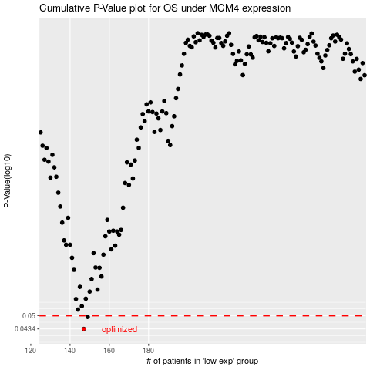

 |  |  |  |  |  | cases_OS | p_OS | rank | exp
 |  |  |  |  |  | 147 | 0.0434 | 191 | -0.40041225669
 |  |  |  |  |  | 149 | 0.0493 | 302 | -0.39563698273
 |  |  |  |  |  |  | cases_RFS | p_RFS | rank | exp
 |  |  |  |  |  |  | 146 | 0.0434 | 109 | -0.40101148179
 |  |  |  |  |  |  | 148 | 0.0493 | 365 | -0.3956650078

