MCM5 _multivariate
Reported by Tex Li-Hsing Chi. tex@gate.sinica.edu.tw 2019-08-18

Table 2. The clinicopathological features of HNSCC cohort and MCM5 expression. (Chi square test)
Cutoff at -0.227 (49.8%)
 |  | MCM5 expression |  | MCM5 expression |  | (Optimised)
 | Features | Low | (%) | High | (%) | Case no | P-value | Remark | Matthews
Gender | Female | 140 | 33.7 | 166 | 40 | 415 | 0.0068 | 1 | 0
2 | Male | 67 | 16.1 | 42 | 10.1
Age at diagnosis | <=65y | 138 | 33.3 | 136 | 32.8 | 415 | 0.8634 | 0 | 0
4 | >65y | 69 | 16.6 | 72 | 17.3
Clinical T Status | T1+T2 | 70 | 16.9 | 79 | 19 | 415 | 0.4343 | 0 | 0
6 | T3+T4 | 137 | 33 | 129 | 31.1
Clinical N Status | N0 | 109 | 26.3 | 107 | 25.8 | 415 | 0.8812 | 0 | 0
8 | N1-3 | 98 | 23.6 | 101 | 24.3
Clinical M Status | M0 | 207 | 49.9 | 205 | 49.4 | 415 | 0.2482 | 0 | 0
10 | M1 | 0 | 0 | 3 | 0.7
Clinical Stage | Stage I+II | 55 | 13.3 | 47 | 11.3 | 415 | 0.4087 | 0 | 0
12 | Stage III+IV | 152 | 36.6 | 161 | 38.8
Surgical Margin status | Negative | 167 | 40.2 | 151 | 36.4 | 415 | 0.0632 | 0 | 0
14 | Positive | 40 | 9.6 | 57 | 13.7
Tobacco Exposure | Low | 89 | 21.4 | 72 | 17.3 | 415 | 0.0872 | 0 | 0
16 | High | 118 | 28.4 | 136 | 32.8

Table 3. Univariate/Multivariate Cox's proportional hazards regression analyses on OS time of MCM5 gene expression in HNSCC

 |  | Univariate |  |  |  | Multivariate
 | Features | HR | CI95%(L) | CI95%(H) | P-value | HR | CI95%(L) | CI95%(H) | P-value
1 | Female | 1 |  |  |  | 1
Gender | Male | 1.157 | 0.843 | 1.587 | 0.367 | 1.234 | 0.878 | 1.735 | 0.227
11 | <=65y | 1 |  |  |  | 1
Age at diagnosis | >65y | 1.329 | 0.99 | 1.784 | 0.058 | 1.378 | 1.013 | 1.875 | 0.041
12 | T1+T2 | 1 |  |  |  | 1
Clinical T Status | T3+T4 | 1.409 | 1.028 | 1.931 | 0.033 | 2.243 | 1.184 | 4.249 | 0.013
13 | N0 | 1 |  |  |  | 1
Clinical N Status | N1-3 | 1.185 | 0.89 | 1.577 | 0.246 | 1.253 | 0.877 | 1.79 | 0.215
14 | M0 | 1 |  |  |  | 1
Clinical M Status | M1 | 4.097 | 1.009 | 16.644 | 0.049 | 9.052 | 1.969 | 41.614 | 0.005
15 | Stage I+II | 1 |  |  |  | 1
Clinical Stage | Stage III+IV | 1.245 | 0.882 | 1.759 | 0.213 | 0.489 | 0.227 | 1.053 | 0.068
16 | Negative | 1 |  |  |  | 1
Surgical Margin status | Positive | 1.591 | 1.155 | 2.191 | 0.004 | 1.647 | 1.19 | 2.28 | 0.003
17 | Low | 1 |  |  |  | 1
Tobacco Exposure | High | 1.364 | 1.008 | 1.844 | 0.044 | 1.447 | 1.05 | 1.994 | 0.024
18 | Low | 1 |  |  |  | 1
RNAseq(z-score) | High | 1.167 | 0.875 | 1.556 | 0.293 | 1.129 | 0.835 | 1.527 | 0.431

Table 4. Univariate/Multivariate Cox's proportional hazards regression analyses on RFS time of MCM5 gene expression in HNSCC

 |  | Univariate |  |  |  | Multivariate
 | Features | HR | CI95%(L) | CI95%(H) | P-value | HR | CI95%(L) | CI95%(H) | P-value
1 | Female | 1 |  |  |  | 1
Gender | Male | 1.157 | 0.843 | 1.587 | 0.367 | 1.234 | 0.878 | 1.735 | 0.227
11 | <=65y | 1 |  |  |  | 1
Age at diagnosis | >65y | 1.329 | 0.99 | 1.784 | 0.058 | 1.378 | 1.013 | 1.875 | 0.041
12 | T1+T2 | 1 |  |  |  | 1
Clinical T Status | T3+T4 | 1.409 | 1.028 | 1.931 | 0.033 | 2.243 | 1.184 | 4.249 | 0.013
13 | N0 | 1 |  |  |  | 1
Clinical N Status | N1-3 | 1.185 | 0.89 | 1.577 | 0.246 | 1.253 | 0.877 | 1.79 | 0.215
14 | M0 | 1 |  |  |  | 1
Clinical M Status | M1 | 4.097 | 1.009 | 16.644 | 0.049 | 9.052 | 1.969 | 41.614 | 0.005
15 | Stage I+II | 1 |  |  |  | 1
Clinical Stage | Stage III+IV | 1.245 | 0.882 | 1.759 | 0.213 | 0.489 | 0.227 | 1.053 | 0.068
16 | Negative | 1 |  |  |  | 1
Surgical Margin status | Positive | 1.591 | 1.155 | 2.191 | 0.004 | 1.647 | 1.19 | 2.28 | 0.003
17 | Low | 1 |  |  |  | 1
Tobacco Exposure | High | 1.364 | 1.008 | 1.844 | 0.044 | 1.447 | 1.05 | 1.994 | 0.024
18 | Low | 1 |  |  |  | 1
RNAseq(z-score) | High | 1.167 | 0.875 | 1.556 | 0.293 | 1.129 | 0.835 | 1.527 | 0.431

Kaplan-Meier survival estimate: Cutoff at -0.227 (49.8%)



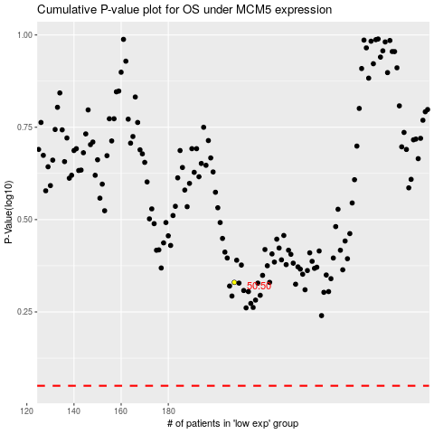

 |  |  |  |  |  | cases_OS | p_OS | rank | exp
 |  |  |  |  |  |  | cases_RFS | p_RFS | rank | exp

