MCM6 _multivariate
Reported by Tex Li-Hsing Chi. tex@gate.sinica.edu.tw 2019-08-18

Table 2. The clinicopathological features of HNSCC cohort and MCM6 expression. (Chi square test)
Cutoff at -0.211 (49.8%)
 |  | MCM6 expression |  | MCM6 expression |  | (Optimised)
 | Features | Low | (%) | High | (%) | Case no | P-value | Remark | Matthews
Gender | Female | 144 | 34.7 | 162 | 39 | 415 | 0.0697 | 0 | 0
2 | Male | 63 | 15.2 | 46 | 11.1
Age at diagnosis | <=65y | 128 | 30.8 | 146 | 35.2 | 415 | 0.0904 | 0 | 0
4 | >65y | 79 | 19 | 62 | 14.9
Clinical T Status | T1+T2 | 74 | 17.8 | 75 | 18.1 | 415 | 1 | 0 | 0
6 | T3+T4 | 133 | 32 | 133 | 32
Clinical N Status | N0 | 112 | 27 | 104 | 25.1 | 415 | 0.4599 | 0 | 0
8 | N1-3 | 95 | 22.9 | 104 | 25.1
Clinical M Status | M0 | 204 | 49.2 | 208 | 50.1 | 415 | 0.1232 | 0 | 0
10 | M1 | 3 | 0.7 | 0 | 0
Clinical Stage | Stage I+II | 56 | 13.5 | 46 | 11.1 | 415 | 0.2918 | 0 | 0
12 | Stage III+IV | 151 | 36.4 | 162 | 39
Surgical Margin status | Negative | 163 | 39.3 | 155 | 37.3 | 415 | 0.3537 | 0 | 0
14 | Positive | 44 | 10.6 | 53 | 12.8
Tobacco Exposure | Low | 97 | 23.4 | 64 | 15.4 | 415 | 9e-04 | 1 | 0
16 | High | 110 | 26.5 | 144 | 34.7

Table 3. Univariate/Multivariate Cox's proportional hazards regression analyses on OS time of MCM6 gene expression in HNSCC

 |  | Univariate |  |  |  | Multivariate
 | Features | HR | CI95%(L) | CI95%(H) | P-value | HR | CI95%(L) | CI95%(H) | P-value
1 | Female | 1 |  |  |  | 1
Gender | Male | 1.157 | 0.843 | 1.587 | 0.367 | 1.219 | 0.87 | 1.706 | 0.249
11 | <=65y | 1 |  |  |  | 1
Age at diagnosis | >65y | 1.329 | 0.99 | 1.784 | 0.058 | 1.402 | 1.03 | 1.908 | 0.032
12 | T1+T2 | 1 |  |  |  | 1
Clinical T Status | T3+T4 | 1.409 | 1.028 | 1.931 | 0.033 | 2.248 | 1.187 | 4.259 | 0.013
13 | N0 | 1 |  |  |  | 1
Clinical N Status | N1-3 | 1.185 | 0.89 | 1.577 | 0.246 | 1.254 | 0.878 | 1.792 | 0.214
14 | M0 | 1 |  |  |  | 1
Clinical M Status | M1 | 4.097 | 1.009 | 16.644 | 0.049 | 10.226 | 2.197 | 47.589 | 0.003
15 | Stage I+II | 1 |  |  |  | 1
Clinical Stage | Stage III+IV | 1.245 | 0.882 | 1.759 | 0.213 | 0.486 | 0.225 | 1.05 | 0.066
16 | Negative | 1 |  |  |  | 1
Surgical Margin status | Positive | 1.591 | 1.155 | 2.191 | 0.004 | 1.666 | 1.206 | 2.303 | 0.002
17 | Low | 1 |  |  |  | 1
Tobacco Exposure | High | 1.364 | 1.008 | 1.844 | 0.044 | 1.435 | 1.04 | 1.981 | 0.028
18 | Low | 1 |  |  |  | 1
RNAseq(z-score) | High | 1.094 | 0.821 | 1.458 | 0.539 | 1.126 | 0.836 | 1.516 | 0.435

Table 4. Univariate/Multivariate Cox's proportional hazards regression analyses on RFS time of MCM6 gene expression in HNSCC

 |  | Univariate |  |  |  | Multivariate
 | Features | HR | CI95%(L) | CI95%(H) | P-value | HR | CI95%(L) | CI95%(H) | P-value
1 | Female | 1 |  |  |  | 1
Gender | Male | 1.157 | 0.843 | 1.587 | 0.367 | 1.219 | 0.87 | 1.706 | 0.249
11 | <=65y | 1 |  |  |  | 1
Age at diagnosis | >65y | 1.329 | 0.99 | 1.784 | 0.058 | 1.402 | 1.03 | 1.908 | 0.032
12 | T1+T2 | 1 |  |  |  | 1
Clinical T Status | T3+T4 | 1.409 | 1.028 | 1.931 | 0.033 | 2.248 | 1.187 | 4.259 | 0.013
13 | N0 | 1 |  |  |  | 1
Clinical N Status | N1-3 | 1.185 | 0.89 | 1.577 | 0.246 | 1.254 | 0.878 | 1.792 | 0.214
14 | M0 | 1 |  |  |  | 1
Clinical M Status | M1 | 4.097 | 1.009 | 16.644 | 0.049 | 10.226 | 2.197 | 47.589 | 0.003
15 | Stage I+II | 1 |  |  |  | 1
Clinical Stage | Stage III+IV | 1.245 | 0.882 | 1.759 | 0.213 | 0.486 | 0.225 | 1.05 | 0.066
16 | Negative | 1 |  |  |  | 1
Surgical Margin status | Positive | 1.591 | 1.155 | 2.191 | 0.004 | 1.666 | 1.206 | 2.303 | 0.002
17 | Low | 1 |  |  |  | 1
Tobacco Exposure | High | 1.364 | 1.008 | 1.844 | 0.044 | 1.435 | 1.04 | 1.981 | 0.028
18 | Low | 1 |  |  |  | 1
RNAseq(z-score) | High | 1.094 | 0.821 | 1.458 | 0.539 | 1.126 | 0.836 | 1.516 | 0.435

Kaplan-Meier survival estimate: Cutoff at -0.211 (49.8%)



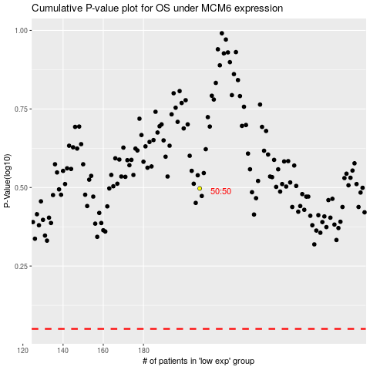

 |  |  |  |  |  | cases_OS | p_OS | rank | exp
 |  |  |  |  |  |  | cases_RFS | p_RFS | rank | exp

