MCM7 _multivariate
Reported by Tex Li-Hsing Chi. tex@gate.sinica.edu.tw 2019-08-18

Table 2. The clinicopathological features of HNSCC cohort and MCM7 expression. (Chi square test)
Cutoff at -0.262 (49.8%)
 |  | MCM7 expression |  | MCM7 expression |  | (Optimised)
 | Features | Low | (%) | High | (%) | Case no | P-value | Remark | Matthews
Gender | Female | 133 | 32 | 173 | 41.7 | 415 | 0 | 1 | 0
2 | Male | 74 | 17.8 | 35 | 8.4
Age at diagnosis | <=65y | 138 | 33.3 | 136 | 32.8 | 415 | 0.8634 | 0 | 0
4 | >65y | 69 | 16.6 | 72 | 17.3
Clinical T Status | T1+T2 | 80 | 19.3 | 69 | 16.6 | 415 | 0.2891 | 0 | 0
6 | T3+T4 | 127 | 30.6 | 139 | 33.5
Clinical N Status | N0 | 117 | 28.2 | 99 | 23.9 | 415 | 0.0852 | 1 | 0
8 | N1-3 | 90 | 21.7 | 109 | 26.3
Clinical M Status | M0 | 206 | 49.6 | 206 | 49.6 | 415 | 1 | 0 | 0
10 | M1 | 1 | 0.2 | 2 | 0.5
Clinical Stage | Stage I+II | 61 | 14.7 | 41 | 9.9 | 415 | 0.0282 | 1 | 0
12 | Stage III+IV | 146 | 35.2 | 167 | 40.2
Surgical Margin status | Negative | 169 | 40.7 | 149 | 35.9 | 415 | 0.0201 | 1 | 0
14 | Positive | 38 | 9.2 | 59 | 14.2
Tobacco Exposure | Low | 99 | 23.9 | 62 | 14.9 | 415 | 2e-04 | 1 | 0
16 | High | 108 | 26 | 146 | 35.2

Table 3. Univariate/Multivariate Cox's proportional hazards regression analyses on OS time of MCM7 gene expression in HNSCC

 |  | Univariate |  |  |  | Multivariate
 | Features | HR | CI95%(L) | CI95%(H) | P-value | HR | CI95%(L) | CI95%(H) | P-value
1 | Female | 1 |  |  |  | 1
Gender | Male | 1.157 | 0.843 | 1.587 | 0.367 | 1.206 | 0.859 | 1.695 | 0.279
11 | <=65y | 1 |  |  |  | 1
Age at diagnosis | >65y | 1.329 | 0.99 | 1.784 | 0.058 | 1.39 | 1.022 | 1.891 | 0.036
12 | T1+T2 | 1 |  |  |  | 1
Clinical T Status | T3+T4 | 1.409 | 1.028 | 1.931 | 0.033 | 2.205 | 1.166 | 4.17 | 0.015
13 | N0 | 1 |  |  |  | 1
Clinical N Status | N1-3 | 1.185 | 0.89 | 1.577 | 0.246 | 1.24 | 0.869 | 1.77 | 0.235
14 | M0 | 1 |  |  |  | 1
Clinical M Status | M1 | 4.097 | 1.009 | 16.644 | 0.049 | 9.408 | 2.052 | 43.127 | 0.004
15 | Stage I+II | 1 |  |  |  | 1
Clinical Stage | Stage III+IV | 1.245 | 0.882 | 1.759 | 0.213 | 0.503 | 0.234 | 1.081 | 0.079
16 | Negative | 1 |  |  |  | 1
Surgical Margin status | Positive | 1.591 | 1.155 | 2.191 | 0.004 | 1.664 | 1.196 | 2.315 | 0.002
17 | Low | 1 |  |  |  | 1
Tobacco Exposure | High | 1.364 | 1.008 | 1.844 | 0.044 | 1.446 | 1.042 | 2.008 | 0.027
18 | Low | 1 |  |  |  | 1
RNAseq(z-score) | High | 1.164 | 0.873 | 1.553 | 0.301 | 1.021 | 0.748 | 1.392 | 0.897

Table 4. Univariate/Multivariate Cox's proportional hazards regression analyses on RFS time of MCM7 gene expression in HNSCC

 |  | Univariate |  |  |  | Multivariate
 | Features | HR | CI95%(L) | CI95%(H) | P-value | HR | CI95%(L) | CI95%(H) | P-value
1 | Female | 1 |  |  |  | 1
Gender | Male | 1.157 | 0.843 | 1.587 | 0.367 | 1.206 | 0.859 | 1.695 | 0.279
11 | <=65y | 1 |  |  |  | 1
Age at diagnosis | >65y | 1.329 | 0.99 | 1.784 | 0.058 | 1.39 | 1.022 | 1.891 | 0.036
12 | T1+T2 | 1 |  |  |  | 1
Clinical T Status | T3+T4 | 1.409 | 1.028 | 1.931 | 0.033 | 2.205 | 1.166 | 4.17 | 0.015
13 | N0 | 1 |  |  |  | 1
Clinical N Status | N1-3 | 1.185 | 0.89 | 1.577 | 0.246 | 1.24 | 0.869 | 1.77 | 0.235
14 | M0 | 1 |  |  |  | 1
Clinical M Status | M1 | 4.097 | 1.009 | 16.644 | 0.049 | 9.408 | 2.052 | 43.127 | 0.004
15 | Stage I+II | 1 |  |  |  | 1
Clinical Stage | Stage III+IV | 1.245 | 0.882 | 1.759 | 0.213 | 0.503 | 0.234 | 1.081 | 0.079
16 | Negative | 1 |  |  |  | 1
Surgical Margin status | Positive | 1.591 | 1.155 | 2.191 | 0.004 | 1.664 | 1.196 | 2.315 | 0.002
17 | Low | 1 |  |  |  | 1
Tobacco Exposure | High | 1.364 | 1.008 | 1.844 | 0.044 | 1.446 | 1.042 | 2.008 | 0.027
18 | Low | 1 |  |  |  | 1
RNAseq(z-score) | High | 1.164 | 0.873 | 1.553 | 0.301 | 1.021 | 0.748 | 1.392 | 0.897

Kaplan-Meier survival estimate: Cutoff at -0.262 (49.8%)



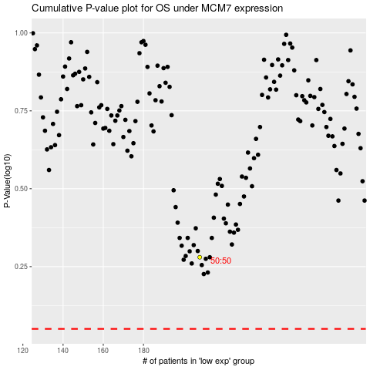

 |  |  |  |  |  | cases_OS | p_OS | rank | exp
 |  |  |  |  |  |  | cases_RFS | p_RFS | rank | exp

