MCM8 _multivariate
Reported by Tex Li-Hsing Chi. tex@gate.sinica.edu.tw 2019-08-18

Table 2. The clinicopathological features of HNSCC cohort and MCM8 expression. (Chi square test)
Cutoff at -0.121 (49.8%)
 |  | MCM8 expression |  | MCM8 expression |  | (Optimised)
 | Features | Low | (%) | High | (%) | Case no | P-value | Remark | Matthews
Gender | Female | 141 | 34 | 165 | 39.8 | 415 | 0.013 | 1 | 0
2 | Male | 66 | 15.9 | 43 | 10.4
Age at diagnosis | <=65y | 128 | 30.8 | 146 | 35.2 | 415 | 0.0904 | 0 | 0
4 | >65y | 79 | 19 | 62 | 14.9
Clinical T Status | T1+T2 | 72 | 17.3 | 77 | 18.6 | 415 | 0.7095 | 0 | 0
6 | T3+T4 | 135 | 32.5 | 131 | 31.6
Clinical N Status | N0 | 116 | 28 | 100 | 24.1 | 415 | 0.1273 | 1 | 0
8 | N1-3 | 91 | 21.9 | 108 | 26
Clinical M Status | M0 | 205 | 49.4 | 207 | 49.9 | 415 | 0.6232 | 0 | 0
10 | M1 | 2 | 0.5 | 1 | 0.2
Clinical Stage | Stage I+II | 55 | 13.3 | 47 | 11.3 | 415 | 0.4087 | 0 | 0
12 | Stage III+IV | 152 | 36.6 | 161 | 38.8
Surgical Margin status | Negative | 161 | 38.8 | 157 | 37.8 | 415 | 0.6429 | 0 | 0
14 | Positive | 46 | 11.1 | 51 | 12.3
Tobacco Exposure | Low | 87 | 21 | 74 | 17.8 | 415 | 0.1911 | 0 | 0
16 | High | 120 | 28.9 | 134 | 32.3

Table 3. Univariate/Multivariate Cox's proportional hazards regression analyses on OS time of MCM8 gene expression in HNSCC

 |  | Univariate |  |  |  | Multivariate
 | Features | HR | CI95%(L) | CI95%(H) | P-value | HR | CI95%(L) | CI95%(H) | P-value
1 | Female | 1 |  |  |  | 1
Gender | Male | 1.157 | 0.843 | 1.587 | 0.367 | 1.248 | 0.892 | 1.747 | 0.196
11 | <=65y | 1 |  |  |  | 1
Age at diagnosis | >65y | 1.329 | 0.99 | 1.784 | 0.058 | 1.407 | 1.036 | 1.91 | 0.029
12 | T1+T2 | 1 |  |  |  | 1
Clinical T Status | T3+T4 | 1.409 | 1.028 | 1.931 | 0.033 | 2.377 | 1.251 | 4.516 | 0.008
13 | N0 | 1 |  |  |  | 1
Clinical N Status | N1-3 | 1.185 | 0.89 | 1.577 | 0.246 | 1.244 | 0.871 | 1.777 | 0.23
14 | M0 | 1 |  |  |  | 1
Clinical M Status | M1 | 4.097 | 1.009 | 16.644 | 0.049 | 11.22 | 2.418 | 52.054 | 0.002
15 | Stage I+II | 1 |  |  |  | 1
Clinical Stage | Stage III+IV | 1.245 | 0.882 | 1.759 | 0.213 | 0.452 | 0.209 | 0.978 | 0.044
16 | Negative | 1 |  |  |  | 1
Surgical Margin status | Positive | 1.591 | 1.155 | 2.191 | 0.004 | 1.671 | 1.208 | 2.309 | 0.002
17 | Low | 1 |  |  |  | 1
Tobacco Exposure | High | 1.364 | 1.008 | 1.844 | 0.044 | 1.431 | 1.04 | 1.969 | 0.028
18 | Low | 1 |  |  |  | 1
RNAseq(z-score) | High | 1.241 | 0.928 | 1.659 | 0.146 | 1.329 | 0.985 | 1.794 | 0.063

Table 4. Univariate/Multivariate Cox's proportional hazards regression analyses on RFS time of MCM8 gene expression in HNSCC

 |  | Univariate |  |  |  | Multivariate
 | Features | HR | CI95%(L) | CI95%(H) | P-value | HR | CI95%(L) | CI95%(H) | P-value
1 | Female | 1 |  |  |  | 1
Gender | Male | 1.157 | 0.843 | 1.587 | 0.367 | 1.248 | 0.892 | 1.747 | 0.196
11 | <=65y | 1 |  |  |  | 1
Age at diagnosis | >65y | 1.329 | 0.99 | 1.784 | 0.058 | 1.407 | 1.036 | 1.91 | 0.029
12 | T1+T2 | 1 |  |  |  | 1
Clinical T Status | T3+T4 | 1.409 | 1.028 | 1.931 | 0.033 | 2.377 | 1.251 | 4.516 | 0.008
13 | N0 | 1 |  |  |  | 1
Clinical N Status | N1-3 | 1.185 | 0.89 | 1.577 | 0.246 | 1.244 | 0.871 | 1.777 | 0.23
14 | M0 | 1 |  |  |  | 1
Clinical M Status | M1 | 4.097 | 1.009 | 16.644 | 0.049 | 11.22 | 2.418 | 52.054 | 0.002
15 | Stage I+II | 1 |  |  |  | 1
Clinical Stage | Stage III+IV | 1.245 | 0.882 | 1.759 | 0.213 | 0.452 | 0.209 | 0.978 | 0.044
16 | Negative | 1 |  |  |  | 1
Surgical Margin status | Positive | 1.591 | 1.155 | 2.191 | 0.004 | 1.671 | 1.208 | 2.309 | 0.002
17 | Low | 1 |  |  |  | 1
Tobacco Exposure | High | 1.364 | 1.008 | 1.844 | 0.044 | 1.431 | 1.04 | 1.969 | 0.028
18 | Low | 1 |  |  |  | 1
RNAseq(z-score) | High | 1.241 | 0.928 | 1.659 | 0.146 | 1.329 | 0.985 | 1.794 | 0.063

Kaplan-Meier survival estimate: Cutoff at -0.121 (49.8%)

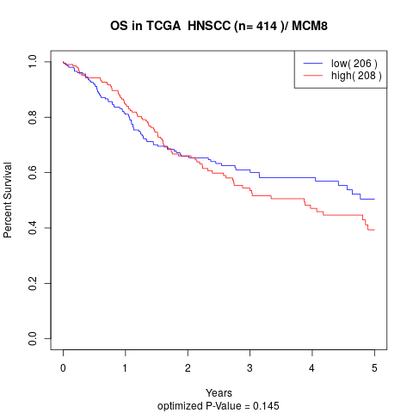

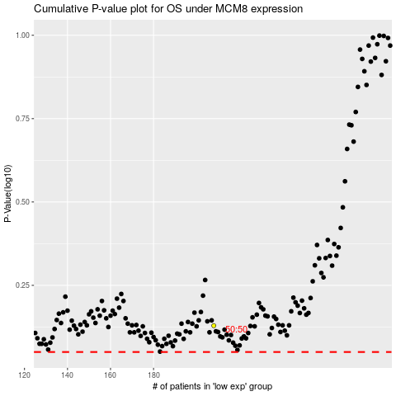

 |  |  |  |  |  | cases_OS | p_OS | rank | exp
 |  |  |  |  |  |  | cases_RFS | p_RFS | rank | exp

