MCOLN2 _multivariate
Reported by Tex Li-Hsing Chi. tex@gate.sinica.edu.tw 2019-08-18

Table 2. The clinicopathological features of HNSCC cohort and MCOLN2 expression. (Chi square test)
Cutoff at -0.222 (51.2%)
 |  | MCOLN2 expression |  | MCOLN2 expression |  | (Optimised)
 | Features | Low | (%) | High | (%) | Case no | P-value | Remark | Matthews
Gender | Female | 169 | 40.7 | 137 | 33 | 415 | 0.0066 | 1 | 0
2 | Male | 43 | 10.4 | 66 | 15.9
Age at diagnosis | <=65y | 142 | 34.2 | 132 | 31.8 | 415 | 0.7512 | 0 | 0
4 | >65y | 70 | 16.9 | 71 | 17.1
Clinical T Status | T1+T2 | 59 | 14.2 | 90 | 21.7 | 415 | 7e-04 | 1 | 0
6 | T3+T4 | 153 | 36.9 | 113 | 27.2
Clinical N Status | N0 | 114 | 27.5 | 102 | 24.6 | 415 | 0.5348 | 0 | 0
8 | N1-3 | 98 | 23.6 | 101 | 24.3
Clinical M Status | M0 | 211 | 50.8 | 201 | 48.4 | 415 | 0.6161 | 0 | 0
10 | M1 | 1 | 0.2 | 2 | 0.5
Clinical Stage | Stage I+II | 42 | 10.1 | 60 | 14.5 | 415 | 0.0285 | 1 | 0
12 | Stage III+IV | 170 | 41 | 143 | 34.5
Surgical Margin status | Negative | 161 | 38.8 | 157 | 37.8 | 415 | 0.8166 | 0 | 0
14 | Positive | 51 | 12.3 | 46 | 11.1
Tobacco Exposure | Low | 70 | 16.9 | 91 | 21.9 | 415 | 0.0156 | 1 | 0
16 | High | 142 | 34.2 | 112 | 27

Table 3. Univariate/Multivariate Cox's proportional hazards regression analyses on OS time of MCOLN2 gene expression in HNSCC

 |  | Univariate |  |  |  | Multivariate
 | Features | HR | CI95%(L) | CI95%(H) | P-value | HR | CI95%(L) | CI95%(H) | P-value
1 | Female | 1 |  |  |  | 1
Gender | Male | 1.157 | 0.843 | 1.587 | 0.367 | 1.218 | 0.871 | 1.702 | 0.25
11 | <=65y | 1 |  |  |  | 1
Age at diagnosis | >65y | 1.329 | 0.99 | 1.784 | 0.058 | 1.417 | 1.041 | 1.927 | 0.027
12 | T1+T2 | 1 |  |  |  | 1
Clinical T Status | T3+T4 | 1.409 | 1.028 | 1.931 | 0.033 | 2.138 | 1.13 | 4.043 | 0.019
13 | N0 | 1 |  |  |  | 1
Clinical N Status | N1-3 | 1.185 | 0.89 | 1.577 | 0.246 | 1.271 | 0.889 | 1.816 | 0.188
14 | M0 | 1 |  |  |  | 1
Clinical M Status | M1 | 4.097 | 1.009 | 16.644 | 0.049 | 9.601 | 2.094 | 44.022 | 0.004
15 | Stage I+II | 1 |  |  |  | 1
Clinical Stage | Stage III+IV | 1.245 | 0.882 | 1.759 | 0.213 | 0.485 | 0.226 | 1.042 | 0.064
16 | Negative | 1 |  |  |  | 1
Surgical Margin status | Positive | 1.591 | 1.155 | 2.191 | 0.004 | 1.688 | 1.221 | 2.333 | 0.002
17 | Low | 1 |  |  |  | 1
Tobacco Exposure | High | 1.364 | 1.008 | 1.844 | 0.044 | 1.409 | 1.02 | 1.947 | 0.037
18 | Low | 1 |  |  |  | 1
RNAseq(z-score) | High | 0.743 | 0.557 | 0.992 | 0.044 | 0.763 | 0.566 | 1.029 | 0.077

Table 4. Univariate/Multivariate Cox's proportional hazards regression analyses on RFS time of MCOLN2 gene expression in HNSCC

 |  | Univariate |  |  |  | Multivariate
 | Features | HR | CI95%(L) | CI95%(H) | P-value | HR | CI95%(L) | CI95%(H) | P-value
1 | Female | 1 |  |  |  | 1
Gender | Male | 1.157 | 0.843 | 1.587 | 0.367 | 1.218 | 0.871 | 1.702 | 0.25
11 | <=65y | 1 |  |  |  | 1
Age at diagnosis | >65y | 1.329 | 0.99 | 1.784 | 0.058 | 1.417 | 1.041 | 1.927 | 0.027
12 | T1+T2 | 1 |  |  |  | 1
Clinical T Status | T3+T4 | 1.409 | 1.028 | 1.931 | 0.033 | 2.138 | 1.13 | 4.043 | 0.019
13 | N0 | 1 |  |  |  | 1
Clinical N Status | N1-3 | 1.185 | 0.89 | 1.577 | 0.246 | 1.271 | 0.889 | 1.816 | 0.188
14 | M0 | 1 |  |  |  | 1
Clinical M Status | M1 | 4.097 | 1.009 | 16.644 | 0.049 | 9.601 | 2.094 | 44.022 | 0.004
15 | Stage I+II | 1 |  |  |  | 1
Clinical Stage | Stage III+IV | 1.245 | 0.882 | 1.759 | 0.213 | 0.485 | 0.226 | 1.042 | 0.064
16 | Negative | 1 |  |  |  | 1
Surgical Margin status | Positive | 1.591 | 1.155 | 2.191 | 0.004 | 1.688 | 1.221 | 2.333 | 0.002
17 | Low | 1 |  |  |  | 1
Tobacco Exposure | High | 1.364 | 1.008 | 1.844 | 0.044 | 1.409 | 1.02 | 1.947 | 0.037
18 | Low | 1 |  |  |  | 1
RNAseq(z-score) | High | 0.743 | 0.557 | 0.992 | 0.044 | 0.763 | 0.566 | 1.029 | 0.077

Kaplan-Meier survival estimate: Cutoff at -0.222 (51.2%)



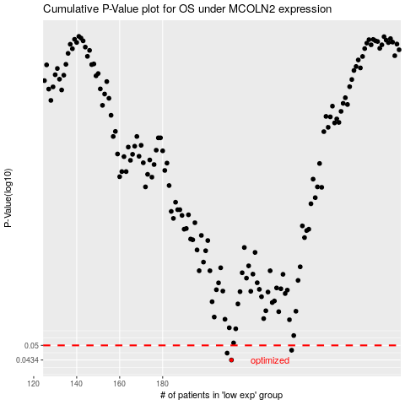

 |  |  |  |  |  | cases_OS | p_OS | rank | exp
 |  |  |  |  |  | 212 | 0.0434 | 134 | -0.22160833254
 |  |  |  |  |  | 210 | 0.0464 | 50 | -0.22289378397
 |  |  |  |  |  | 240 | 0.0477 | 171 | -0.055808090286
 |  |  |  |  |  |  | cases_RFS | p_RFS | rank | exp
 |  |  |  |  |  |  | 211 | 0.0434 | 289 | -0.22224165252
 |  |  |  |  |  |  | 209 | 0.0464 | 99 | -0.22951751661
 |  |  |  |  |  |  | 239 | 0.0477 | 79 | -0.056125795354

